DORS data
Date | Total iOS Downloads | Total Android Installations | Total Registered Users | Daily dorsapp.ca visits | Daily Num Sessions | Daily Average Extensions | Daily Average Session Length | Daily Emergencies | Daily Dispatches | News Stories

Pre Launch | 14 | 9 | 12
7-Jul-21 | 23 | 13 | 17 | 11 | 4 | 1 | 59:00:00 | 1 | 0 |  |  |  | 59:00:00 | 59:00 | 1900-01-02 11:00:00
8-Jul-21 | 26 | 13 | 19 | 1 | 2 | 4 | 2:00:00 | 0 | 0 |  |  |  | 2:00:00 |  | 2:00:00
9-Jul-21 | 27 | 14 | 21 | 0 | 2 | 1 | 33:00:00 | 0 | 0 |  |  |  | 33:00:00 |  | 59:00
10-Jul-21 | 27 | 14 | 21 | 6 | 0 | 0 | 0:00:00 | 0 | 0 |  |  |  | 0:00:00 |  | 59:00:00
11-Jul-21 | 28 | 14 | 22 | 4 | 0 | 0 | 0:00:00 | 0 | 0 |  |  |  | 0:00:00
12-Jul-21 | 28 | 13 | 22 | 14 | 0 | 0 | 0:00:00 | 0 | 0 |  |  |  | 0:00:00
13-Jul-21 | 28 | 14 | 22 | 4 | 0 | 0 | 0:00:00 | 0 | 0 |  |  |  | 0:00:00
14-Jul-21 | 28 | 16 | 22 | 6 | 1 | 0 | 8:00:00 | 0 | 0 |  |  |  | 8:00:00
15-Jul-21 | 28 | 19 | 24 | 2 | 0 | 0 | 0:00:00 | 0 | 0 |  |  |  | 0:00:00
16-Jul-21 | 28 | 18 | 24 | 0 | 0 | 0 | 0:00:00 | 0 | 0 |  |  |  | 0:00:00
17-Jul-21 | 28 | 19 | 24 | 15 | 0 | 0 | 0:00:00 | 0 | 0 |  |  |  | 0:00:00
18-Jul-21 | 29 | 20 | 24 | 8 | 0 | 0 | 0:00:00 | 0 | 0 |  |  |  | 0:00:00
19-Jul-21 | 29 | 17 | 24 | 3 | 0 | 0 | 0:00:00 | 0 | 0 |  |  |  | 0:00:00
20-Jul-21 | 34 | 17 | 26 | 25 | 0 | 0 | 0:00:00 | 0 | 0 |  |  |  | 0:00:00
21-Jul-21 | 36 | 21 | 27 | 18 | 1 | 0 | 9:00:00 | 2 | 0 |  |  |  | 9:00:00
22-Jul-21 | 38 | 22 | 29 | 2 | 2 | 3.5 | 56:00:00 | 0 | 0 |  |  |  | 56:00:00
23-Jul-21 | 38 | 21 | 30 | 2 | 0 | 0 | 0:00:00 | 0 | 0 |  |  |  | 0:00:00
24-Jul-21 | 39 | 21 | 31 | 5 | 0 | 0 | 0:00:00 | 0 | 0 |  |  |  | 0:00:00
25-Jul-21 | 39 | 23 | 31 | 2 | 0 | 0 | 0:00:00 | 0 | 0 |  |  |  | 0:00:00
26-Jul-21 | 39 | 22 | 31 | 2 | 0 | 0 | 0:00:00 | 0 | 0 |  |  |  | 0:00:00
27-Jul-21 | 41 | 23 | 32 | 1 | 0 | 0 | 0:00:00 | 0 | 0 |  |  |  | 0:00:00
28-Jul-21 | 41 | 21 | 33 | 1 | 0 | 0 | 0:00:00 | 0 | 0 |  |  |  | 0:00:00
29-Jul-21 | 41 | 21 | 33 | 1 | 1 | 0 | 7:00:00 | 0 | 0 |  |  |  | 7:00:00
30-Jul-21 | 41 | 22 | 33 | 0 | 0 | 0 | 0:00:00 | 0 | 0 |  |  |  | 0:00:00
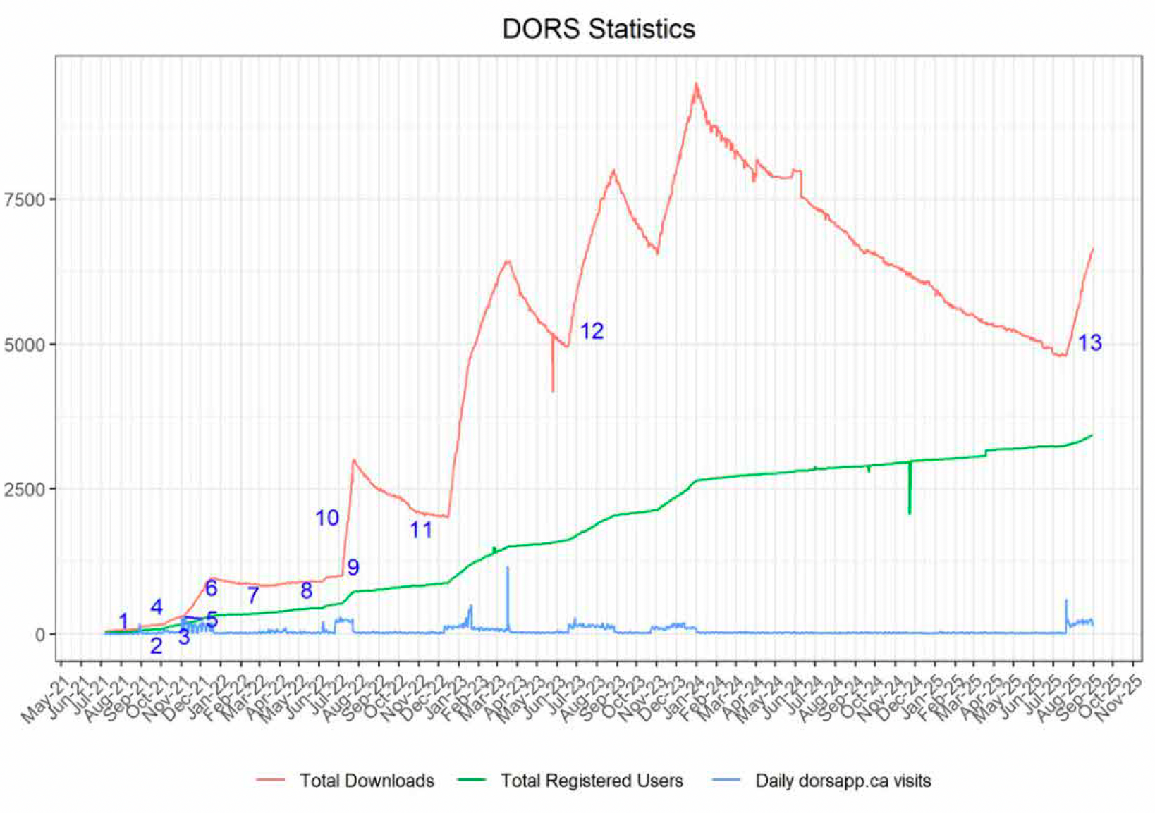
31-Jul-21 | 41 | 21 | 33 | 1 | 0 | 0 |  | 0 | 0 |  |  |  | 0:00:00
1-Aug-21 | 41 | 25 | 33 | 3 | 0 | 0 | 0:00:00 | 0 | 0 |  |  |  | 0:00:00
2-Aug-21 | 41 | 22 | 33 | 6 | 0 | 0 | 0:00:00 | 0 | 0 |  |  |  | 0:00:00
3-Aug-21 | 41 | 20 | 33 | 1 | 0 | 0 | 0:00:00 | 0 | 0 |  |  |  | 0:00:00
4-Aug-21 | 41 | 25 | 34 | 2 | 0 | 0 | 0:00:00 | 0 | 0 |  |  |  | 0:00:00
5-Aug-21 | 41 | 21 | 34 | 0 | 0 | 0 | 0:00:00 | 0 | 0 |  |  |  | 0:00:00
6-Aug-21 | 41 | 21 | 34 | 1 | 0 | 0 | 0:00:00 | 0 | 0 |  |  |  | 0:00:00
7-Aug-21 | 41 | 21 | 34 | 1 | 0 | 0 | 0:00:00 | 0 | 0 |  |  |  | 0:00:00
8-Aug-21 | 41 | 19 | 34 | 4 | 0 | 0 | 0:00:00 | 0 | 0 |  |  |  | 0:00:00
9-Aug-21 | 42 | 22 | 34 | 9 | 0 | 0 | 0:00:00 | 0 | 0 |  |  |  | 0:00:00
10-Aug-21 | 42 | 23 | 34 | 9 | 0 | 0 | 0:00:00 | 0 | 0 |  |  |  | 0:00:00
11-Aug-21 | 43 | 22 | 34 | 18 | 0 | 0 | 0:00:00 | 0 | 0 |  |  |  | 0:00:00
12-Aug-21 | 46 | 24 | 35 | 1 | 0 | 0 | 0:00:00 | 0 | 0 |  |  |  | 0:00:00
13-Aug-21 | 48 | 26 | 35 | 3 | 0 | 0 | 0:00:00 | 0 | 0 |  |  |  | 0:00:00
14-Aug-21 | 50 | 24 | 35 | 8 | 0 | 0 | 0:00:00 | 0 | 0 |  |  |  | 0:00:00
15-Aug-21 | 50 | 24 | 35 | 16 | 0 | 0 | 0:00:00 | 0 | 0 |  |  |  | 0:00:00
16-Aug-21 | 51 | 24 | 35 | 6 | 0 | 0 | 0:00:00 | 0 | 0 |  |  |  | 0:00:00
17-Aug-21 | 51 | 22 | 38 | 5 | 0 | 0 | 0:00:00 | 0 | 0 |  |  |  | 0:00:00
18-Aug-21 | 55 | 23 | 38 | 13 | 0 | 0 | 0:00:00 | 0 | 0 |  |  |  | 0:00:00
19-Aug-21 | 55 | 23 | 38 | 3 | 0 | 0 | 0:00:00 | 0 | 0 |  |  |  | 0:00:00
20-Aug-21 | 55 | 21 | 38 | 0 | 0 | 0 | 0:00:00 | 0 | 0 |  |  |  | 0:00:00
21-Aug-21 | 55 | 24 | 38 | 10 | 0 | 0 | 0:00:00 | 0 | 0 |  |  |  | 0:00:00
22-Aug-21 | 55 | 22 | 38 | 30 | 0 | 0 | 0:00:00 | 0 | 0 |  |  |  | 0:00:00
23-Aug-21 | 55 | 20 | 38 | 30 | 0 | 0 | 0:00:00 | 0 | 0 |  |  |  | 0:00:00
24-Aug-21 | 55 | 24 | 39 | 21 | 0 | 0 | 0:00:00 | 0 | 0 |  |  |  | 0:00:00
25-Aug-21 | 59 | 23 | 40 | 11 | 2 | 1 | 0:00:00 | 0 | 0 |  |  |  | 0:00:00
26-Aug-21 | 60 | 21 | 41 | 4 | 0 | 0 | 0:00:00 | 0 | 0 |  |  |  | 0:00:00
27-Aug-21 | 60 | 22 | 40 | 2 | 1 | 1 | 42:00:00 | 0 | 0 |  |  |  | 42:00:00
28-Aug-21 | 60 | 23 | 40 | 21 | 0 | 0 | 0:00:00 | 0 | 0 |  |  |  | 0:00:00
29-Aug-21 | 60 | 21 | 40 | 166 | 0 | 0 | 0:00:00 | 0 | 0 |  |  |  | 0:00:00
30-Aug-21 | 60 | 21 | 40 | 109 | 0 | 0 | 0:00:00 | 0 | 0 |  |  |  | 0:00:00
31-Aug-21 | 68 | 29 | 52 | 49 | 0 | 0 | 0:00:00 | 0 | 0 |  |  |  | 0:00:00
1-Sep-21 | 85 | 34 | 58 | 28 | 0 | 0 | 0:00:00 | 0 | 0 |  |  |  | 0:00:00
2-Sep-21 | 89 | 37 | 60 | 19 | 1 | 2 | 44:00:00 | 0 | 0 |  |  |  | 44:00:00
3-Sep-21 | 93 | 32 | 61 | 9 | 0 | 0 | 0:00:00 | 0 | 0 |  |  |  | 0:00:00
4-Sep-21 | 95 | 32 | 61 | 7 | 0 | 0 | 0:00:00 | 0 | 0 |  |  |  | 0:00:00
5-Sep-21 | 95 | 35 | 63 | 12 | 1 | 0 | 43:00:00 | 0 | 0 |  |  |  | 43:00:00
6-Sep-21 | 95 | 32 | 63 | 16 | 0 | 0 | 0:00:00 | 0 | 0 |  |  |  | 0:00:00
7-Sep-21 | 96 | 33 | 65 | 14 | 0 | 0 | 0:00:00 | 0 | 0 |  |  |  | 0:00:00
8-Sep-21 | 98 | 36 | 67 | 15 | 1 | 0 | 22:00:00 | 0 | 0 |  |  |  | 22:00:00
9-Sep-21 | 98 | 36 | 67 | 3 | 2 | 1 | 14:00:00 | 0 | 0 |  |  |  | 14:00:00
10-Sep-21 | 98 | 36 | 68 | 4 | 0 | 0 | 0:00:00 | 0 | 0 |  |  |  | 0:00:00
11-Sep-21 | 98 | 39 | 69 | 30 | 0 | 0 | 0:00:00 | 0 | 0 |  |  |  | 0:00:00
12-Sep-21 | 98 | 38 | 69 | 10 | 0 | 0 | 0:00:00 | 0 | 0 |  |  |  | 0:00:00
13-Sep-21 | 98 | 40 | 70 | 7 | 0 | 0 | 0:00:00 | 0 | 0 |  |  |  | 0:00:00
14-Sep-21 | 98 | 39 | 70 | 17 | 0 | 0 | 0:00:00 | 0 | 0 |  |  |  | 0:00:00
15-Sep-21 | 100 | 42 | 70 | 11 | 0 | 0 | 0:00:00 | 0 | 0 |  |  |  | 0:00:00
16-Sep-21 | 101 | 44 | 70 | 10 | 0 | 0 | 0:00:00 | 0 | 0 |  |  |  | 0:00:00
17-Sep-21 | 102 | 40 | 72 | 9 | 4 | 12 | 5:00:00 | 3 | 0 |  |  |  | 5:00:00
18-Sep-21 | 102 | 38 | 72 | 11 | 1 | 15 | 37:00:00 | 0 | 0 |  |  |  | 37:00:00
19-Sep-21 | 103 | 41 | 72 | 7 | 0 | 0 | 0:00:00 | 0 | 0 |  |  |  | 0:00:00
20-Sep-21 | 104 | 38 | 74 | 16 | 0 | 0 | 0:00:00 | 0 | 0 |  |  |  | 0:00:00
21-Sep-21 | 105 | 41 | 74 | 19 | 0 | 0 | 0:00:00 | 0 | 0 |  |  |  | 0:00:00
22-Sep-21 | 106 | 41 | 74 | 20 | 0 | 0 | 0:00:00 | 0 | 0 |  |  |  | 0:00:00
23-Sep-21 | 108 | 40 | 76 | 2 | 0 | 0 | 0:00:00 | 0 | 0 |  |  |  | 0:00:00
24-Sep-21 | 110 | 41 | 77 | 0 | 1 | 8 | 55:00:00 | 0 | 0 |  |  |  | 55:00:00
25-Sep-21 | 111 | 40 | 77 | 12 | 0 | 0 | 0:00:00 | 0 | 0 |  |  |  | 0:00:00
26-Sep-21 | 111 | 37 | 77 | 19 | 0 | 0 | 0:00:00 | 0 | 0 |  |  |  | 0:00:00
27-Sep-21 | 111 | 36 | 77 | 31 | 0 | 0 | 0:00:00 | 0 | 0 |  |  |  | 0:00:00
28-Sep-21 | 114 | 43 | 77 | 34 | 0 | 0 | 0:00:00 | 0 | 0 |  |  |  | 0:00:00
29-Sep-21 | 119 | 42 | 78 | 18 | 0 | 0 | 0:00:00 | 0 | 0 |  |  |  | 0:00:00
30-Sep-21 | 121 | 37 | 79 | 4 | 0 | 0 | 0:00:00 | 0 | 0 |  |  |  | 0:00:00
1-Oct-21 | 122 | 43 | 81 | 6 | 0 | 0 | 0:00:00 | 0 | 0 |  |  |  | 0:00:00
2-Oct-21 | 122 | 41 | 81 | 28 | 0 | 0 | 0:00:00 | 0 | 0 |  |  |  | 0:00:00
3-Oct-21 | 122 | 38 | 81 | 15 | 1 | 5 | 29:00:00 | 0 | 0 |  |  |  | 29:00:00
4-Oct-21 | 124 | 40 | 82 | 36 | 0 | 0 | 0:00:00 | 0 | 0 |  |  |  | 0:00:00
5-Oct-21 | 125 | 37 | 83 | 50 | 0 | 0 | 0:00:00 | 0 | 0 |  |  |  | 0:00:00
6-Oct-21 | 126 | 37 | 86 | 75 | 1 | 0 | 38:00:00 | 0 | 0 |  |  |  | 38:00:00
7-Oct-21 | 129 | 38 | 91 | 44 | 0 | 0 | 0:00:00 | 0 | 0 |  |  |  | 0:00:00
8-Oct-21 | 140 | 46 | 98 | 45 | 2 | 1 | 44:00:00 | 0 | 0 | 1 | https://www.ctvnews.ca/edmonton/article/new-app-designed-to-save-opioid-users-from-overdose-now-available-in-edmonton/ |  | 44:00:00
9-Oct-21 | 146 | 46 | 107 | 40 | 3 | 0 | 30:00:00 | 0 | 0 | 1 | https://edmontonjournal.com/news/local-news/digital-overdose-response-system-app-now-available-in-edmonton-as-nearly-900-albertans-have-died-from-a-drug-poisoning |  | 30:00:00
10-Oct-21 | 153 | 49 | 109 | 51 | 0 | 0 | 0:00:00 | 0 | 0 |  |  |  | 0:00:00
11-Oct-21 | 155 | 52 | 113 | 64 | 0 | 0 | 0:00:00 | 0 | 0 |  |  |  | 0:00:00
12-Oct-21 | 157 | 55 | 120 | 62 | 1 | 0 | 28:00:00 | 0 | 0 | 1 | https://www.cbc.ca/news/canada/edmonton/alberta-expands-overdose-prevention-app-to-users-in-edmonton-amid-rising-opioid-deaths-1.6207507 |  | 28:00:00
13-Oct-21 | 166 | 56 | 123 | 52 | 1 | 4 | 8:00:00 | 0 | 0 |  |  |  | 8:00:00
14-Oct-21 | 172 | 54 | 124 | 23 | 0 | 0 | 0:00:00 | 0 | 0 |  |  |  | 0:00:00
15-Oct-21 | 177 | 59 | 126 | 14 | 0 | 0 | 0:00:00 | 0 | 0 |  |  |  | 0:00:00
16-Oct-21 | 181 | 60 | 127 | 33 | 3 | 0 | 28:00:00 | 0 | 0 |  |  |  | 28:00:00
17-Oct-21 | 181 | 57 | 128 | 30 | 1 | 1 | 3:00:00 | 0 | 0 |  |  |  | 3:00:00
18-Oct-21 | 184 | 57 | 129 | 33 | 0 | 0 | 0:00:00 | 0 | 0 |  |  |  | 0:00:00
19-Oct-21 | 185 | 57 | 129 | 51 | 0 | 0 | 0:00:00 | 0 | 0 |  |  |  | 0:00:00
20-Oct-21 | 188 | 66 | 134 | 33 | 0 | 0 | 0:00:00 | 0 | 0 |  |  |  | 0:00:00
21-Oct-21 | 192 | 62 | 137 | 32 | 2 | 3 | 25:00:00 | 1 | 0 |  |  |  | 25:00:00
22-Oct-21 | 196 | 67 | 143 | 20 | 1 | 8 | 34:00:00 | 0 | 0 |  |  |  | 34:00:00
23-Oct-21 | 196 | 70 | 144 | 38 | 0 | 0 | 0:00:00 | 0 | 0 |  |  |  | 0:00:00
24-Oct-21 | 197 | 66 | 145 | 23 | 0 | 0 | 0:00:00 | 0 | 0 |  |  |  | 0:00:00
25-Oct-21 | 202 | 73 | 146 | 35 | 7 | 9 | 19:00:00 | 1 | 0 |  |  |  | 19:00:00
26-Oct-21 | 203 | 75 | 149 | 31 | 0 | 0 | 0:00:00 | 0 | 0 |  |  |  | 0:00:00
27-Oct-21 | 204 | 74 | 150 | 25 | 2 | 7 | 35:00:00 | 2 | 0 |  |  |  | 35:00:00
28-Oct-21 | 206 | 73 | 152 | 23 | 0 | 0 | 0:00:00 | 0 | 0 |  |  |  | 0:00:00
29-Oct-21 | 206 | 69 | 152 | 39 | 0 | 0 | 0:00:00 | 0 | 0 |  |  |  | 0:00:00
30-Oct-21 | 207 | 79 | 155 | 42 | 0 | 0 | 0:00:00 | 0 | 0 |  |  |  | 0:00:00
31-Oct-21 | 213 | 80 | 158 | 38 | 9 | 0 | 55:00:00 | 2 | 0 |  |  |  | 55:00:00
1-Nov-21 | 216 | 85 | 161 | 11 | 4 | 4 | 24:00:00 | 0 | 0 |  |  |  | 24:00:00
2-Nov-21 | 218 | 77 | 161 | 267 | 8 | 4 | 0:00:00 | 0 | 0 |  |  |  | 0:00:00
3-Nov-21 | 220 | 79 | 162 | 241 | 0 | 0 | 0:00:00 | 0 | 0 |  |  |  | 0:00:00
4-Nov-21 | 221 | 83 | 163 | 38 | 0 | 0 | 0:00:00 | 0 | 0 |  |  |  | 0:00:00
5-Nov-21 | 227 | 86 | 167 | 34 | 0 | 0 | 0:00:00 | 0 | 0 |  |  |  | 0:00:00
6-Nov-21 | 229 | 87 | 167 | 263 | 4 | 8 | 36:00:00 | 1 | 0 |  |  |  | 36:00:00
7-Nov-21 | 230 | 99 | 168 | 263 | 1 | 7 | 36:00:00 | 0 | 0 |  |  |  | 36:00:00
8-Nov-21 | 236 | 102 | 176 | 211 | 0 | 0 | 0:00:00 | 0 | 0 |  |  |  | 0:00:00
9-Nov-21 | 244 | 117 | 178 | 171 | 0 | 0 | 0:00:00 | 0 | 0 | 1 | https://calgaryherald.com/news/local-news/digital-overdose-response-system-app-accessible-in-communities-outside-calgary-and-edmonton |  | 0:00:00
10-Nov-21 | 251 | 119 | 184 | 207 | 0 | 0 | 0:00:00 | 0 | 0 |  |  |  | 0:00:00
11-Nov-21 | 252 | 128 | 188 | 34 | 0 | 0 | 0:00:00 | 0 | 0 |  |  |  | 0:00:00
12-Nov-21 | 261 | 145 | 197 | 32 | 5 | 10 | 37:00:00 | 1 | 0 |  |  |  | 37:00:00
13-Nov-21 | 263 | 153 | 198 | 167 | 0 | 0 | 0:00:00 | 0 | 0 |  |  |  | 0:00:00
14-Nov-21 | 265 | 157 | 198 | 164 | 0 | 0 | 0:00:00 | 0 | 0 |  |  |  | 0:00:00
15-Nov-21 | 267 | 165 | 199 | 170 | 1 | 0 | 38:00:00 | 0 | 0 |  |  |  | 38:00:00
16-Nov-21 | 271 | 175 | 201 | 178 | 1 | 9 | 43:00:00 | 0 | 0 |  |  |  | 43:00:00
17-Nov-21 | 273 | 187 | 203 | 163 | 5 | 9 | 46:00:00 | 0 | 0 |  |  |  | 46:00:00
18-Nov-21 | 279 | 199 | 206 | 28 | 1 | 1 | 0:00:00 | 0 | 0 |  |  |  | 0:00:00
19-Nov-21 | 284 | 206 | 207 | 20 | 0 | 0 | 0:00:00 | 0 | 0 |  |  |  | 0:00:00
20-Nov-21 | 287 | 217 | 211 | 153 | 4 | 3 | 41:00:00 | 0 | 0 |  |  |  | 41:00:00
21-Nov-21 | 288 | 243 | 213 | 138 | 0 | 0 | 0:00:00 | 0 | 0 |  |  |  | 0:00:00
22-Nov-21 | 289 | 254 | 215 | 168 | 0 | 0 | 0:00:00 | 0 | 0 |  |  |  | 0:00:00
23-Nov-21 | 293 | 280 | 215 | 155 | 3 | 6 | 13:00:00 | 0 | 0 |  |  |  | 13:00:00
24-Nov-21 | 298 | 290 | 222 | 123 | 0 | 0 | 0:00:00 | 0 | 0 |  |  |  | 0:00:00
25-Nov-21 | 300 | 305 | 227 | 23 | 7 | 3 | 35:00:00 | 2 | 1 |  |  |  | 35:00:00
26-Nov-21 | 307 | 321 | 232 | 20 | 0 | 0 | 0:00:00 | 0 | 0 |  |  |  | 0:00:00
27-Nov-21 | 307 | 343 | 234 | 117 | 1 | 1 | 20:00:00 | 0 | 0 |  |  |  | 20:00:00
28-Nov-21 | 310 | 326 | 235 | 144 | 0 | 0 | 0:00:00 | 0 | 0 |  |  |  | 0:00:00
29-Nov-21 | 313 | 352 | 237 | 143 | 1 | 1 | 36:00:00 | 0 | 0 |  |  |  | 36:00:00
30-Nov-21 | 315 | 365 | 240 | 140 | 0 | 0 | 0:00:00 | 0 | 0 |  |  |  | 0:00:00
1-Dec-21 | 316 | 391 | 246 | 173 | 0 | 0 | 0:00:00 | 0 | 0 |  |  |  | 0:00:00
2-Dec-21 | 322 | 400 | 253 | 38 | 0 | 0 | 0:00:00 | 0 | 0 |  |  |  | 0:00:00
3-Dec-21 | 328 | 419 | 264 | 59 | 0 | 0 | 0:00:00 | 0 | 0 |  |  |  | 0:00:00
4-Dec-21 | 329 | 415 | 264 | 203 | 0 | 0 | 0:00:00 | 0 | 0 |  |  |  | 0:00:00
5-Dec-21 | 332 | 420 | 267 | 166 | 0 | 0 | 0:00:00 | 0 | 0 |  |  |  | 0:00:00
6-Dec-21 | 339 | 443 | 272 | 178 | 10 | 0 | 2:00:00 | 0 | 0 |  |  |  | 2:00:00
7-Dec-21 | 341 | 455 | 277 | 128 | 0 | 0 | 0:00:00 | 0 | 0 |  |  |  | 0:00:00
8-Dec-21 | 401 | 451 | 279 | 137 | 2 | 0 | 35:00:00 | 1 | 0 | 2 | https://www.theglobeandmail.com/canada/article-does-this-save-lives-concerns-raised-about-alberta-overdose-response/ | https://calgary.citynews.ca/2021/12/08/concerns-alberta-overdose-response-app/ | 35:00:00
9-Dec-21 | 411 | 459 | 283 | 42 | 3 | 1 | 38:00:00 | 0 | 0 |  |  |  | 38:00:00
10-Dec-21 | 420 | 467 | 285 | 47 | 0 | 0 | 0:00:00 | 0 | 0 |  |  |  | 0:00:00
11-Dec-21 | 423 | 481 | 289 | 187 | 1 | 2 | 7:00:00 | 0 | 0 |  |  |  | 7:00:00
12-Dec-21 | 423 | 481 | 290 | 174 | 0 | 0 | 0:00:00 | 0 | 0 |  |  |  | 0:00:00
13-Dec-21 | 425 | 486 | 290 | 136 | 12 | 2 | 28:00:00 | 0 | 0 |  |  |  | 28:00:00
14-Dec-21 | 427 | 487 | 294 | 166 | 9 | 3 | 44:00:00 | 2 | 1 |  |  |  | 44:00:00
15-Dec-21 | 427 | 510 | 295 | 198 | 0 | 0 | 0:00:00 | 0 | 0 |  |  |  | 0:00:00
16-Dec-21 | 428 | 522 | 299 | 57 | 10 | 8 | 52:00:00 | 2 | 2 |  |  |  | 52:00:00
17-Dec-21 | 429 | 527 | 301 | 54 | 1 | 8 | 4:00:00 | 1 | 0 |  |  |  | 4:00:00
18-Dec-21 | 430 | 527 | 302 | 182 | 4 | 13 | 48:00:00 | 1 | 0 |  |  |  | 48:00:00
19-Dec-21 | 432 | 527 | 304 | 158 | 0 | 0 | 0:00:00 | 0 | 0 |  |  |  | 0:00:00
20-Dec-21 | 433 | 521 | 307 | 59 | 3 | 13 | 4:00:00 | 0 | 0 |  |  |  | 4:00:00
21-Dec-21 | 437 | 531 | 313 | 36 | 8 | 11 | 8:00:00 | 0 | 0 |  |  |  | 8:00:00
22-Dec-21 | 440 | 522 | 317 | 24 | 0 | 0 | 0:00:00 | 0 | 0 |  |  |  | 0:00:00
...
 |  |  |  | Daily dorsapp.ca visits | Daily Num Sessions | Daily Average Extensions | Daily Average Session Length | Daily Emergencies | Daily Dispatches | News Stories
 |  |  |  | 18 | 3 | 5 | 5:00:00 | 0 | 0 |  |  |  | 5:00:00
 |  |  |  | 28 | 2 | 10 | 9:05:00 | 0 | 0 |  |  |  | 9:05:00
 |  |  |  | 11 | 2 | 7 | 6:38:00 | 0 | 0 |  |  |  | 6:38:00
 |  |  |  | 17 | 2 | 0 | 0:08:00 | 0 | 0 |  |  |  | 0:08:00
 |  |  |  | 16 | 0 | 0 | 0:00:00 | 0 | 0 |  |  |  | 0:00:00
 |  |  |  | 22 | 0 | 0 | 0:00:00 | 0 | 0 |  |  |  | 0:00:00
 |  |  |  | 21 | 0 | 0 | 0:00:00 | 0 | 0 |  |  |  | 0:00:00
 |  |  |  | 14 | 1 | 13 |  | 0 | 0
 |  |  |  | 14 | 0 | 0 | 0:00:00 | 0 | 0 |  |  |  | 0:00:00
 |  |  |  | 29 | 1 | 7 | 4:37:00 | 0 | 0 |  |  |  | 4:37:00
News articles about DORS
 | 0
7-Jul-21
8-Jul-21
9-Jul-21
10-Jul-21
11-Jul-21
12-Jul-21
13-Jul-21
14-Jul-21
15-Jul-21
16-Jul-21
17-Jul-21
18-Jul-21
19-Jul-21
20-Jul-21
21-Jul-21
22-Jul-21
23-Jul-21
24-Jul-21
25-Jul-21
26-Jul-21
27-Jul-21
28-Jul-21
29-Jul-21
30-Jul-21
31-Jul-21
1-Aug-21
2-Aug-21
3-Aug-21
4-Aug-21
5-Aug-21
6-Aug-21
7-Aug-21
8-Aug-21
9-Aug-21
10-Aug-21
11-Aug-21
12-Aug-21
13-Aug-21
14-Aug-21
15-Aug-21
16-Aug-21
17-Aug-21
18-Aug-21
19-Aug-21
20-Aug-21
21-Aug-21
22-Aug-21
23-Aug-21
24-Aug-21
25-Aug-21
...
 |  |  |  | 12 | 0 | 0 | 0:00:00 | 0 | 0 |  |  |  | 0:00:00
 |  |  |  | 9 | 0 | 0 | 0:00:00 | 0 | 0 |  |  |  | 0:00:00
 |  |  |  | 25 | 1 | 0 | 0:22:00 | 0 | 0 |  |  |  | 0:22:00
 |  |  |  | 18 | 3 | 0 | 0:28:00 | 0 | 0 |  |  |  | 0:28:00
 |  |  |  | 16 | 0 | 0 | 0:00:00 | 0 | 0 |  |  |  | 0:00:00
 |  |  |  | 14 | 0 | 0 | 0:00:00 | 0 | 0 |  |  |  | 0:00:00
 |  |  |  | 17 | 3 | 0 | 0:31:00 | 0 | 0 |  |  |  | 0:31:00
 |  |  |  | 10 | 0 | 0 | 0:00:00 | 0 | 0 |  |  |  | 0:00:00
 |  |  |  | 15 | 0 | 0 | 0:00:00 | 0 | 0 |  |  |  | 0:00:00
 |  |  |  | 589 | 0 | 0 | 0:00:00 | 0 | 0 |  |  |  | 0:00:00
 |  |  |  | 218 | 0 | 0 | 0:00:00 | 0 | 0 |  |  |  | 0:00:00
 |  |  |  | 226 | 1 | 0 | 0:29:00 | 0 | 0 |  |  |  | 0:29:00
 |  |  |  | 248 | 0 | 0 | 0:00:00 | 0 | 0 |  |  |  | 0:00:00
 |  |  |  | 176 | 0 | 0 | 0:00:00 | 0 | 0 |  |  |  | 0:00:00
 |  |  |  | 161 | 0 | 0 | 0:00:00 | 0 | 0 |  |  |  | 0:00:00
 |  |  |  | 121 | 5 | 6.8 |  | 0 | 0
 |  |  |  | 141 | 2 | 2 | 3:55:00 | 1 | 0 |  |  |  | 3:55:00
 |  |  |  | 127 | 1 | 0 | 0:11:00 | 0 | 0 |  |  |  | 0:11:00
Daily DORS Website Visits
7-Jul-21 | 11
8-Jul-21 | 1
9-Jul-21 | 0
10-Jul-21 | 6
11-Jul-21 | 4
12-Jul-21 | 14
13-Jul-21 | 4
14-Jul-21 | 6
15-Jul-21 | 2
16-Jul-21 | 0
17-Jul-21 | 15
18-Jul-21 | 8
19-Jul-21 | 3
20-Jul-21 | 25
21-Jul-21 | 18
22-Jul-21 | 2
23-Jul-21 | 2
24-Jul-21 | 5
25-Jul-21 | 2
26-Jul-21 | 2
27-Jul-21 | 1
28-Jul-21 | 1
29-Jul-21 | 1
30-Jul-21 | 0
31-Jul-21 | 1
1-Aug-21 | 3
2-Aug-21 | 6
3-Aug-21 | 1
4-Aug-21 | 2
5-Aug-21 | 0
6-Aug-21 | 1
7-Aug-21 | 1
8-Aug-21 | 4
9-Aug-21 | 9
10-Aug-21 | 9
11-Aug-21 | 18
12-Aug-21 | 1
13-Aug-21 | 3
14-Aug-21 | 8
15-Aug-21 | 16
16-Aug-21 | 6
17-Aug-21 | 5
18-Aug-21 | 13
19-Aug-21 | 3
20-Aug-21 | 0
21-Aug-21 | 10
22-Aug-21 | 30
23-Aug-21 | 30
24-Aug-21 | 21
25-Aug-21 | 11
...
 |  |  |  | 159 | 4 | 1.8 | 1:53:00 | 1 | 0 |  |  |  | 1:53:00
 |  |  |  | 176 | 20 | 0.6 | 1:47:00 | 1 | 1 |  |  |  | 1:47:00
 |  |  |  | 171 | 0 | 0 | 0:00:00 | 0 | 0 |  |  |  | 0:00:00
 |  |  |  | 147 | 1 | 0 | 0:09:00 | 0 | 0 |  |  |  | 0:09:00
 |  |  |  | 141 | 0 | 0 | 0:00:00 | 0 | 0 |  |  |  | 0:00:00
 |  |  |  | 193 | 3 | 2 | 2:04:00 | 1 | 0 |  |  |  | 2:04:00
 |  |  |  | 181 | 0 | 0 | 0:00:00 | 0 | 0 |  |  |  | 0:00:00
 |  |  |  | 179 | 0 | 0 | 0:00:00 | 0 | 0 |  |  |  | 0:00:00
 |  |  |  | 186 | 1 | 0 | 0:42:00 | 0 | 0 |  |  |  | 0:42:00
 |  |  |  | 240 | 1 | 0 | 0:09:00 | 0 | 0 |  |  |  | 0:09:00
 |  |  |  | 176 | 2 | 0 | 3:35:00 | 1 | 1 |  |  |  | 3:35:00
 |  |  |  | 204 | 0 | 0 | 0:00:00 | 0 | 0 |  |  |  | 0:00:00
 |  |  |  | 204 | 1 | 1 | 1:00:00 | 0 | 0 |  |  |  | 1:00:00
 |  |  |  | 202 | 1 | 0 | 6:10:00 | 1 | 1 |  |  |  | 6:10:00
 |  |  |  | 216 | 0 | 0 | 0:00:00 | 0 | 0 |  |  |  | 0:00:00
 |  |  |  | 194 | 1 | 0 | 0:05:00 | 0 | 0 |  |  |  | 0:05:00
 |  |  |  | 256 | 1 | 5 | 2:02:00 | 0 | 0 |  |  |  | 2:02:00
 |  |  |  | 164 | 0 | 0 | 0:00:00 | 0 | 0 |  |  |  | 0:00:00
 |  |  |  | 193 | 0 | 0 | 0:00:00 | 0 | 0 |  |  |  | 0:00:00
 |  |  |  | 227 | 1 | 1 | 2:17:00 | 1 | 0 |  |  |  | 2:17:00
 |  |  |  | 188 | 1 | 0 | 2:06:00 | 1 | 0 |  |  |  | 2:06:00
 |  |  |  | 230 | 1 | 0 | 0:16:00 | 0 | 0 |  |  |  | 0:16:00
Daily DORS Sessions
7-Jul-21 | 4
8-Jul-21 | 2
9-Jul-21 | 2
10-Jul-21 | 0
11-Jul-21 | 0
12-Jul-21 | 0
13-Jul-21 | 0
14-Jul-21 | 1
15-Jul-21 | 0
16-Jul-21 | 0
17-Jul-21 | 0
18-Jul-21 | 0
19-Jul-21 | 0
20-Jul-21 | 0
21-Jul-21 | 1
22-Jul-21 | 2
23-Jul-21 | 0
24-Jul-21 | 0
25-Jul-21 | 0
26-Jul-21 | 0
27-Jul-21 | 0
28-Jul-21 | 0
29-Jul-21 | 1
30-Jul-21 | 0
31-Jul-21 | 0
1-Aug-21 | 0
2-Aug-21 | 0
3-Aug-21 | 0
4-Aug-21 | 0
5-Aug-21 | 0
6-Aug-21 | 0
7-Aug-21 | 0
8-Aug-21 | 0
9-Aug-21 | 0
10-Aug-21 | 0
11-Aug-21 | 0
12-Aug-21 | 0
13-Aug-21 | 0
14-Aug-21 | 0
15-Aug-21 | 0
16-Aug-21 | 0
17-Aug-21 | 0
18-Aug-21 | 0
19-Aug-21 | 0
20-Aug-21 | 0
21-Aug-21 | 0
22-Aug-21 | 0
23-Aug-21 | 0
24-Aug-21 | 0
25-Aug-21 | 2
...
 |  |  |  | 228 | 0 | 0 | 0:00:00 | 0 | 0 |  |  |  | 0:00:00
 |  |  |  | 234 | 1 | 0 | 0:19:00 | 0 | 0 |  |  |  | 0:19:00
 |  |  |  | 170 | 0 | 0 | 0:00:00 | 0 | 0 |  |  |  | 0:00:00
 |  |  |  | 201 | 1 | 5 | 2:14:00 | 0 | 0 |  |  |  | 2:14:00
 |  |  |  | 219 | 0 | 0 | 0:00:00 | 0 | 0 |  |  |  | 0:00:00
 |  |  |  | 230 | 0 | 0 | 0:00:00 | 0 | 0 |  |  |  | 0:00:00
 |  |  |  | 254 | 6 | 5.7 | 7:46:00 | 3 | 1 |  |  |  | 7:46:00
 |  |  |  | 266 | 2 | 1.5 | 2:34:00 | 1 | 0 |  |  |  | 2:34:00
 |  |  |  | 219 | 0 | 0 | 0:00:00 | 0 | 0 |  |  |  | 0:00:00
 |  |  |  | 148 | 2 | 10 | 54:19:00 | 0 | 0 |  |  |  | 54:19:00
 |  |  |  | 168 | 2 | 0 | 29:30:00 | 0 | 0 |  |  |  | 29:30:00
 |  |  |  | 230 | 0 | 0 | 0:00:00 | 0 | 0 |  |  |  | 0:00:00
 |  |  |  | 205 | 0 | 0 | 0:00:00 | 0 | 0 |  |  |  | 0:00:00
 |  |  |  | 232 | 2 | 5 | 40:00:00 | 1 | 0 |  |  |  | 40:00:00
 |  |  |  | 263 | 2 | 0 | 26:30:00 | 0 | 0 |  |  |  | 26:30:00
 |  |  |  | 276 | 0 | 0 | 0:00:00 | 0 | 0 |  |  |  | 0:00:00
 |  |  |  | 230 | 0 | 0 | 0:00:00 | 0 | 0 |  |  |  | 0:00:00
 |  |  |  | 203 | 0 | 0 | 0:00:00 | 0 | 0 |  |  |  | 0:00:00
 |  |  |  | 243 | 0 | 1 | 0:43:00 | 0 | 0 |  |  |  | 0:43:00
 |  |  |  | 203 | 0 | 0 | 0:39:00 | 0 | 0 |  |  |  | 0:39:00
 |  |  |  | 245 | 0 | 0 | 0:00:00 | 0 | 0 |  |  |  | 0:00:00
 |  |  |  | 298 | 0 | 12.3 | 11:59:00 | 0 | 0 |  |  |  | 11:59:00
 |  |  |  | 234 | 0 | 0 | 0:32:00 | 0 | 0 |  |  |  | 0:32:00
 |  |  |  | 188 | 0 | 0 | 0:06:00 | 0 | 0 |  |  |  | 0:06:00
 |  |  |  | 177 | 0 | 0 | 0:05:00 | 0 | 0 | 0 |  |  | 0:05:00

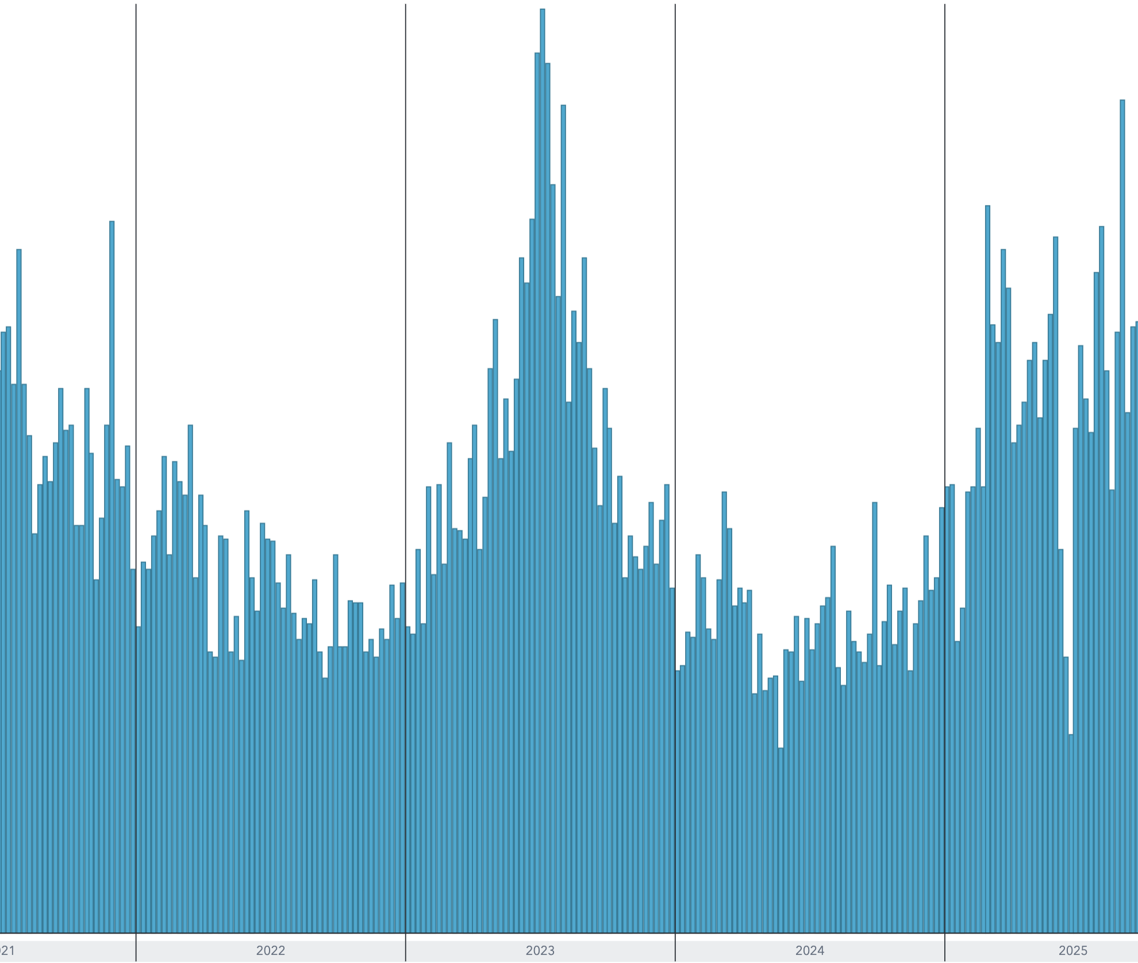

EMS Dispatches Triggered by DORS
 | Daily Dispatches
7-Jul-21
8-Jul-21
9-Jul-21
10-Jul-21 | 0
11-Jul-21 | 0
12-Jul-21 | 0
13-Jul-21 | 0
14-Jul-21 | 0
15-Jul-21 | 0
16-Jul-21 | 0
17-Jul-21 | 0
18-Jul-21 | 0
19-Jul-21 | 0
20-Jul-21 | 0
21-Jul-21 | 0
22-Jul-21 | 0
23-Jul-21 | 0
24-Jul-21 | 0
25-Jul-21 | 0
26-Jul-21 | 0
27-Jul-21 | 0
28-Jul-21 | 0
29-Jul-21 | 0
30-Jul-21 | 0
31-Jul-21 | 0
1-Aug-21 | 0
2-Aug-21 | 0
3-Aug-21 | 0
4-Aug-21 | 0
5-Aug-21 | 0
6-Aug-21 | 0
7-Aug-21 | 0
8-Aug-21 | 0
9-Aug-21 | 0
10-Aug-21 | 0
11-Aug-21 | 0
12-Aug-21 | 0
13-Aug-21 | 0
14-Aug-21 | 0
15-Aug-21 | 0
16-Aug-21 | 0
17-Aug-21 | 0
18-Aug-21 | 0
19-Aug-21 | 0
20-Aug-21 | 0
21-Aug-21 | 0
22-Aug-21 | 0
23-Aug-21 | 0
24-Aug-21 | 0
25-Aug-21 | 0
...

Daily Average Session Extensions
7-Jul-21 | 1
8-Jul-21 | 4
9-Jul-21 | 1
10-Jul-21 | 0
11-Jul-21 | 0
12-Jul-21 | 0
13-Jul-21 | 0
14-Jul-21 | 0
15-Jul-21 | 0
16-Jul-21 | 0
17-Jul-21 | 0
18-Jul-21 | 0
19-Jul-21 | 0
20-Jul-21 | 0
21-Jul-21 | 0
22-Jul-21 | 3.5
23-Jul-21 | 0
24-Jul-21 | 0
25-Jul-21 | 0
26-Jul-21 | 0
27-Jul-21 | 0
28-Jul-21 | 0
29-Jul-21 | 0
30-Jul-21 | 0
31-Jul-21 | 0
1-Aug-21 | 0
2-Aug-21 | 0
3-Aug-21 | 0
4-Aug-21 | 0
5-Aug-21 | 0
6-Aug-21 | 0
7-Aug-21 | 0
8-Aug-21 | 0
9-Aug-21 | 0
10-Aug-21 | 0
11-Aug-21 | 0
12-Aug-21 | 0
13-Aug-21 | 0
14-Aug-21 | 0
15-Aug-21 | 0
16-Aug-21 | 0
17-Aug-21 | 0
18-Aug-21 | 0
19-Aug-21 | 0
20-Aug-21 | 0
21-Aug-21 | 0
22-Aug-21 | 0
23-Aug-21 | 0
24-Aug-21 | 0
25-Aug-21 | 1
...

