Income Statement
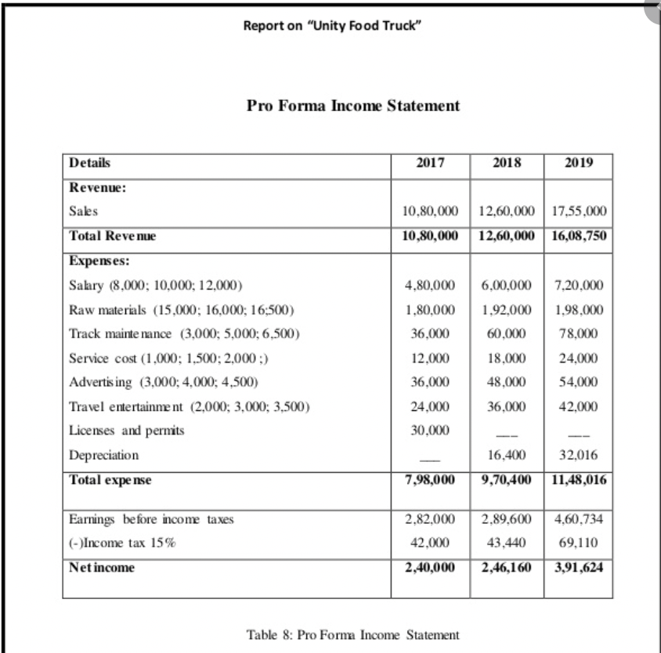
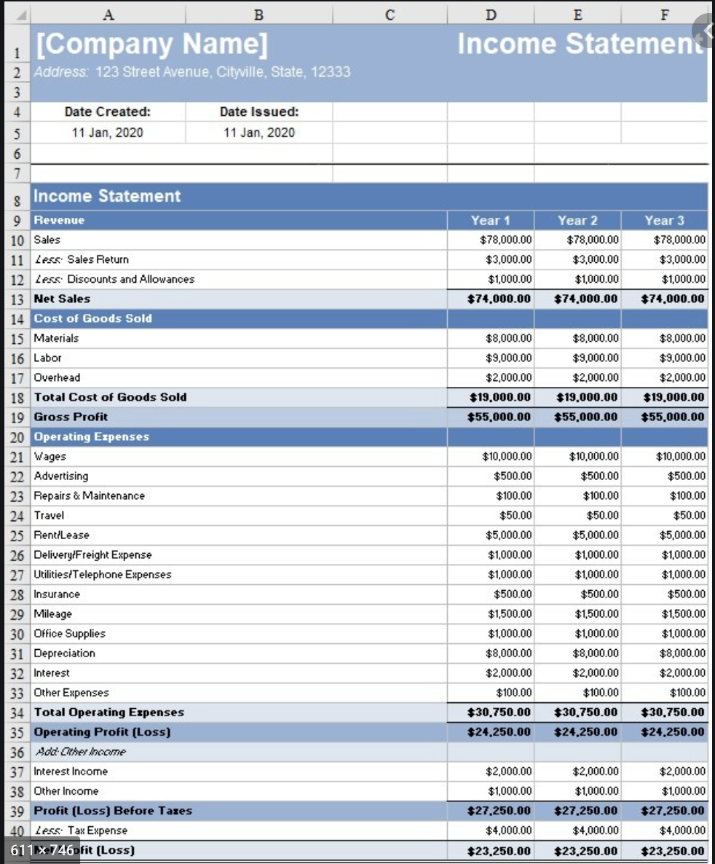
Startup Expenses | $31,805.00 | Breakeven | halfway through month 4 |  | $25,569.47

Revenue | Month 1 | Month 2 | Month 3 | Month 4 | Month 5 | Month 6
Total Sales | $18,885.75 | $19,468.91 | $20,087.35 | $20,705.79 | $21,358.48 | $22,011.17
Less: Discounts
Total Revenue | $18,885.75 | $19,468.91 | $20,087.35 | $20,705.79 | $21,358.48 | $22,011.17
Expenses | Month 1 | Month 2 | Month 3 | Month 4 | Month 5 | Month 6
Cost of Goods Sold | $3,304.21 | $3,410.14 | $3,521.60 | $3,633.07 | $3,749.71 | $3,866.35

Operating Expenses
Depreciation | $322.62 | $322.62 | $322.62 | $322.62 | $322.62 | $322.62
Rent | $800.00 | $800.00 | $800.00 | $800.00 | $800.00 | $800.00
Insurance | $75.00 | $75.00 | $75.00 | $75.00 | $75.00 | $75.00
Quickbooks | $35.00 | $35.00 | $35.00 | $35.00 | $35.00 | $35.00
Monthly Supplies | $425.00 | $437.75 | $450.88 | $464.41 | $478.34 | $492.69
Propane | $200.00 | $200.00 | $200.00 | $200.00 | $200.00 | $200.00
Car Fuel | $200.00 | $200.00 | $200.00 | $200.00 | $200.00 | $200.00
Marketing | $150.00 | $150.00 | $150.00 | $150.00 | $150.00 | $150.00
Total Operating Expenses | $2,207.62 | $2,220.37 | $2,233.50 | $2,247.03 | $2,260.96 | $2,275.31
Total Expenses | $5,511.83 | $5,630.51 | $5,755.10 | $5,880.10 | $6,010.67 | $6,141.66

Earnings before income taxes | $13,373.92 | $13,838.41 | $14,332.25 | $14,825.70 | $15,347.81 | $15,869.51
Income Tax | $2,674.78 | $2,767.68 | $2,866.45 | $2,965.14 | $3,069.56 | $3,173.90
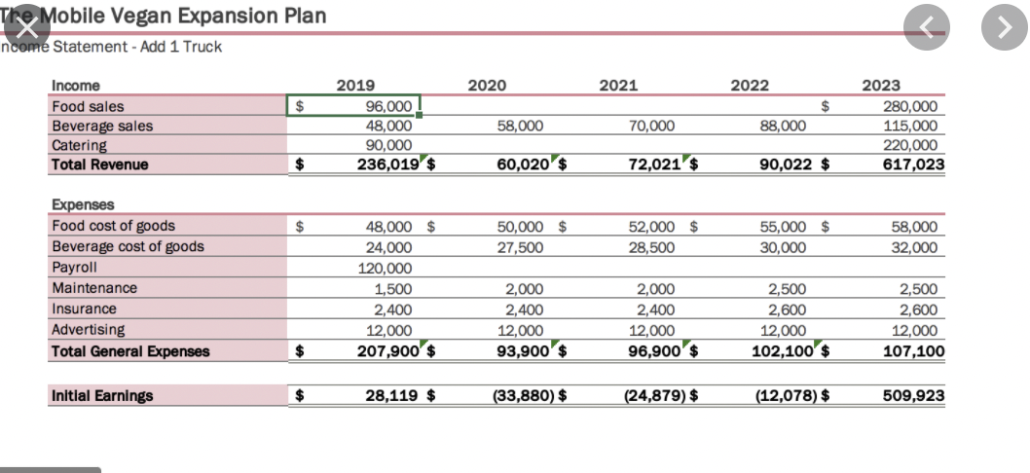
Net Income | $10,699.14 | $11,070.72 | $11,465.80 | $11,860.56 | $12,278.25 | $12,695.61

Cash Flow
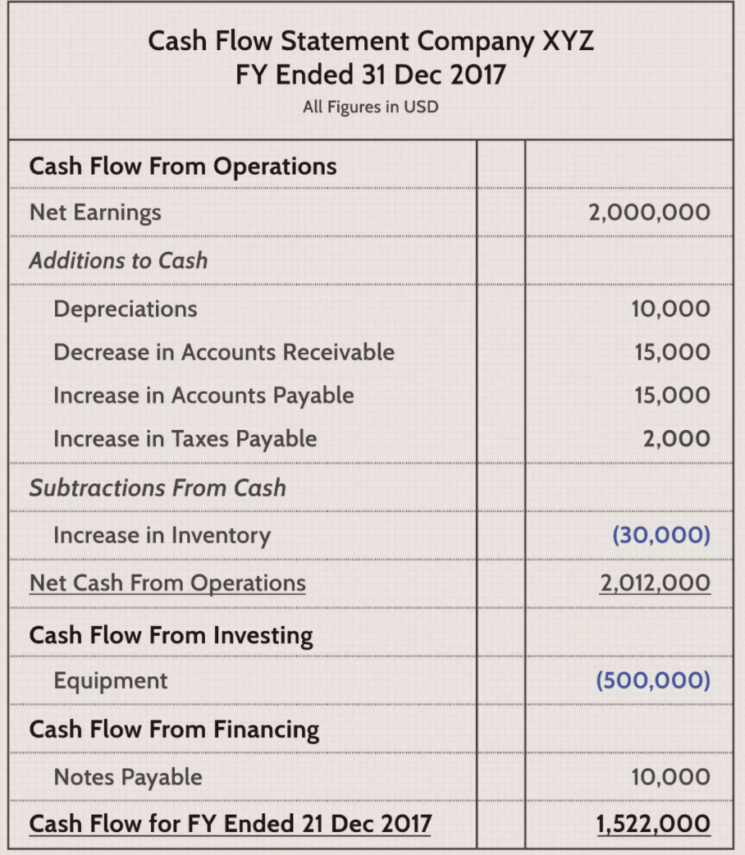
Starting Cash Balance | $40,000

Start Up Expenses | $31,805

Inflows | Month 1 | Month 2 | Month 3 | Month 4 | Month 5 | Month 6
Taquito Sales | $17,025 | $17,539 | $18,087 | $18,635 | $19,216 | $19,797
Merch Sales | $1,350 | $1,404 | $1,458 | $1,512 | $1,566 | $1,620
Tips | $511 | $526 | $543 | $559 | $576 | $594
Total Sales | $18,886 | $19,469 | $20,087 | $20,706 | $21,358 | $22,011

Depreciation | $323 | $323 | $323 | $323 | $323 | $323

Taxes
Total Revenue | $19,208 | $19,792 | $20,410 | $21,028 | $21,681 | $22,334
Outflows | Month 1 | Month 2 | Month 3 | Month 4 | Month 5 | Month 6
Variable
Cost of Goods Sold | $3,304 | $3,410 | $3,522 | $3,633 | $3,750 | $3,866
Monthly Supplies | $425 | $438 | $451 | $464 | $478 | $493
Propane | $200 | $200 | $200 | $200 | $200 | $200
Car Fuel | $200 | $200 | $200 | $200 | $200 | $200
Total Variable | $4,129 | $4,248 | $4,372 | $4,497 | $4,628 | $4,759
Fixed
Marketing | $150 | $150 | $150 | $150 | $150 | $150
Website Domain | $12 | $12 | $12 | $12 | $12 | $12
Accountant | $125 | $125 | $125 | $125 | $125 | $125
Rent | $800 | $800 | $800 | $800 | $800 | $800
Insurance | $75 | $75 | $75 | $75 | $75 | $75
Quickbooks | $35 | $35 | $35 | $35 | $35 | $35
Miscellaneous | $120 | $120 | $120 | $120 | $120 | $120
Total Fixed | $1,317 | $1,317 | $1,317 | $1,317 | $1,317 | $1,317
Total Outflows | $5,446 | $5,565 | $5,689 | $5,814 | $5,945 | $6,076
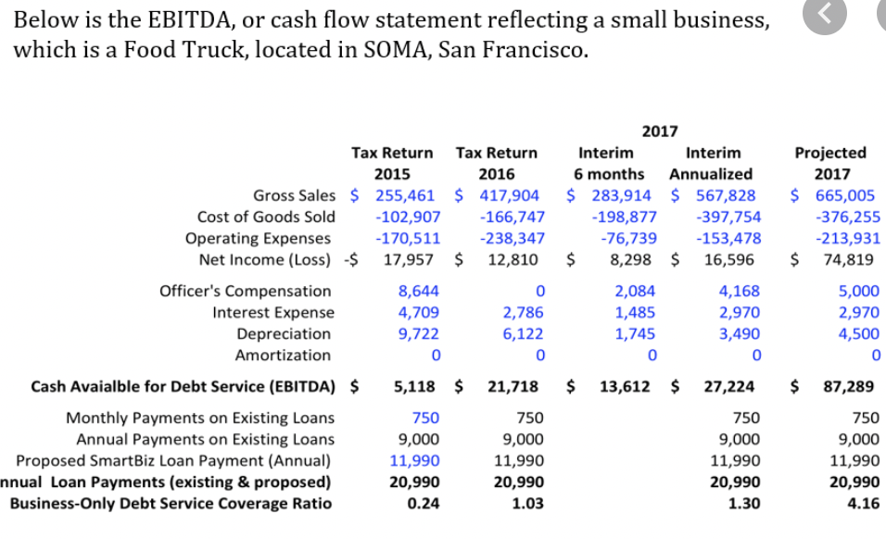
Total Monthly Cash Flows | $13,762 | $14,227 | $14,720 | $15,214 | $15,736 | $16,258

Total Cash on hand | $21,957 | $36,184 | $50,904 | $66,118 | $81,854 | $98,112

Menu Items
 | Unit of measure | For one | Needed | Price Per Unit |  | Unit of measure | For One Pound Meat | Needed | Needed in Tablespoons | Needed in Cups | Needed in oz (weight) | Price Per Unit of Measure | Price Per Taquito | Teaspoon (oz) | 0.166 | Tablespoon (oz) | 0.5
TUCKEDito Original |  |  |  | $0.70 | Pork Carnitas Rub |  |  |  |  |  |  | $5.08 | $0.07
Tortilla | ea | 1 | 500 | $0.13 | Lard | fl oz | 0.6 | 120.00 | 240.00 | 15.00 | #N/A | $0.05 | $0.003
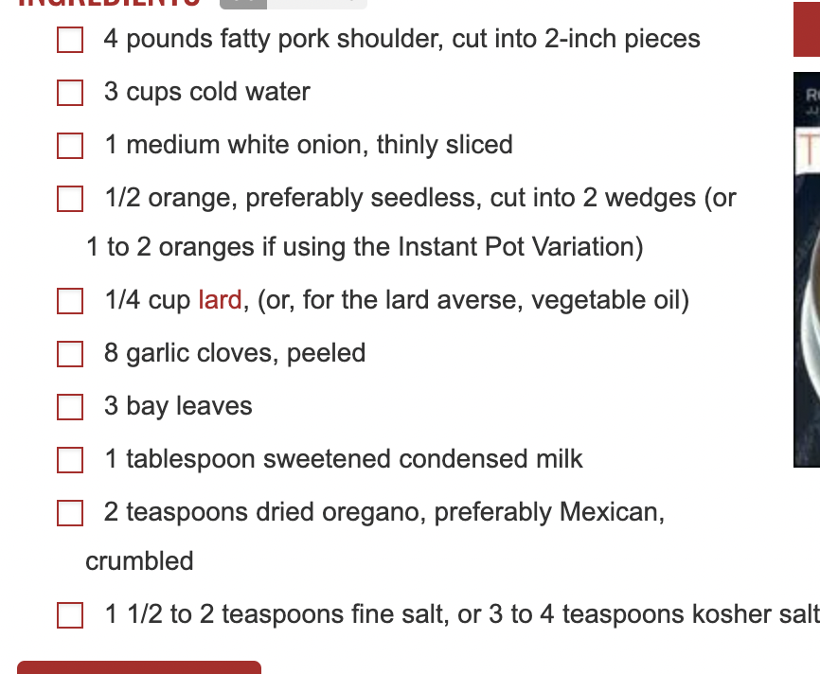
Mexican Blend Cheese | lbs | 0.08 | 40 | $0.24 | Orange | ea | 0.125 | 25.00 | 50.00 | 3.13 | #N/A | $1.00 | $0.013
Onion, Red | lbs | 0.02 | 10 | $0.02 | Garlic Cloves | oz | 0.28 | 56.00 | 112.00 | 7.00 | #N/A | $0.38 | $0.011 | 1 garlic clove is .14 oz
Egg Whites | fl oz | 0.03 | 15 | $0.00 | Condensed Milk | fl oz | 0.25 | 50.00 | 100.00 | 6.25 | #N/A | $0.10 | $0.003
Carnitas | lbs | 0.1 | 50 | $0.20 | Sugar, Brown | fl oz | 0.25 | 50.00 | 100.00 | 6.25 | 457.50 | $0.15 | $0.004
BBQ Sauce | fl oz | 0.5 | 250 | $0.04 | Water | fl oz | 4 | 800.00 | 1600.00 | 100.00 | #N/A | $0.00 | $0.000
Philly |  |  |  | $0.76 | Chipotle Peppers | oz | 0.25 | 50.00 | 100.00 | 6.25 | #N/A | $0.10 | $0.003
Tortilla | ea | 1 | 500 | $0.13 | Onion, white | lbs | 0.15 | 30.00 | 60.00 | 3.75 | #N/A | $1.12 | $0.017
Cream Cheese | lbs | 0.125 | 62.5 | $0.25 | Tomato Paste | fl oz | 0.25 | 50.00 | 100.00 | 6.25 |  | $0.12 | $0.003
Cilantro | ea | 0.02 | 10 | $0.02 | Cumin | fl oz | 0.13 | 25.00 | 50.00 | 3.13 | 84.50 | $0.20 | $0.002
Pineapple | ea | 0.05 | 25 | $0.10 | Oregano | fl oz | 0.12 | 24.00 | 48.00 | 3.00 | 41.04 | $0.16 | $0.002
Carnitas | lbs | 0.1 | 50 | $0.20 | Bay Leaves | fl oz | 0.06 | 12.00 | 24.00 | 1.50 | 15.96 | $0.50 | $0.003
Egg Whites | fl oz | 0.03 | 15 | $0.00 | Salt | fl oz | 0.12 | 24.00 | 48.00 | 3.00 | 209.52 | $0.14 | $0.002
Buffalo Chicken |  |  |  | $0.70 | Chili Powder | fl oz | 0.04 | 8.30 | 16.60 | 1.04 | 31.21 | $0.28 | $0.001
Tortilla | ea | 1 | 500 | $0.13 | Garlic Powder | fl oz | 0.04 | 8.30 | 16.60 | 1.04 | 37.27 | $0.20 | $0.001
Mexican Blend Cheese | lbs | 0.08 | 40 | $0.24 | Onion Powder | fl oz | 0.04 | 8.30 | 16.60 | 1.04 | 31.13 | $0.18 | $0.001
Egg Whites | fl oz | 0.03 | 15 | $0.00 | Paprika | fl oz | 0.02 | 4.15 | 8.30 | 0.52 | 15.94 | $0.19 | $0.000
Chicken | lbs | 0.1 | 50 | $0.20 | Pepper | fl oz | 0.02 | 4.15 | 8.30 | 0.52 | 16.60 | $0.23 | $0.000
Buffalo Sauce | fl oz | 0.5 | 250 | $0.06 | Chicken Ranch Rub |  |  |  |  |  |  | $2.72 | $0.07
Chipotle Chicken |  |  |  | $0.59 | Buttermilk Powder | fl oz | 1.00 | 100.00 | 200.00 | 12.50 | 425.00 | $0.40 | $0.040
Tortilla | ea | 1 | 500 | $0.13 | Parsley | fl oz | 0.25 | 25.00 | 50.00 | 3.13 | 17.25 | $0.10 | $0.003
Mexican Blend Cheese | lbs | 0.08 | 40 | $0.24 | Dill | fl oz | 0.04 | 4.15 | 8.30 | 0.52 | 7.06 | $0.15 | $0.001
Egg Whites | fl oz | 0.03 | 15 | $0.00 | Onion Powder | fl oz | 0.13 | 12.50 | 25.00 | 1.56 | 46.88 | $0.18 | $0.002
Chicken | lbs | 0.1 | 50 | $0.20 | Onion flakes | fl oz | 0.08 | 8.30 | 16.60 | 1.04 | 14.19 | $0.09 | $0.001
Scallions | ea | 0.025 | 12.5 | $0.03 | Garlic Powder | fl oz | 0.06 | 6.23 | 12.45 | 0.78 | 27.95 | $0.20 | $0.001
BBQ Sauce | fl oz | 0.5 | 250 | $0.04 | Salt | fl oz | 0.03 | 3.11 | 6.23 | 0.39 | 27.17 | $0.14 | $0.000
Cheese |  |  |  | $0.55 | Pepper | fl oz | 0.02 | 2.08 | 4.15 | 0.26 | 8.30 | $0.23 | $0.000
Tortilla | ea | 1 | 500 | $0.13 | Chives | fl oz | 0.08 | 8.30 | 16.60 | 1.04 | 28.22 | $1.13 | $0.009
Mexican Blend Cheese | lbs | 0.14 | 70 | $0.42 | Olive Oil | fl oz | 1.00 | 100.00 | 200.00 | 12.50 |  | $0.12 | $0.012
Egg Whites | fl oz | 0.03 | 15 | $0.00 | ***Have to Add chicken Broth if slow cooking
 |  |  |  |  | Breakfast Sausage Blend |  |  |  |  |  |  | $4.00 | $0.02
 |  |  |  |  | Sugar, Brown | fl oz | 0.50 | 0.00 | 0.00 | 0.00 | 0.00 | $0.15 | $0.007
 |  |  |  |  | Salt | fl oz | 0.12 | 0.00 | 0.00 | 0.00 | 0.00 | $0.14 | $0.002
 |  |  |  |  | Pepper | fl oz | 0.08 | 0.00 | 0.00 | 0.00 | 0.00 | $0.23 | $0.002 |  |  | 0.75
 |  |  |  |  | Thyme | fl oz | 0.04 | 0.00 | 0.00 | 0.00 | 0.00 | $0.17 | $0.001 |  |  | 0.0625
 |  |  |  |  | Rosemary | fl oz | 0.04 | 0.00 | 0.00 | 0.00 | 0.00 | $0.24 | $0.001
 |  |  |  |  | Sage | fl oz | 0.08 | 0.00 | 0.00 | 0.00 | 0.00 | $0.10 | $0.001
 |  |  |  |  | Marjoram | fl oz | 0.02 | 0.00 | 0.00 | 0.00 | 0.00 | $0.26 | $0.001
 |  |  |  |  | Nutmeg | fl oz | 0.02 | 0.00 | 0.00 | 0.00 | 0.00 | $0.46 | $0.001
 |  |  |  |  | Smokehouse Maple Seasoning | fl oz | 0.17 | 0.00 | 0.00 | 0.00 | 0.00 | $0.20 | $0.003
 |  |  |  |  | Carnitas Method 2 |  |  |  |  |  |  | $2.07 | $0.00
 |  |  |  |  | Lard | fl oz |  | 0.00 | 0.00 | 0.00 | #N/A | $0.05 | $-
 |  |  |  |  | Orange | ea |  | 0.00 | 0.00 | 0.00 | #N/A | $1.00 | $-
 |  |  |  |  | Garlic Cloves | oz |  | 0.00 | 0.00 | 0.00 | #N/A | $0.38 | $-
 |  |  |  |  | Oregano | fl oz |  | 0.00 | 0.00 | 0.00 | 0.00 | $0.16 | $-
 |  |  |  |  | Condensed Milk | fl oz |  | 0.00 | 0.00 | 0.00 | #N/A | $0.10 | $-
 |  |  |  |  | Sugar, Brown | fl oz |  | 0.00 | 0.00 | 0.00 | 0.00 | $0.15 | $-
 |  |  |  |  | Salt | fl oz |  | 0.00 | 0.00 | 0.00 | 0.00 | $0.14 | $-
 |  |  |  |  | Chipotle Peppers | oz |  | 0.00 | 0.00 | 0.00 | #N/A | $0.10 | $-

