All Stocks
▼ STOCK IDENTIFIERS |  |  | TREND CLASSIFICATION METRICS |  |  | VOL | SIZE | VERTICAL |  | ▲ Click [+] for additional details
Ticker | FX | Name | Score CAPR Click | % Dev from CAPR 30W High Click | % Dev from CAPR 30W Low Click | Annual. Vol. 30w Click | MCap Bn. USD Click | Sector | Industry
NVDA | USD | NVIDIA Corporation | 5 | -2 | 53 | 47 | 4568 | Tech | Semis
MSFT | USD | Microsoft Corporation | 5 | -8 | 15 | 25 | 3846 | Tech | Software Infra
AAPL | USD | Apple Inc. | 4 | -1 | 19 | 38 | 3829 | Tech | Cons Elec
GOOGL | USD | Alphabet Inc. | 5 | -5 | 38 | 33 | 2967 | Comms | Internet
AMZN | USD | Amazon.com, Inc. | 1 | -10 | 2 | 32 | 2341 | Con Cycl | Spec Retail
META | USD | Meta Platforms, Inc. | 2 | -13 | 14 | 37 | 1785 | Comms | Internet
2222 | SAR | Saudi Arabian Oil Company | 0 | -26 | 5 | 16 | 1596 | Energy | O&G Int
AVGO | USD | Broadcom Inc. | 5 | -8 | 78 | 52 | 1590 | Tech | Semis
TSLA | USD | Tesla, Inc. | 4 | -4 | 47 | 52 | 1386 | Con Cycl | Automakers
2330 | TWD | Taiwan Semiconductor Manufacturing Company Limited | 5 | 0 | 43 | 25 | 1194 | Tech | Semis
BRK-B | USD | Berkshire Hathaway Inc. | 1 | -24 | 2 | 18 | 1080 | Finance | Insurance
JPM | USD | JPMorgan Chase & Co. | 5 | -3 | 14 | 31 | 853 | Finance | Banks
WMT | USD | Walmart Inc. | 2 | -12 | 2 | 24 | 814 | Con Disc | Discounters
ORCL | USD | Oracle Corporation | 5 | -8 | 79 | 58 | 803 | Tech | Software Infra
700 | HKD | Tencent Holdings Limited | 5 | 0 | 28 | 26 | 786 | Comms | Internet
LLY | USD | Eli Lilly and Company | 2 | -20 | 28 | 53 | 755 | Health | Drug Makers
V | USD | Visa Inc. | 2 | -16 | 2 | 24 | 674 | Finance | Credit
MA | USD | Mastercard Incorporated | 2 | -13 | 1 | 24 | 521 | Finance | Credit
NFLX | USD | Netflix, Inc. | 3 | -19 | 6 | 33 | 490 | Comms | Entertain
XOM | USD | Exxon Mobil Corporation | 1 | -18 | 2 | 28 | 483 | Energy | O&G Int
JNJ | USD | Johnson & Johnson | 2 | -4 | 15 | 18 | 454 | Health | Drug Makers
9988 | HKD | Alibaba Group Holding Limited | 5 | 0 | 66 | 46 | 442 | Con Cycl | Spec Retail
5930 | KRW | Samsung Electronics Co., Ltd. | 3 | 0 | 44 | 30 | 423 | Tech | Cons Elec
ABBV | USD | AbbVie Inc. | 4 | -5 | 20 | 26 | 413 | Health | Drug Makers
COST | USD | Costco Wholesale Corporation | 2 | -26 | 0 | 18 | 406 | Con Disc | Discounters
ASML | EUR | ASML Holding N.V. | 4 | 0 | 39 | 36 | 405 | Tech | Semis
PLTR | USD | Palantir Technologies Inc. | 5 | -12 | 79 | 62 | 394 | Tech | Software Infra
HD | USD | The Home Depot, Inc. | 1 | -13 | 4 | 21 | 393 | Con Cycl | Home Impr
BAC | USD | Bank of America Corporation | 4 | -4 | 14 | 33 | 375 | Finance | Banks
PG | USD | The Procter & Gamble Company | 0 | -28 | 0 | 17 | 357 | Con Disc | Home prod
1398 | HKD | Industrial and Commercial Bank of China Limited | 2 | -18 | 0 | 16 | 339 | Finance | Banks
UNH | USD | UnitedHealth Group Incorporated | 1 | -51 | 41 | 66 | 326 | Health | Med Plans
MC | EUR | LVMH Moët Hennessy - Louis Vuitton, Société Européenne | 2 | -15 | 15 | 28 | 323 | Con Cycl | Luxury
1288 | HKD | Agricultural Bank of China Limited | 2 | -14 | 0 | 23 | 318 | Finance | Banks
GE | USD | GE Aerospace | 5 | -2 | 37 | 36 | 315 | Indust | Aerospace
SAP | EUR | Sap Se | 2 | -22 | 2 | 28 | 315 | Tech | Software
CVX | USD | Chevron Corporation | 1 | -21 | 1 | 28 | 309 | Energy | O&G Int
NPN | ZAc | Naspers Limited | 5 | 0 | 35 | 26 | 307 | Comms | Internet
ROG | CHF | Roche Holding AG | 1 | -10 | 13 | 32 | 287 | Health | Drug Makers
KO | USD | The Coca-Cola Company | 0 | -26 | 0 | 11 | 287 | Con Disc | Soft Drinks
IBM | USD | International Business Machines Corporation | 3 | -8 | 16 | 27 | 269 | Tech | IT
CSCO | USD | Cisco Systems, Inc. | 0 | -10 | 1 | 28 | 269 | Tech | Comms
AMD | USD | Advanced Micro Devices, Inc. | 4 | -11 | 51 | 48 | 267 | Tech | Semis
RMS | EUR | Hermès International Société en commandite par actions | 1 | -22 | 3 | 29 | 266 | Con Cycl | Luxury
NOVO-B | DKK | Novo Nordisk A/S | 0 | -33 | 17 | 65 | 265 | Health | Biotech
AZN | GBp | AstraZeneca PLC | 3 | -7 | 17 | 31 | 264 | Health | Drug Makers
TMUS | USD | T-Mobile US, Inc. | 2 | -29 | 0 | 30 | 259 | Comms | Telecoms
WFC | USD | Wells Fargo & Company | 3 | -9 | 4 | 34 | 258 | Finance | Banks
NOVN | CHF | Novartis AG | 5 | -5 | 8 | 24 | 256 | Health | Drug Makers
MS | USD | Morgan Stanley | 5 | -3 | 23 | 31 | 252 | Finance | Cap Mkts
7203 | JPY | Toyota Motor Corporation | 0 | -13 | 8 | 29 | 251 | Con Cycl | Automakers
HSBA | GBp | HSBC Holdings plc | 5 | 0 | 20 | 26 | 247 | Finance | Banks
NESN | CHF | Nestlé S.A. | 0 | -28 | 3 | 18 | 240 | Con Disc | Pkg Food
GS | USD | The Goldman Sachs Group, Inc. | 5 | -3 | 30 | 31 | 239 | Finance | Cap Mkts
PM | USD | Philip Morris International Inc. | 2 | -25 | 0 | 24 | 239 | Con Disc | Tobacco
OR | EUR | L'Oréal S.A. | 0 | -13 | 2 | 22 | 236 | Con Disc | Home prod
ABT | USD | Abbott Laboratories | 0 | -17 | 2 | 20 | 234 | Health | Med Devices
CAT | USD | Caterpillar Inc. | 5 | 0 | 37 | 31 | 233 | Indust | Ag Mach
APP | USD | AppLovin Corporation | 5 | 0 | 139 | 68 | 231 | Tech | Software
CRM | USD | Salesforce, Inc. | 0 | -27 | 0 | 31 | 230 | Tech | Software
AXP | USD | American Express Company | 5 | -6 | 9 | 31 | 230 | Finance | Credit
939 | HKD | China Construction Bank Corporation | 2 | -18 | 0 | 22 | 228 | Finance | Banks
RTX | USD | RTX Corporation | 5 | -1 | 12 | 24 | 223 | Indust | Aerospace
MRK | USD | Merck & Co., Inc. | 0 | -18 | 12 | 33 | 223 | Health | Drug Makers
SIE | EUR | Siemens AG | 4 | -5 | 10 | 34 | 222 | Indust | Ind Mach
LIN | USD | Linde plc | 1 | -18 | 0 | 13 | 219 | Materials | Special Chem
3988 | HKD | Bank of China Limited | 2 | -28 | 0 | 19 | 218 | Finance | Banks
MCD | USD | McDonald's Corporation | 0 | -22 | 0 | 15 | 215 | Con Cycl | Restaurants
SHELL | EUR | Shell plc | 1 | -14 | 2 | 27 | 211 | Energy | O&G Int
SHEL | GBp | Shell plc | 1 | -14 | 2 | 27 | 210 | Energy | O&G Int
...
▼ STOCK IDENTIFIERS |  |  | TREND CLASSIFICATION METRICS |  |  | VOL | SIZE | VERTICAL
2317 | TWD | Hon Hai Precision Industry Co., Ltd. | 5 | 0 | 51 | 31 | 103 | Tech | Hardware
VRTX | USD | Vertex Pharmaceuticals Incorporated | 1 | -35 | 5 | 39 | 103 | Health | Biotech
SCCO | USD | Southern Copper Corporation | 5 | 0 | 32 | 42 | 103 | Materials | Copper
CS | EUR | Axa S.A. | 3 | -14 | 0 | 24 | 103 | Finance | Insurance
BNP | EUR | BNP Paribas S.A. | 3 | -7 | 8 | 30 | 102 | Finance | Reg Banks
ZURN | CHF | Zurich Insurance Group AG | 2 | -16 | 0 | 18 | 102 | Finance | Insurance
HCA | USD | HCA Healthcare, Inc. | 5 | -1 | 22 | 27 | 101 | Health | Med care
7974 | JPY | Nintendo Co., Ltd. | 3 | -16 | 6 | 38 | 100 | Tech | Gaming
1299 | HKD | AIA Group Limited | 3 | -4 | 21 | 34 | 100 | Finance | Life Ins
MSTR | USD | MicroStrategy Incorporated | 3 | -28 | 12 | 46 | 100 | Tech | Software
Click here to upgrade your subscription to unlock 2000+ more stock data
...

Leading Trends
...
▼ STOCK IDENTIFIERS |  |  | TREND CLASSIFICATION METRICS |  |  | VOL | SIZE | VERTICAL
AIR | EUR | Airbus SE | 5 | 0 | 28 | 33 | 189 | Indust | Aerospace
LRCX | USD | Lam Research Corporation | 5 | 0 | 90 | 50 | 185 | Tech | Semis
AMAT | USD | Applied Materials, Inc. | 5 | 0 | 32 | 45 | 173 | Tech | Semis
PRX | EUR | Prosus N.V. | 5 | 0 | 42 | 30 | 162 | Comms | Internet
KLAC | USD | KLA Corporation | 5 | 0 | 47 | 43 | 145 | Tech | Semis
ABBN | CHF | ABB Ltd | 5 | 0 | 19 | 26 | 135 | Indust | Electrical
HOOD | USD | Robinhood Markets, Inc. | 5 | 0 | 230 | 76 | 132 | Finance | Cap Mkts
IBKR | USD | Interactive Brokers Group, Inc. | 5 | 0 | 48 | 46 | 119 | Finance | Investment - Banking & Investment Services
2899 | HKD | Zijin Mining Group Company Limited | 5 | 0 | 77 | 40 | 114 | Materials | Gold
2317 | TWD | Hon Hai Precision Industry Co., Ltd. | 5 | 0 | 51 | 31 | 103 | Tech | Hardware
Click here to upgrade your subscription to unlock 2000+ more stock data
SCCO | USD | Southern Copper Corporation | 5 | 0 | 32 | 42 | 103 | Materials | Copper

Emerging Trends
▼ STOCK IDENTIFIERS |  |  | TREND CLASSIFICATION METRICS |  |  | VOL | SIZE | VERTICAL
Ticker | FX | Name | Score CAPR Click | % Dev from CAPR 30W High Click | % Dev from CAPR 30W Low Click | Annual. Vol. 30w Click | MCap Bn USD Click | Sector | Industry
5930 | KRW | Samsung Electronics Co., Ltd. | 3 | 0 | 44 | 30 | 423 | Tech | Cons Elec
ASML | EUR | ASML Holding N.V. | 4 | 0 | 39 | 36 | 405 | Tech | Semis
SHOP | CAD | Shopify Inc. | 4 | 0 | 61 | 71 | 209 | Tech | Software
INTC | USD | Intel Corporation | 3 | 0 | 77 | 63 | 161 | Tech | Semis
Click here to upgrade your subscription to unlock 2000+ more stock data
TD | CAD | The Toronto-Dominion Bank | 4 | 0 | 19 | 14 | 141 | Finance | Banks

Weakening Trends
...
▼ STOCK IDENTIFIERS |  |  | TREND CLASSIFICATION METRICS |  |  | VOL | SIZE | VERTICAL
LIN | USD | Linde plc | 1 | -18 | 0 | 13 | 219 | Materials | Special Chem
3988 | HKD | Bank of China Limited | 2 | -28 | 0 | 19 | 218 | Finance | Banks
T | USD | AT&T Inc. | 2 | -20 | 0 | 17 | 193 | Comms | Telecoms
BSX | USD | Boston Scientific Corporation | 2 | -20 | 0 | 24 | 144 | Health | Med Devices
SYK | USD | Stryker Corporation | 1 | -17 | 0 | 20 | 142 | Health | Med Devices
TTE | EUR | TotalEnergies SE | 1 | -19 | 0 | 27 | 132 | Energy | O&G Int
BHARTIARTL | INR | Bharti Airtel Limited | 2 | -22 | 0 | 20 | 122 | Comms | Telecoms
AI | EUR | L'Air Liquide S.A. | 1 | -17 | 0 | 14 | 116 | Materials | Special Chem
MELI | USD | MercadoLibre, Inc. | 2 | -25 | 0 | 34 | 110 | Con Cycl | Spec Retail
ICICIBANK | INR | ICICI Bank Limited | 1 | -25 | 0 | 19 | 110 | Finance | Reg Banks
Click here to upgrade your subscription to unlock 2000+ more stock data

Bear Trends
...
▼ STOCK IDENTIFIERS |  |  | TREND CLASSIFICATION METRICS |  |  | VOL | SIZE | VERTICAL
TXN | USD | Texas Instruments Incorporated | 0 | -23 | 0 | 42 | 164 | Tech | Semis
SPGI | USD | S&P Global Inc. | 0 | -20 | 0 | 23 | 146 | Finance | Exchanges
ADBE | USD | Adobe Inc. | 0 | -26 | 0 | 31 | 145 | Tech | Software Infra
ULVR | GBp | Unilever PLC | 0 | -25 | 0 | 13 | 145 | Con Disc | Home prod
HON | USD | Honeywell International Inc. | 0 | -18 | 0 | 23 | 133 | Indust | Conglom
DE | USD | Deere & Company | 0 | -22 | 0 | 24 | 125 | Indust | Ag Mach
ABI | EUR | Anheuser-Busch InBev SA/NV | 0 | -27 | 0 | 29 | 119 | Con Disc | Alcohol
TCS | INR | Tata Consultancy Services Limited | 0 | -34 | 0 | 21 | 118 | Tech | IT
ADP | USD | Automatic Data Processing, Inc. | 0 | -21 | 0 | 18 | 118 | Indust | Staffing
CMCSA | USD | Comcast Corporation | 0 | -28 | 0 | 21 | 114 | Comms | Telecoms
Click here to upgrade your subscription to unlock 2000+ more stock data

Insights
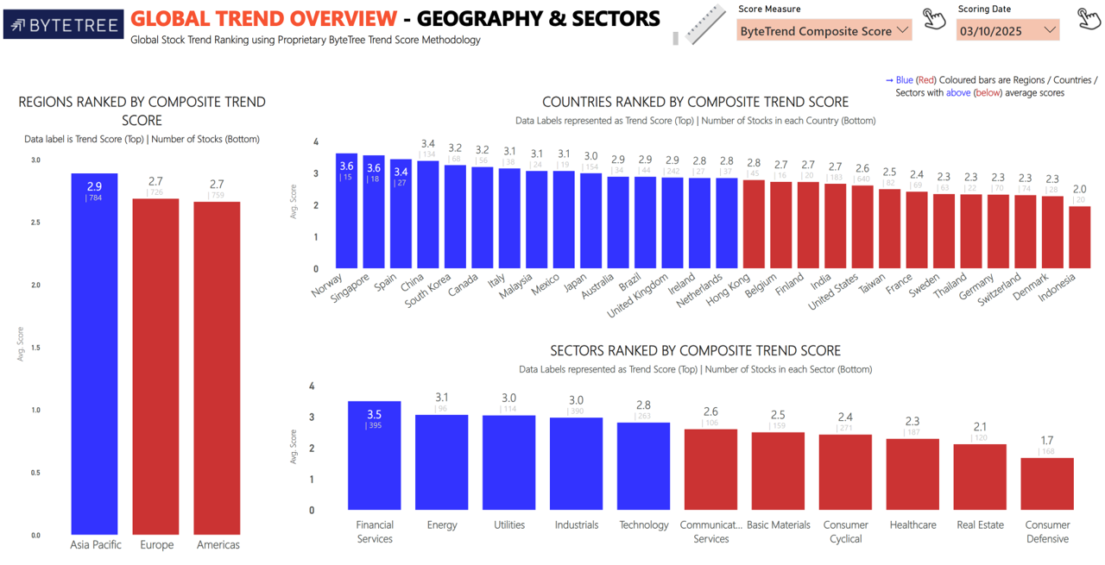
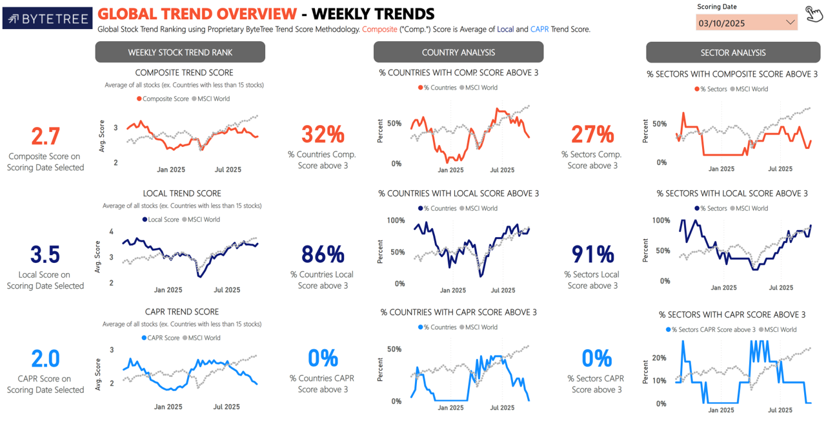
Import Images

