All Stocks
▼ STOCK IDENTIFIERS |  |  | TREND CLASSIFICATION METRICS |  |  | VOL | SIZE | VERTICAL |  | ▲ Click [+] for additional details
Ticker | FX | Name | Score CAPR Click | % Dev from CAPR 30W High Click | % Dev from CAPR 30W Low Click | Annual. Vol. 30w Click | MCap Bn. USD Click | Sector | Industry
NVDA | USD | NVIDIA Corporation | 4 | -13 | 28 | 34 | 4297 | Tech | Technology Hardware & Equipment
AAPL | USD | Apple Inc. | 5 | -1 | 27 | 29 | 4113 | Tech | Technology Hardware & Equipment
GOOGL | USD | Alphabet Inc. | 5 | 0 | 77 | 31 | 3864 | Tech | Technology Software & Services
MSFT | USD | Microsoft Corporation | 2 | -14 | 1 | 17 | 3657 | Tech | Technology Software & Services
AMZN | USD | Amazon.com, Inc. | 4 | -6 | 7 | 27 | 2493 | Con Cycl | General Retail & Consumer Goods
AVGO | USD | Broadcom Inc. | 5 | 0 | 64 | 38 | 1895 | Tech | Technology Hardware & Equipment
META | USD | Meta Platforms, Inc. | 2 | -22 | 5 | 32 | 1633 | Tech | Technology Software & Services
2222 | SAR | Saudi Arabian Oil Company | 1 | -14 | 4 | 16 | 1589 | Energy | Energy Producers & Services
TSLA | USD | Tesla, Inc. | 5 | -6 | 30 | 48 | 1385 | Con Cycl | Automotive & Parts
2330 | TWD | Taiwan Semiconductor Manufacturing Company Limited | 5 | -6 | 26 | 20 | 1189 | Tech | Technology Hardware & Equipment
BRK-B | USD | Berkshire Hathaway Inc. | 1 | -16 | 7 | 14 | 1108 | Finance | Insurance & Reinsurance
LLY | USD | Eli Lilly and Company | 5 | -2 | 62 | 49 | 963 | Health | Healthcare & Life Sciences
WMT | USD | Walmart Inc. | 4 | -3 | 9 | 20 | 881 | Con Disc | Food & Beverage Retail & Distribution
JPM | USD | JPMorgan Chase & Co. | 5 | -3 | 6 | 19 | 852 | Finance | Banking & Lending
700 | HKD | Tencent Holdings Limited | 4 | -11 | 15 | 24 | 713 | Comms | Technology Software & Services
V | USD | Visa Inc. | 1 | -20 | 0 | 18 | 649 | Finance | Banking & Lending
ORCL | USD | Oracle Corporation | 3 | -36 | 14 | 60 | 565 | Tech | Technology Software & Services
JNJ | USD | Johnson & Johnson | 3 | -1 | 25 | 16 | 497 | Health | Healthcare & Life Sciences
MA | USD | Mastercard Incorporated | 1 | -18 | 0 | 19 | 494 | Finance | Banking & Lending
XOM | USD | Exxon Mobil Corporation | 1 | -9 | 4 | 23 | 489 | Energy | Energy Producers & Services
5930 | KRW | Samsung Electronics Co., Ltd. | 4 | -9 | 51 | 30 | 458 | Tech | Technology Hardware & Equipment
NFLX | USD | Netflix, Inc. | 2 | -26 | 0 | 27 | 456 | Comms | Media & Entertainment
ASML | EUR | ASML Holding N.V. | 5 | -1 | 39 | 37 | 409 | Tech | Technology Hardware & Equipment
COST | USD | Costco Wholesale Corporation | 1 | -23 | 0 | 13 | 405 | Con Disc | Food & Beverage Retail & Distribution
ABBV | USD | AbbVie Inc. | 4 | -7 | 16 | 20 | 402 | Health | Healthcare & Life Sciences
BAC | USD | Bank of America Corporation | 4 | -1 | 10 | 23 | 392 | Finance | Banking & Lending
PLTR | USD | Palantir Technologies Inc. | 5 | -16 | 21 | 53 | 386 | Tech | Technology Software & Services
1398 | HKD | Industrial and Commercial Bank of China Limited | 4 | -5 | 11 | 17 | 370 | Finance | Banking & Lending
MC | EUR | LVMH Moët Hennessy - Louis Vuitton, Société Européenne | 3 | -2 | 29 | 26 | 366 | Con Cycl | Home & Lifestyle Products
9988 | HKD | Alibaba Group Holding Limited | 4 | -19 | 34 | 43 | 361 | Con Cycl | General Retail & Consumer Goods
HD | USD | The Home Depot, Inc. | 0 | -19 | 0 | 23 | 355 | Con Cycl | Home & Lifestyle Products
AMD | USD | Advanced Micro Devices, Inc. | 5 | -15 | 78 | 61 | 353 | Tech | Technology Hardware & Equipment
PG | USD | The Procter & Gamble Company | 0 | -22 | 0 | 15 | 346 | Con Disc | Home & Lifestyle Products
KO | USD | The Coca-Cola Company | 1 | -11 | 8 | 11 | 315 | Con Disc | Food & Beverage Producers
GE | USD | GE Aerospace | 5 | -4 | 17 | 25 | 315 | Indust | Advanced Industrial Systems
ROG | CHF | Roche Holding AG | 2 | -5 | 19 | 31 | 305 | Health | Healthcare & Life Sciences
CSCO | USD | Cisco Systems, Inc. | 5 | -3 | 12 | 25 | 304 | Tech | Technology Hardware & Equipment
CVX | USD | Chevron Corporation | 0 | -10 | 0 | 20 | 303 | Energy | Energy Producers & Services
UNH | USD | UnitedHealth Group Incorporated | 1 | -26 | 28 | 54 | 299 | Health | Healthcare & Life Sciences
IBM | USD | International Business Machines Corporation | 4 | -2 | 23 | 27 | 288 | Tech | Technology Software & Services
AZN | GBp | AstraZeneca PLC | 4 | -2 | 25 | 28 | 287 | Health | Healthcare & Life Sciences
SAP | EUR | SAP SE | 2 | -31 | 0 | 20 | 282 | Tech | Technology Software & Services
WFC | USD | Wells Fargo & Company | 4 | -4 | 7 | 28 | 279 | Finance | Banking & Lending
857 | HKD | PetroChina Company Limited | 5 | -4 | 32 | 22 | 274 | Energy | Energy Producers & Services
CAT | USD | Caterpillar Inc. | 5 | 0 | 50 | 28 | 270 | Indust | Environmental & Infrastructure Services
MS | USD | Morgan Stanley | 5 | 0 | 19 | 23 | 270 | Finance | Investment & Advisory
MU | USD | Micron Technology, Inc. | 5 | -5 | 133 | 60 | 264 | Tech | Technology Hardware & Equipment
MRK | USD | Merck & Co., Inc. | 3 | 0 | 30 | 33 | 263 | Health | Healthcare & Life Sciences
1288 | HKD | Agricultural Bank of China Limited | 5 | -7 | 11 | 25 | 262 | Finance | Banking & Lending
7203 | JPY | Toyota Motor Corporation | 2 | -8 | 11 | 24 | 262 | Con Cycl | Automotive & Parts
GS | USD | The Goldman Sachs Group, Inc. | 5 | 0 | 24 | 24 | 259 | Finance | Investment & Advisory
NESN | CHF | Nestlé S.A. | 0 | -20 | 8 | 25 | 256 | Con Disc | Food & Beverage Producers
RMS | EUR | Hermès International Société en commandite par actions | 1 | -26 | 1 | 30 | 255 | Con Cycl | Home & Lifestyle Products
AXP | USD | American Express Company | 5 | -3 | 15 | 27 | 255 | Finance | Banking & Lending
939 | HKD | China Construction Bank Corporation | 3 | -10 | 9 | 20 | 252 | Finance | Banking & Lending
NOVN | CHF | Novartis AG | 2 | -5 | 5 | 20 | 249 | Health | Healthcare & Life Sciences
660 | KRW | SK hynix Inc. | 5 | -11 | 124 | 52 | 249 | Tech | Technology Hardware & Equipment
...
▼ STOCK IDENTIFIERS |  |  | TREND CLASSIFICATION METRICS |  |  | VOL | SIZE | VERTICAL
ADP | USD | Automatic Data Processing, Inc. | 0 | -31 | 0 | 16 | 103 | Indust | Business Support & Outsourcing
1120 | SAR | Al Rajhi Banking and Investment Corporation | 1 | -16 | 0 | 20 | 102 | Finance | Banking & Lending
ZURN | CHF | Zurich Insurance Group AG | 2 | -13 | 3 | 11 | 102 | Finance | Insurance & Reinsurance
CVS | USD | CVS Health Corporation | 3 | -4 | 25 | 23 | 102 | Health | Healthcare & Life Sciences
1088 | HKD | China Shenhua Energy Company Limited | 5 | -9 | 23 | 31 | 102 | Energy | Energy Producers & Services
CME | USD | CME Group Inc. | 1 | -16 | 6 | 16 | 101 | Finance | Investment & Advisory
SBIN | INR | State Bank of India | 5 | -3 | 14 | 13 | 101 | Finance | Banking & Lending
SO | USD | The Southern Company | 1 | -13 | 0 | 12 | 100 | Utility | Utilities & Clean Energy
BMY | USD | Bristol-Myers Squibb Company | 1 | -10 | 12 | 26 | 100 | Health | Healthcare & Life Sciences
2317 | TWD | Hon Hai Precision Industry Co., Ltd. | 5 | -14 | 30 | 27 | 100 | Tech | Technology Hardware & Equipment
Click here to upgrade your subscription to unlock 2000+ more stock data
...

Leading Trends
▼ STOCK IDENTIFIERS |  |  | TREND CLASSIFICATION METRICS |  |  | VOL | SIZE | VERTICAL
Ticker | FX | Name | Score CAPR Click | % Dev from CAPR 30W High Click | % Dev from CAPR 30W Low Click | Annual. Vol 30w Click | MCap Bn USD Click | Sector | Industry
GOOGL | USD | Alphabet Inc. | 5 | 0 | 77 | 31 | 3864 | Tech | Technology Software & Services
AVGO | USD | Broadcom Inc. | 5 | 0 | 64 | 38 | 1895 | Tech | Technology Hardware & Equipment
MS | USD | Morgan Stanley | 5 | 0 | 19 | 23 | 270 | Finance | Investment & Advisory
GS | USD | The Goldman Sachs Group, Inc. | 5 | 0 | 24 | 24 | 259 | Finance | Investment & Advisory
AMAT | USD | Applied Materials, Inc. | 5 | 0 | 49 | 38 | 201 | Tech | Technology Hardware & Equipment
WELL | USD | Welltower Inc. | 5 | 0 | 27 | 18 | 143 | Real Est | Property & REITs
ADI | USD | Analog Devices, Inc. | 5 | 0 | 14 | 34 | 131 | Tech | Technology Hardware & Equipment
8316 | JPY | Sumitomo Mitsui Financial Group, Inc. | 5 | 0 | 17 | 26 | 116 | Finance | Banking & Lending
Click here to upgrade your subscription to unlock 2000+ more stock data
ENR | EUR | Siemens Energy AG | 5 | 0 | 39 | 36 | 106 | Indust | Construction & Engineering

Emerging Trends
▼ STOCK IDENTIFIERS |  |  | TREND CLASSIFICATION METRICS |  |  | VOL | SIZE | VERTICAL
Ticker | FX | Name | Score CAPR Click | % Dev from CAPR 30W High Click | % Dev from CAPR 30W Low Click | Annual. Vol. 30w Click | MCap Bn USD Click | Sector | Industry
MRK | USD | Merck & Co., Inc. | 3 | 0 | 30 | 33 | 263 | Health | Healthcare & Life Sciences
INTC | USD | Intel Corporation | 3 | 0 | 92 | 61 | 178 | Tech | Technology Hardware & Equipment
Click here to upgrade your subscription to unlock 2000+ more stock data
MDT | USD | Medtronic plc | 3 | 0 | 16 | 21 | 135 | Health | Healthcare & Life Sciences

Weakening Trends
▼ STOCK IDENTIFIERS |  |  | TREND CLASSIFICATION METRICS |  |  | VOL | SIZE | VERTICAL
Ticker | FX | Name | Score CAPR Click | % Dev from CAPR 30W High Click | % Dev from CAPR 30W Low Click | Annual. Vol. 30w Click | MCap Bn USD Click | Sector | Industry
MA | USD | Mastercard Incorporated | 1 | -18 | 0 | 19 | 494 | Finance | Banking & Lending
NFLX | USD | Netflix, Inc. | 2 | -26 | 0 | 27 | 456 | Comms | Media & Entertainment
SAP | EUR | SAP SE | 2 | -31 | 0 | 20 | 282 | Tech | Technology Software & Services
TMUS | USD | T-Mobile US, Inc. | 1 | -27 | 0 | 24 | 234 | Comms | Telecom & Network Providers
CBA | AUD | Commonwealth Bank of Australia | 1 | -24 | 0 | 22 | 167 | Finance | Banking & Lending
BKNG | USD | Booking Holdings Inc. | 2 | -22 | 0 | 22 | 158 | Con Cycl | Leisure & Hospitality
SPOT | USD | Spotify Technology S.A. | 2 | -29 | 0 | 35 | 123 | Comms | Technology Software & Services
AI | EUR | L'Air Liquide S.A. | 1 | -21 | 0 | 12 | 110 | Materials | Chemicals & Commodities
Click here to upgrade your subscription to unlock 2000+ more stock data

Bear Trends
...
▼ STOCK IDENTIFIERS |  |  | TREND CLASSIFICATION METRICS |  |  | VOL | SIZE | VERTICAL
CRM | USD | Salesforce, Inc. | 0 | -30 | 0 | 28 | 221 | Tech | Technology Software & Services
LIN | USD | Linde plc | 0 | -23 | 0 | 14 | 192 | Materials | Chemicals & Commodities
DIS | USD | The Walt Disney Company | 0 | -22 | 0 | 27 | 188 | Comms | Media & Entertainment
INTU | USD | Intuit Inc. | 0 | -27 | 0 | 27 | 177 | Tech | Technology Software & Services
NOW | USD | ServiceNow, Inc. | 0 | -31 | 0 | 26 | 169 | Tech | Technology Software & Services
SCHW | USD | The Charles Schwab Corporation | 0 | -11 | 0 | 15 | 169 | Finance | Investment & Advisory
BLK | USD | BlackRock, Inc. | 0 | -13 | 0 | 21 | 162 | Finance | Investment & Advisory
ADBE | USD | Adobe Inc. | 0 | -33 | 0 | 25 | 134 | Tech | Technology Software & Services
HON | USD | Honeywell International Inc. | 0 | -26 | 0 | 22 | 122 | Indust | Diversified Holdings
ADP | USD | Automatic Data Processing, Inc. | 0 | -31 | 0 | 16 | 103 | Indust | Business Support & Outsourcing
Click here to upgrade your subscription to unlock 2000+ more stock data

Insights
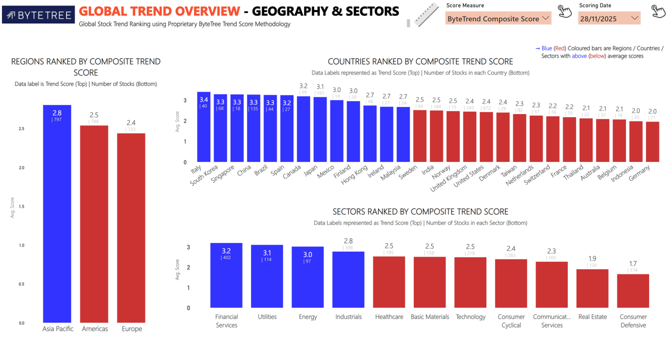
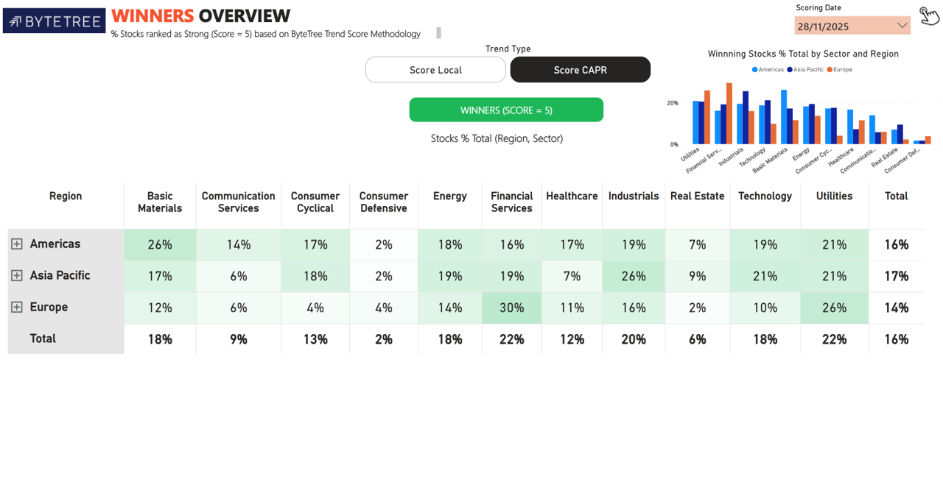

Import Images

