All Stocks
▼ STOCK IDENTIFIERS |  |  | TREND CLASSIFICATION METRICS |  |  | VOL | SIZE | VERTICAL |  | ▲ Click [+] for additional details
Ticker | FX | Name | Score CAPR Click | % Dev from CAPR 30W High Click | % Dev from CAPR 30W Low Click | Annual. Vol. 30w Click | MCap Bn. USD Click | Sector | Industry
NVDA | USD | NVIDIA Corporation | 3 | -11 | 11 | 29 | 4501 | Tech | Technology Hardware & Equipment
GOOGL | USD | Alphabet Inc. | 5 | 0 | 70 | 29 | 3965 | Tech | Technology Software & Services
AAPL | USD | Apple Inc. | 3 | -10 | 15 | 26 | 3833 | Tech | Technology Hardware & Equipment
MSFT | USD | Microsoft Corporation | 1 | -18 | 0 | 17 | 3562 | Tech | Technology Software & Services
AMZN | USD | Amazon.com, Inc. | 5 | -3 | 11 | 28 | 2644 | Con Cycl | General Retail & Consumer Goods
META | USD | Meta Platforms, Inc. | 2 | -23 | 3 | 30 | 1646 | Tech | Technology Software & Services
AVGO | USD | Broadcom Inc. | 4 | -16 | 19 | 40 | 1626 | Tech | Technology Hardware & Equipment
2222 | SAR | Saudi Arabian Oil Company | 0 | -16 | 0 | 14 | 1525 | Energy | Energy Producers & Services
TSLA | USD | Tesla, Inc. | 5 | -10 | 31 | 37 | 1433 | Con Cycl | Automotive & Parts
2330 | TWD | Taiwan Semiconductor Manufacturing Company Limited | 5 | 0 | 33 | 22 | 1378 | Tech | Technology Hardware & Equipment
BRK-B | USD | Berkshire Hathaway Inc. | 0 | -11 | 2 | 13 | 1077 | Finance | Insurance & Reinsurance
LLY | USD | Eli Lilly and Company | 5 | -6 | 56 | 45 | 955 | Health | Healthcare & Life Sciences
WMT | USD | Walmart Inc. | 5 | -4 | 10 | 20 | 913 | Con Disc | Food & Beverage Retail & Distribution
JPM | USD | JPMorgan Chase & Co. | 5 | 0 | 7 | 18 | 896 | Finance | Banking & Lending
700 | HKD | Tencent Holdings Limited | 3 | -13 | 12 | 24 | 712 | Comms | Technology Software & Services
V | USD | Visa Inc. | 1 | -12 | 3 | 17 | 679 | Finance | Banking & Lending
5930 | KRW | Samsung Electronics Co., Ltd. | 5 | 0 | 91 | 33 | 638 | Tech | Technology Hardware & Equipment
ORCL | USD | Oracle Corporation | 2 | -39 | 2 | 54 | 561 | Tech | Technology Software & Services
XOM | USD | Exxon Mobil Corporation | 3 | -5 | 9 | 20 | 526 | Energy | Energy Producers & Services
MA | USD | Mastercard Incorporated | 1 | -11 | 3 | 18 | 517 | Finance | Banking & Lending
JNJ | USD | Johnson & Johnson | 3 | -6 | 21 | 17 | 492 | Health | Healthcare & Life Sciences
ASML | EUR | ASML Holding N.V. | 5 | 0 | 63 | 40 | 491 | Tech | Technology Hardware & Equipment
COST | USD | Costco Wholesale Corporation | 1 | -19 | 7 | 17 | 411 | Con Disc | Food & Beverage Retail & Distribution
BAC | USD | Bank of America Corporation | 4 | -2 | 12 | 20 | 408 | Finance | Banking & Lending
PLTR | USD | Palantir Technologies Inc. | 4 | -14 | 21 | 53 | 405 | Tech | Technology Software & Services
ABBV | USD | AbbVie Inc. | 3 | -12 | 9 | 19 | 389 | Health | Healthcare & Life Sciences
MU | USD | Micron Technology, Inc. | 5 | 0 | 194 | 58 | 386 | Tech | Technology Hardware & Equipment
NFLX | USD | Netflix, Inc. | 2 | -40 | 0 | 28 | 379 | Comms | Media & Entertainment
MC | EUR | LVMH Moët Hennessy - Louis Vuitton, Société Européenne | 3 | -1 | 30 | 24 | 377 | Con Cycl | Home & Lifestyle Products
HD | USD | The Home Depot, Inc. | 0 | -16 | 7 | 24 | 373 | Con Cycl | Home & Lifestyle Products
660 | KRW | SK hynix Inc. | 5 | 0 | 162 | 55 | 352 | Tech | Technology Hardware & Equipment
1398 | HKD | Industrial and Commercial Bank of China Limited | 2 | -10 | 6 | 18 | 351 | Finance | Banking & Lending
9988 | HKD | Alibaba Group Holding Limited | 4 | -24 | 26 | 43 | 349 | Con Cycl | General Retail & Consumer Goods
GE | USD | GE Aerospace | 5 | -1 | 18 | 22 | 339 | Indust | Advanced Industrial Systems
ROG | CHF | Roche Holding AG | 4 | 0 | 29 | 30 | 339 | Health | Healthcare & Life Sciences
PG | USD | The Procter & Gamble Company | 0 | -22 | 0 | 13 | 332 | Con Disc | Home & Lifestyle Products
AMD | USD | Advanced Micro Devices, Inc. | 5 | -23 | 36 | 61 | 330 | Tech | Technology Hardware & Equipment
CVX | USD | Chevron Corporation | 1 | -5 | 7 | 20 | 324 | Energy | Energy Producers & Services
WFC | USD | Wells Fargo & Company | 5 | -1 | 17 | 25 | 312 | Finance | Banking & Lending
UNH | USD | UnitedHealth Group Incorporated | 2 | -8 | 31 | 44 | 312 | Health | Healthcare & Life Sciences
KO | USD | The Coca-Cola Company | 1 | -11 | 2 | 12 | 303 | Con Disc | Food & Beverage Producers
MS | USD | Morgan Stanley | 5 | 0 | 22 | 19 | 296 | Finance | Investment & Advisory
AZN | GBp | AstraZeneca PLC | 5 | -1 | 25 | 28 | 296 | Health | Healthcare & Life Sciences
GS | USD | The Goldman Sachs Group, Inc. | 5 | 0 | 27 | 21 | 295 | Finance | Investment & Advisory
CSCO | USD | Cisco Systems, Inc. | 3 | -8 | 6 | 24 | 292 | Tech | Technology Hardware & Equipment
CAT | USD | Caterpillar Inc. | 5 | 0 | 48 | 28 | 289 | Indust | Environmental & Infrastructure Services
SAP | EUR | SAP SE | 2 | -27 | 3 | 19 | 288 | Tech | Technology Software & Services
IBM | USD | International Business Machines Corporation | 3 | -6 | 18 | 26 | 284 | Tech | Technology Software & Services
7203 | JPY | Toyota Motor Corporation | 3 | -3 | 16 | 24 | 280 | Con Cycl | Automotive & Parts
MRK | USD | Merck & Co., Inc. | 4 | 0 | 35 | 32 | 278 | Health | Healthcare & Life Sciences
HSBA | GBp | HSBC Holdings plc | 5 | -2 | 21 | 22 | 275 | Finance | Banking & Lending
LRCX | USD | Lam Research Corporation | 5 | 0 | 108 | 43 | 274 | Tech | Technology Hardware & Equipment
NOVN | CHF | Novartis AG | 5 | 0 | 12 | 20 | 273 | Health | Healthcare & Life Sciences
RMS | EUR | Hermès International Société en commandite par actions | 1 | -19 | 4 | 28 | 270 | Con Cycl | Home & Lifestyle Products
NOVO-B | DKK | Novo Nordisk A/S | 0 | -30 | 26 | 65 | 264 | Health | Healthcare & Life Sciences
AXP | USD | American Express Company | 5 | -4 | 16 | 25 | 262 | Finance | Banking & Lending
857 | HKD | PetroChina Company Limited | 5 | -13 | 11 | 24 | 255 | Energy | Energy Producers & Services
...
▼ STOCK IDENTIFIERS |  |  | TREND CLASSIFICATION METRICS |  |  | VOL | SIZE | VERTICAL
CEG | USD | Constellation Energy Corporation | 4 | -15 | 6 | 28 | 107 | Utility | Utilities & Clean Energy
AI | EUR | L'Air Liquide S.A. | 0 | -23 | 0 | 12 | 107 | Materials | Chemicals & Commodities
1120 | SAR | Al Rajhi Banking and Investment Corporation | 0 | -13 | 2 | 20 | 106 | Finance | Banking & Lending
1088 | HKD | China Shenhua Energy Company Limited | 5 | -8 | 23 | 31 | 105 | Energy | Energy Producers & Services
CMCSA | USD | Comcast Corporation | 0 | -28 | 9 | 23 | 103 | Comms | Telecom & Network Providers
ZURN | CHF | Zurich Insurance Group AG | 2 | -9 | 1 | 12 | 103 | Finance | Insurance & Reinsurance
SBIN | INR | State Bank of India | 5 | -4 | 13 | 12 | 102 | Finance | Banking & Lending
HOOD | USD | Robinhood Markets, Inc. | 4 | -25 | 26 | 65 | 102 | Finance | Investment & Advisory
MCK | USD | McKesson Corporation | 4 | -11 | 12 | 22 | 102 | Health | Healthcare & Life Sciences
CVS | USD | CVS Health Corporation | 3 | -7 | 22 | 22 | 102 | Health | Healthcare & Life Sciences
Click here to upgrade your subscription to unlock 2000+ more stock data
...

Leading Trends
...
▼ STOCK IDENTIFIERS |  |  | TREND CLASSIFICATION METRICS |  |  | VOL | SIZE | VERTICAL
SCCO | USD | Southern Copper Corporation | 5 | 0 | 70 | 38 | 139 | Materials | Metals & Mining
2899 | HKD | Zijin Mining Group Company Limited | 5 | 0 | 74 | 40 | 130 | Materials | Metals & Mining
8316 | JPY | Sumitomo Mitsui Financial Group, Inc. | 5 | 0 | 26 | 26 | 128 | Finance | Banking & Lending
D05 | SGD | DBS Group Holdings Ltd | 5 | 0 | 17 | 16 | 127 | Finance | Banking & Lending
ENR | EUR | Siemens Energy AG | 5 | 0 | 33 | 34 | 125 | Indust | Construction & Engineering
9983 | JPY | Fast Retailing Co., Ltd. | 5 | 0 | 24 | 34 | 122 | Con Cycl | General Retail & Consumer Goods
NEM | USD | Newmont Corporation | 5 | 0 | 72 | 36 | 119 | Materials | Metals & Mining
PH | USD | Parker-Hannifin Corporation | 5 | 0 | 22 | 21 | 118 | Indust | Construction & Engineering
INVE-B | SEK | Investor AB (publ) | 5 | 0 | 17 | 14 | 113 | Finance | Investment & Advisory
INVE-A | SEK | Investor AB (publ) | 5 | 0 | 17 | 15 | 113 | Finance | Investment & Advisory
Click here to upgrade your subscription to unlock 2000+ more stock data
8035 | JPY | Tokyo Electron Limited | 5 | 0 | 65 | 52 | 110 | Tech | Technology Hardware & Equipment

Emerging Trends
▼ STOCK IDENTIFIERS |  |  | TREND CLASSIFICATION METRICS |  |  | VOL | SIZE | VERTICAL
Ticker | FX | Name | Score CAPR Click | % Dev from CAPR 30W High Click | % Dev from CAPR 30W Low Click | Annual. Vol. 30w Click | MCap Bn USD Click | Sector | Industry
ROG | CHF | Roche Holding AG | 4 | 0 | 29 | 30 | 339 | Health | Healthcare & Life Sciences
MRK | USD | Merck & Co., Inc. | 4 | 0 | 35 | 32 | 278 | Health | Healthcare & Life Sciences
INTC | USD | Intel Corporation | 4 | 0 | 110 | 64 | 217 | Tech | Technology Hardware & Equipment
BHP | AUD | BHP Group Limited | 3 | 0 | 20 | 22 | 162 | Materials | Construction & Engineering
LMT | USD | Lockheed Martin Corporation | 2 | 0 | 20 | 25 | 127 | Indust | Advanced Industrial Systems
Click here to upgrade your subscription to unlock 2000+ more stock data
BMY | USD | Bristol-Myers Squibb Company | 3 | 0 | 25 | 25 | 114 | Health | Healthcare & Life Sciences

Weakening Trends
▼ STOCK IDENTIFIERS |  |  | TREND CLASSIFICATION METRICS |  |  | VOL | SIZE | VERTICAL
Ticker | FX | Name | Score CAPR Click | % Dev from CAPR 30W High Click | % Dev from CAPR 30W Low Click | Annual. Vol. 30w Click | MCap Bn USD Click | Sector | Industry
MSFT | USD | Microsoft Corporation | 1 | -18 | 0 | 17 | 3562 | Tech | Technology Software & Services
NFLX | USD | Netflix, Inc. | 2 | -40 | 0 | 28 | 379 | Comms | Media & Entertainment
SHELL | EUR | Shell plc | 1 | -14 | 0 | 15 | 202 | Energy | Energy Producers & Services
SHEL | GBp | Shell plc | 1 | -14 | 0 | 15 | 201 | Energy | Energy Producers & Services
T | USD | AT&T Inc. | 1 | -24 | 0 | 16 | 170 | Comms | Telecom & Network Providers
ETN | USD | Eaton Corporation plc | 1 | -24 | 0 | 23 | 126 | Indust | Construction & Engineering
1810 | HKD | Xiaomi Corporation | 2 | -43 | 0 | 34 | 126 | Tech | Technology Hardware & Equipment
SPOT | USD | Spotify Technology S.A. | 2 | -38 | 0 | 36 | 110 | Comms | Technology Software & Services
Click here to upgrade your subscription to unlock 2000+ more stock data

Bear Trends
▼ STOCK IDENTIFIERS |  |  | TREND CLASSIFICATION METRICS |  |  | VOL | SIZE | VERTICAL
Ticker | FX | Name | Score CAPR Click | % Dev from CAPR 30W High Click | % Dev from CAPR 30W Low Click | Annual. Vol. 30w Click | MCap Bn USD Click | Sector | Industry
2222 | SAR | Saudi Arabian Oil Company | 0 | -16 | 0 | 14 | 1525 | Energy | Energy Producers & Services
PG | USD | The Procter & Gamble Company | 0 | -22 | 0 | 13 | 332 | Con Disc | Home & Lifestyle Products
PEP | USD | PepsiCo, Inc. | 0 | -12 | 0 | 19 | 191 | Con Disc | Food & Beverage Producers
HDFCBANK | INR | HDFC Bank Limited | 0 | -21 | 0 | 14 | 160 | Finance | Banking & Lending
6758 | JPY | Sony Group Corporation | 0 | -22 | 0 | 30 | 148 | Tech | Technology Hardware & Equipment
NOW | USD | ServiceNow, Inc. | 0 | -39 | 0 | 29 | 147 | Tech | Technology Software & Services
1211 | HKD | BYD Company Limited | 0 | -35 | 0 | 31 | 114 | Con Cycl | Automotive & Parts
AI | EUR | L'Air Liquide S.A. | 0 | -23 | 0 | 12 | 107 | Materials | Chemicals & Commodities
Click here to upgrade your subscription to unlock 2000+ more stock data

Insights
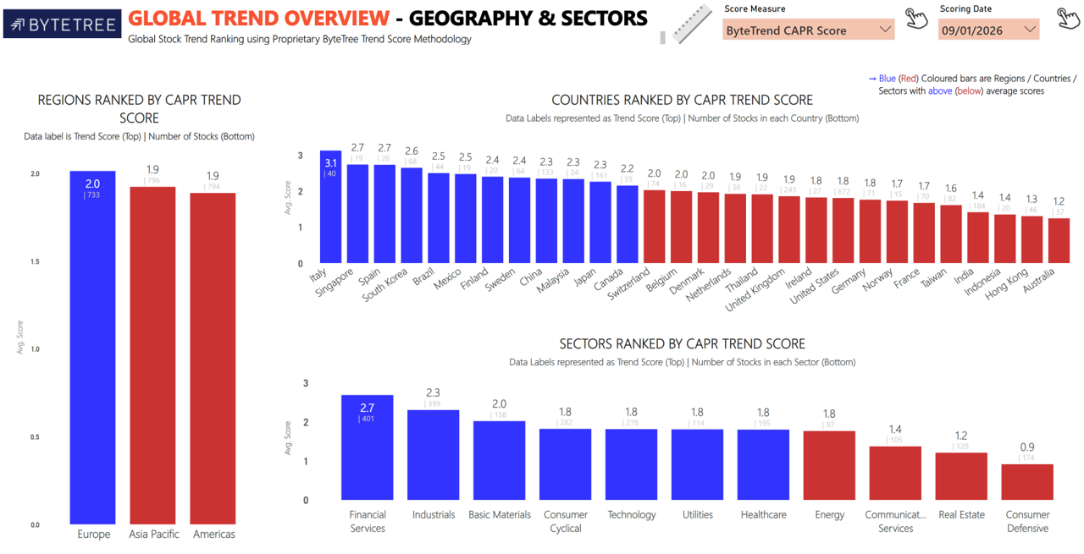
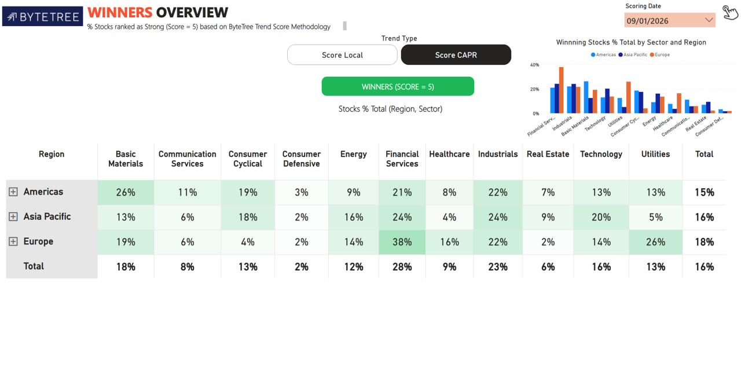

Import Images

