All Stocks
▼ STOCK IDENTIFIERS |  |  | TREND CLASSIFICATION METRICS |  |  | VOL | SIZE | VERTICAL |  | ▲ Click [+] for additional details
Ticker | FX | Name | Score CAPR Click | % Dev from CAPR 30W High Click | % Dev from CAPR 30W Low Click | Annual. Vol. 30w Click | MCap Bn. USD Click | Sector | Industry
NVDA | USD | NVIDIA Corporation | 2 | -12 | 2 | 26 | 4451 | Tech | Technology Hardware & Equipment
AAPL | USD | Apple Inc. | 3 | -11 | 13 | 30 | 3759 | Tech | Technology Hardware & Equipment
GOOGL | USD | Alphabet Inc. | 5 | -9 | 45 | 30 | 3698 | Tech | Technology Software & Services
MSFT | USD | Microsoft Corporation | 0 | -31 | 0 | 21 | 2980 | Tech | Technology Software & Services
AMZN | USD | Amazon.com, Inc. | 0 | -22 | 0 | 33 | 2134 | Con Cycl | General Retail & Consumer Goods
2222 | SAR | Saudi Arabian Oil Company | 1 | -5 | 10 | 14 | 1677 | Energy | Energy Producers & Services
META | USD | Meta Platforms, Inc. | 2 | -24 | 3 | 34 | 1613 | Tech | Technology Software & Services
2330 | TWD | Taiwan Semiconductor Manufacturing Company Limited | 5 | 0 | 53 | 23 | 1582 | Tech | Technology Hardware & Equipment
AVGO | USD | Broadcom Inc. | 3 | -21 | 3 | 42 | 1542 | Tech | Technology Hardware & Equipment
TSLA | USD | Tesla, Inc. | 2 | -15 | 23 | 38 | 1388 | Con Cycl | Automotive & Parts
BRK-B | USD | Berkshire Hathaway Inc. | 0 | -8 | 4 | 15 | 1073 | Finance | Insurance & Reinsurance
WMT | USD | Walmart Inc. | 5 | 0 | 29 | 23 | 1067 | Con Disc | General Retail & Consumer Goods
LLY | USD | Eli Lilly and Company | 5 | -8 | 53 | 45 | 932 | Health | Healthcare & Life Sciences
5930 | KRW | Samsung Electronics Co., Ltd. | 5 | 0 | 143 | 36 | 839 | Tech | Technology Hardware & Equipment
JPM | USD | JPMorgan Chase & Co. | 2 | -8 | 2 | 21 | 824 | Finance | Banking & Lending
XOM | USD | Exxon Mobil Corporation | 5 | 0 | 31 | 19 | 626 | Energy | Energy Producers & Services
700 | HKD | Tencent Holdings Limited | 2 | -24 | 0 | 27 | 614 | Comms | Technology Software & Services
V | USD | Visa Inc. | 0 | -19 | 0 | 18 | 606 | Finance | Banking & Lending
JNJ | USD | Johnson & Johnson | 4 | 0 | 34 | 18 | 587 | Health | Healthcare & Life Sciences
ASML | EUR | ASML Holding N.V. | 5 | -1 | 83 | 37 | 549 | Tech | Technology Hardware & Equipment
MU | USD | Micron Technology, Inc. | 5 | 0 | 250 | 56 | 463 | Tech | Technology Hardware & Equipment
MA | USD | Mastercard Incorporated | 0 | -19 | 0 | 20 | 463 | Finance | Banking & Lending
ORCL | USD | Oracle Corporation | 1 | -50 | 13 | 56 | 460 | Tech | Technology Software & Services
COST | USD | Costco Wholesale Corporation | 4 | -5 | 18 | 21 | 452 | Con Disc | Food & Beverage Retail & Distribution
660 | KRW | SK hynix Inc. | 5 | -2 | 213 | 55 | 421 | Tech | Technology Hardware & Equipment
ABBV | USD | AbbVie Inc. | 4 | -7 | 13 | 18 | 409 | Health | Healthcare & Life Sciences
HD | USD | The Home Depot, Inc. | 0 | -13 | 11 | 23 | 389 | Con Cycl | Home & Lifestyle Products
BAC | USD | Bank of America Corporation | 4 | -7 | 6 | 24 | 384 | Finance | Banking & Lending
9988 | HKD | Alibaba Group Holding Limited | 5 | -20 | 24 | 45 | 380 | Con Cycl | General Retail & Consumer Goods
PG | USD | The Procter & Gamble Company | 2 | -6 | 14 | 16 | 374 | Con Disc | Home & Lifestyle Products
ROG | CHF | Roche Holding AG | 4 | 0 | 42 | 29 | 373 | Health | Healthcare & Life Sciences
CVX | USD | Chevron Corporation | 3 | 0 | 22 | 18 | 367 | Energy | Energy Producers & Services
1398 | HKD | Industrial and Commercial Bank of China Limited | 3 | -4 | 10 | 20 | 366 | Finance | Banking & Lending
CAT | USD | Caterpillar Inc. | 5 | 0 | 77 | 31 | 363 | Indust | Environmental & Infrastructure Services
KO | USD | The Coca-Cola Company | 3 | 0 | 14 | 14 | 338 | Con Disc | Food & Beverage Producers
AMD | USD | Advanced Micro Devices, Inc. | 4 | -21 | 27 | 65 | 338 | Tech | Technology Hardware & Equipment
GE | USD | GE Aerospace | 5 | -3 | 10 | 25 | 333 | Indust | Advanced Industrial Systems
NFLX | USD | Netflix, Inc. | 1 | -43 | 0 | 25 | 326 | Comms | Media & Entertainment
7203 | JPY | Toyota Motor Corporation | 5 | 0 | 24 | 27 | 322 | Con Cycl | Automotive & Parts
AZN | GBp | AstraZeneca PLC | 5 | 0 | 33 | 28 | 320 | Health | Healthcare & Life Sciences
NOVN | CHF | Novartis AG | 5 | 0 | 29 | 19 | 311 | Health | Healthcare & Life Sciences
CSCO | USD | Cisco Systems, Inc. | 5 | -9 | 10 | 29 | 304 | Tech | Technology Hardware & Equipment
MRK | USD | Merck & Co., Inc. | 4 | 0 | 48 | 33 | 303 | Health | Healthcare & Life Sciences
MC | EUR | LVMH Moët Hennessy - Louis Vuitton, Société Européenne | 1 | -20 | 5 | 28 | 303 | Con Cycl | Home & Lifestyle Products
PLTR | USD | Palantir Technologies Inc. | 2 | -36 | 0 | 56 | 300 | Tech | Technology Software & Services
LRCX | USD | Lam Research Corporation | 5 | 0 | 123 | 44 | 294 | Tech | Technology Hardware & Equipment
PM | USD | Philip Morris International Inc. | 4 | 0 | 28 | 30 | 292 | Con Disc | Home & Lifestyle Products
HSBA | GBp | HSBC Holdings plc | 5 | -4 | 26 | 23 | 290 | Finance | Banking & Lending
857 | HKD | PetroChina Company Limited | 5 | -3 | 21 | 26 | 284 | Energy | Energy Producers & Services
AMAT | USD | Applied Materials, Inc. | 5 | 0 | 105 | 41 | 282 | Tech | Technology Hardware & Equipment
GS | USD | The Goldman Sachs Group, Inc. | 5 | -6 | 16 | 19 | 274 | Finance | Investment & Advisory
WFC | USD | Wells Fargo & Company | 3 | -9 | 6 | 29 | 273 | Finance | Banking & Lending
MS | USD | Morgan Stanley | 5 | -9 | 12 | 21 | 272 | Finance | Investment & Advisory
RTX | USD | RTX Corporation | 5 | -1 | 22 | 24 | 269 | Indust | Advanced Industrial Systems
RMS | EUR | Hermès International Société en commandite par actions | 1 | -17 | 6 | 29 | 267 | Con Cycl | Home & Lifestyle Products
NESN | CHF | Nestlé S.A. | 1 | -8 | 12 | 27 | 267 | Con Disc | Food & Beverage Producers
UNH | USD | UnitedHealth Group Incorporated | 0 | -22 | 11 | 52 | 266 | Health | Healthcare & Life Sciences
...
▼ STOCK IDENTIFIERS |  |  | TREND CLASSIFICATION METRICS |  |  | VOL | SIZE | VERTICAL
INTU | USD | Intuit Inc. | 0 | -54 | 0 | 39 | 111 | Tech | Technology Software & Services
ENEL | EUR | Enel S.p.A. | 5 | -1 | 18 | 13 | 111 | Utility | Utilities & Clean Energy
BSX | USD | Boston Scientific Corporation | 1 | -37 | 0 | 34 | 111 | Health | Healthcare & Life Sciences
7011 | JPY | Mitsubishi Heavy Industries, Ltd. | 5 | 0 | 33 | 39 | 111 | Indust | Construction & Engineering
ADBE | USD | Adobe Inc. | 0 | -35 | 0 | 29 | 110 | Tech | Technology Software & Services
PRX | EUR | Prosus N.V. | 1 | -33 | 0 | 28 | 110 | Comms | Technology Software & Services
1088 | HKD | China Shenhua Energy Company Limited | 5 | -4 | 18 | 27 | 109 | Energy | Energy Producers & Services
CME | USD | CME Group Inc. | 4 | -3 | 16 | 19 | 109 | Finance | Investment & Advisory
AEM | CAD | Agnico Eagle Mines Limited | 5 | 0 | 57 | 39 | 109 | Materials | Metals & Mining
CRWD | USD | CrowdStrike Holdings, Inc. | 2 | -24 | 9 | 37 | 108 | Tech | Technology Software & Services
Click here to upgrade your subscription to unlock 2000+ more stock data
...

Leading Trends
...
▼ STOCK IDENTIFIERS |  |  | TREND CLASSIFICATION METRICS |  |  | VOL | SIZE | VERTICAL
PH | USD | Parker-Hannifin Corporation | 5 | 0 | 32 | 20 | 126 | Indust | Construction & Engineering
8035 | JPY | Tokyo Electron Limited | 5 | 0 | 89 | 51 | 126 | Tech | Technology Hardware & Equipment
8411 | JPY | Mizuho Financial Group, Inc. | 5 | 0 | 58 | 32 | 124 | Finance | Banking & Lending
INVE-B | SEK | Investor AB (publ) | 5 | 0 | 28 | 16 | 123 | Finance | Investment & Advisory
8058 | JPY | Mitsubishi Corporation | 5 | 0 | 50 | 27 | 123 | Indust | Diversified Holdings
SBIN | INR | State Bank of India | 5 | 0 | 35 | 21 | 122 | Finance | Banking & Lending
INVE-A | SEK | Investor AB (publ) | 5 | 0 | 26 | 17 | 121 | Finance | Investment & Advisory
HCA | USD | HCA Healthcare, Inc. | 5 | 0 | 48 | 25 | 121 | Health | Healthcare & Life Sciences
GLW | USD | Corning Incorporated | 5 | 0 | 122 | 38 | 114 | Tech | Technology Hardware & Equipment
7011 | JPY | Mitsubishi Heavy Industries, Ltd. | 5 | 0 | 33 | 39 | 111 | Indust | Construction & Engineering
Click here to upgrade your subscription to unlock 2000+ more stock data
AEM | CAD | Agnico Eagle Mines Limited | 5 | 0 | 57 | 39 | 109 | Materials | Metals & Mining

Emerging Trends
...
▼ STOCK IDENTIFIERS |  |  | TREND CLASSIFICATION METRICS |  |  | VOL | SIZE | VERTICAL
FEMSAUBD | MXN | Fomento Económico Mexicano, S.A.B. de C.V. | 4 | 0 | 27 | 22 | 202 | Con Disc | Food & Beverage Producers
NEE | USD | NextEra Energy, Inc. | 3 | 0 | 27 | 23 | 195 | Utility | Utilities & Clean Energy
BHP | AUD | BHP Group Limited | 4 | 0 | 32 | 23 | 184 | Materials | Construction & Engineering
DE | USD | Deere & Company | 4 | 0 | 28 | 24 | 163 | Indust | Environmental & Infrastructure Services
PFE | USD | Pfizer Inc. | 3 | 0 | 14 | 29 | 157 | Health | Healthcare & Life Sciences
ABI | EUR | Anheuser-Busch InBev SA/NV | 3 | 0 | 30 | 30 | 156 | Con Disc | Food & Beverage Producers
UNP | USD | Union Pacific Corporation | 3 | 0 | 17 | 19 | 155 | Indust | Transport & Logistics
COP | USD | ConocoPhillips | 3 | 0 | 24 | 26 | 138 | Energy | Energy Producers & Services
PLD | USD | Prologis, Inc. | 3 | 0 | 23 | 23 | 129 | Real Est | Property & REITs
ENB | CAD | Enbridge Inc. | 4 | 0 | 18 | 16 | 118 | Energy | Energy Producers & Services
Click here to upgrade your subscription to unlock 2000+ more stock data
386 | HKD | China Petroleum & Chemical Corporation | 4 | 0 | 27 | 22 | 114 | Energy | Energy Producers & Services

Weakening Trends
...
▼ STOCK IDENTIFIERS |  |  | TREND CLASSIFICATION METRICS |  |  | VOL | SIZE | VERTICAL
700 | HKD | Tencent Holdings Limited | 2 | -24 | 0 | 27 | 614 | Comms | Technology Software & Services
NFLX | USD | Netflix, Inc. | 1 | -43 | 0 | 25 | 326 | Comms | Media & Entertainment
PLTR | USD | Palantir Technologies Inc. | 2 | -36 | 0 | 56 | 300 | Tech | Technology Software & Services
UBER | USD | Uber Technologies, Inc. | 1 | -33 | 0 | 29 | 145 | Tech | Technology Software & Services
PDD | USD | PDD Holdings Inc. | 1 | -29 | 0 | 38 | 140 | Con Cycl | General Retail & Consumer Goods
BKNG | USD | Booking Holdings Inc. | 1 | -32 | 0 | 27 | 133 | Con Cycl | Leisure & Hospitality
APP | USD | AppLovin Corporation | 2 | -47 | 0 | 70 | 132 | Tech | Technology Software & Services
COF | USD | Capital One Financial Corporation | 2 | -18 | 0 | 27 | 132 | Finance | Banking & Lending
BSX | USD | Boston Scientific Corporation | 1 | -37 | 0 | 34 | 111 | Health | Healthcare & Life Sciences
PRX | EUR | Prosus N.V. | 1 | -33 | 0 | 28 | 110 | Comms | Technology Software & Services
Click here to upgrade your subscription to unlock 2000+ more stock data

Bear Trends
...
▼ STOCK IDENTIFIERS |  |  | TREND CLASSIFICATION METRICS |  |  | VOL | SIZE | VERTICAL
MA | USD | Mastercard Incorporated | 0 | -19 | 0 | 20 | 463 | Finance | Banking & Lending
DIS | USD | The Walt Disney Company | 0 | -20 | 0 | 18 | 187 | Comms | Media & Entertainment
CRM | USD | Salesforce, Inc. | 0 | -35 | 0 | 36 | 181 | Tech | Technology Software & Services
SCHW | USD | The Charles Schwab Corporation | 0 | -12 | 0 | 20 | 170 | Finance | Investment & Advisory
HDFCBANK | INR | HDFC Bank Limited | 0 | -23 | 0 | 14 | 153 | Finance | Banking & Lending
ACN | USD | Accenture plc | 0 | -27 | 0 | 31 | 139 | Tech | Technology Software & Services
SPGI | USD | S&P Global Inc. | 0 | -33 | 0 | 30 | 124 | Finance | Investment & Advisory
SAN | EUR | Sanofi | 0 | -16 | 0 | 26 | 112 | Health | Healthcare & Life Sciences
INTU | USD | Intuit Inc. | 0 | -54 | 0 | 39 | 111 | Tech | Technology Software & Services
ADBE | USD | Adobe Inc. | 0 | -35 | 0 | 29 | 110 | Tech | Technology Software & Services
Click here to upgrade your subscription to unlock 2000+ more stock data

Insights
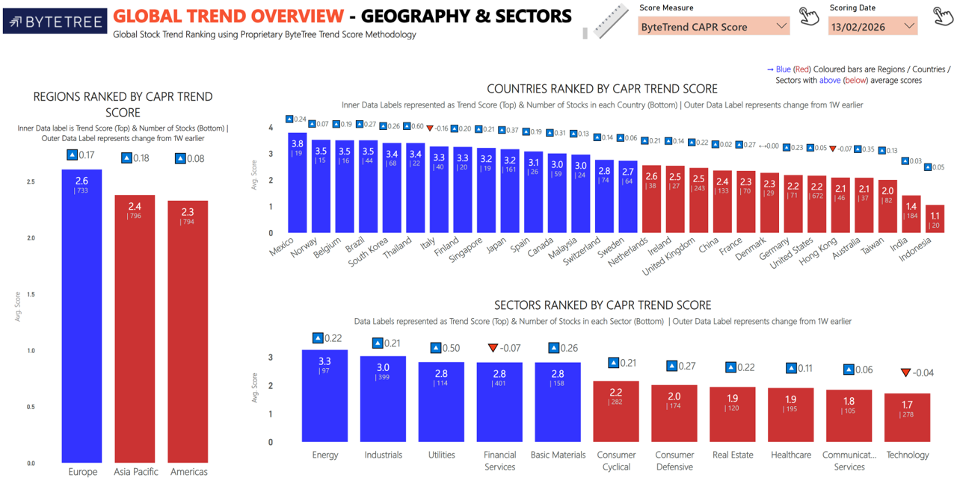
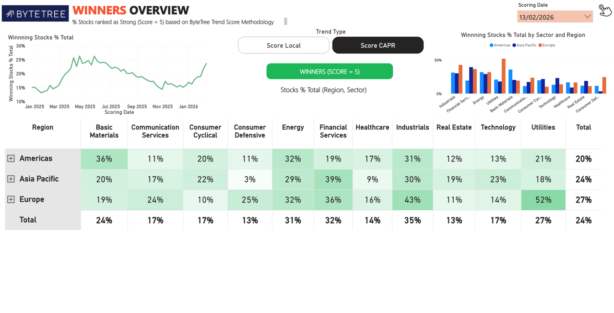
Import Images

