All Stocks
▼ STOCK IDENTIFIERS |  |  | TREND CLASSIFICATION METRICS |  |  | VOL | SIZE | VERTICAL |  | ▲ Click [+] for additional details
Ticker | FX | Name | Score CAPR Click | % Dev from CAPR 30W High Click | % Dev from CAPR 30W Low Click | Annual. Vol. 30w Click | MCap Bn. USD Click | Sector | Industry
NVDA | USD | NVIDIA Corporation | 2 | -10 | 7 | 27 | 4381 | Tech | Technology Hardware & Equipment
AAPL | USD | Apple Inc. | 3 | -10 | 7 | 24 | 3676 | Tech | Technology Hardware & Equipment
GOOGL | USD | Alphabet Inc. | 5 | -6 | 42 | 30 | 3657 | Comms | Technology Software & Services
MSFT | USD | Microsoft Corporation | 0 | -24 | 6 | 22 | 2937 | Tech | Technology Software & Services
AMZN | USD | Amazon.com, Inc. | 1 | -15 | 9 | 32 | 2229 | Con Cycl | General Retail & Consumer Goods
2222 | SAR | Saudi Arabian Oil Company | 3 | 0 | 18 | 16 | 1731 | Energy | Energy Producers & Services
META | USD | Meta Platforms, Inc. | 2 | -22 | 3 | 33 | 1547 | Comms | Technology Software & Services
AVGO | USD | Broadcom Inc. | 3 | -19 | 7 | 42 | 1527 | Tech | Technology Hardware & Equipment
2330 | TWD | Taiwan Semiconductor Manufacturing Company Limited | 5 | -4 | 51 | 25 | 1508 | Tech | Technology Hardware & Equipment
TSLA | USD | Tesla, Inc. | 2 | -17 | 13 | 36 | 1468 | Con Cycl | Automotive & Parts
BRK-B | USD | Berkshire Hathaway Inc. | 0 | -6 | 7 | 15 | 1058 | Finance | Insurance & Reinsurance
WMT | USD | Walmart Inc. | 5 | -2 | 27 | 26 | 1009 | Con Disc | Food & Beverage Retail & Distribution
LLY | USD | Eli Lilly and Company | 5 | -9 | 35 | 33 | 929 | Health | Healthcare & Life Sciences
5930 | KRW | Samsung Electronics Co., Ltd. | 5 | -14 | 138 | 45 | 819 | Tech | Technology Hardware & Equipment
JPM | USD | JPMorgan Chase & Co. | 2 | -11 | 0 | 22 | 764 | Finance | Banking & Lending
XOM | USD | Exxon Mobil Corporation | 5 | 0 | 41 | 19 | 651 | Energy | Energy Producers & Services
700 | HKD | Tencent Holdings Limited | 2 | -19 | 11 | 25 | 631 | Comms | Technology Software & Services
V | USD | Visa Inc. | 0 | -15 | 2 | 17 | 592 | Finance | Banking & Lending
JNJ | USD | Johnson & Johnson | 4 | 0 | 38 | 19 | 582 | Health | Healthcare & Life Sciences
ASML | EUR | ASML Holding N.V. | 5 | -4 | 75 | 39 | 525 | Tech | Technology Hardware & Equipment
MU | USD | Micron Technology, Inc. | 5 | 0 | 251 | 58 | 480 | Tech | Technology Hardware & Equipment
COST | USD | Costco Wholesale Corporation | 5 | 0 | 21 | 21 | 447 | Con Disc | Food & Beverage Retail & Distribution
ORCL | USD | Oracle Corporation | 1 | -50 | 14 | 57 | 446 | Tech | Technology Software & Services
MA | USD | Mastercard Incorporated | 0 | -19 | 1 | 20 | 444 | Finance | Banking & Lending
660 | KRW | SK hynix Inc. | 5 | -13 | 224 | 59 | 420 | Tech | Technology Hardware & Equipment
NFLX | USD | Netflix, Inc. | 2 | -26 | 29 | 40 | 404 | Comms | Media & Entertainment
CVX | USD | Chevron Corporation | 4 | 0 | 37 | 18 | 394 | Energy | Energy Producers & Services
ABBV | USD | AbbVie Inc. | 3 | -8 | 7 | 19 | 388 | Health | Healthcare & Life Sciences
1398 | HKD | Industrial and Commercial Bank of China Limited | 4 | -2 | 13 | 19 | 361 | Finance | Banking & Lending
PG | USD | The Procter & Gamble Company | 2 | -8 | 11 | 19 | 352 | Con Disc | Home & Lifestyle Products
PLTR | USD | Palantir Technologies Inc. | 2 | -24 | 20 | 52 | 346 | Tech | Technology Software & Services
BAC | USD | Bank of America Corporation | 0 | -14 | 0 | 24 | 341 | Finance | Banking & Lending
HD | USD | The Home Depot, Inc. | 0 | -21 | 1 | 24 | 338 | Con Cycl | Home & Lifestyle Products
857 | HKD | PetroChina Company Limited | 5 | 0 | 49 | 28 | 335 | Energy | Energy Producers & Services
KO | USD | The Coca-Cola Company | 3 | 0 | 18 | 16 | 333 | Con Disc | Food & Beverage Producers
CAT | USD | Caterpillar Inc. | 5 | -7 | 61 | 33 | 325 | Indust | Environmental & Infrastructure Services
9988 | HKD | Alibaba Group Holding Limited | 3 | -29 | 10 | 48 | 323 | Con Cycl | General Retail & Consumer Goods
ROG | CHF | Roche Holding AG | 4 | -8 | 32 | 31 | 321 | Health | Healthcare & Life Sciences
GE | USD | GE Aerospace | 5 | -8 | 9 | 30 | 316 | Indust | Advanced Industrial Systems
AMD | USD | Advanced Micro Devices, Inc. | 3 | -23 | 24 | 65 | 315 | Tech | Technology Hardware & Equipment
CSCO | USD | Cisco Systems, Inc. | 5 | -3 | 17 | 26 | 309 | Tech | Technology Hardware & Equipment
AZN | GBp | AstraZeneca PLC | 5 | -5 | 29 | 29 | 295 | Health | Healthcare & Life Sciences
NOVN | CHF | Novartis AG | 5 | -2 | 30 | 20 | 291 | Health | Healthcare & Life Sciences
MRK | USD | Merck & Co., Inc. | 3 | -2 | 47 | 32 | 286 | Health | Healthcare & Life Sciences
7203 | JPY | Toyota Motor Corporation | 3 | -11 | 10 | 29 | 275 | Con Cycl | Automotive & Parts
RTX | USD | RTX Corporation | 5 | -1 | 30 | 25 | 275 | Indust | Advanced Industrial Systems
PM | USD | Philip Morris International Inc. | 5 | -3 | 24 | 29 | 272 | Con Disc | Home & Lifestyle Products
AMAT | USD | Applied Materials, Inc. | 5 | -4 | 106 | 40 | 271 | Tech | Technology Hardware & Equipment
MC | EUR | LVMH Moët Hennessy - Louis Vuitton, Société Européenne | 0 | -26 | 0 | 31 | 270 | Con Cycl | Home & Lifestyle Products
HSBA | GBp | HSBC Holdings plc | 5 | -10 | 24 | 29 | 268 | Finance | Banking & Lending
LRCX | USD | Lam Research Corporation | 5 | -9 | 106 | 49 | 265 | Tech | Technology Hardware & Equipment
NESN | CHF | Nestlé S.A. | 2 | -5 | 15 | 26 | 261 | Con Disc | Food & Beverage Producers
UNH | USD | UnitedHealth Group Incorporated | 0 | -21 | 7 | 38 | 256 | Health | Healthcare & Life Sciences
SHELL | EUR | Shell plc | 5 | 0 | 32 | 20 | 251 | Energy | Energy Producers & Services
SHEL | GBp | Shell plc | 5 | 0 | 32 | 20 | 251 | Energy | Energy Producers & Services
MS | USD | Morgan Stanley | 3 | -14 | 3 | 24 | 246 | Finance | Investment & Advisory
TMUS | USD | T-Mobile US, Inc. | 3 | -16 | 22 | 26 | 243 | Comms | Telecom & Network Providers
939 | HKD | China Construction Bank Corporation | 4 | -3 | 10 | 19 | 243 | Finance | Banking & Lending
...
▼ STOCK IDENTIFIERS |  |  | TREND CLASSIFICATION METRICS |  |  | VOL | SIZE | VERTICAL
BP | GBp | BP p.l.c. | 5 | 0 | 31 | 23 | 109 | Energy | Energy Producers & Services
1120 | SAR | Al Rajhi Banking and Investment Corporation | 2 | -8 | 8 | 21 | 108 | Finance | Banking & Lending
6857 | JPY | Advantest Corporation | 5 | -13 | 96 | 73 | 108 | Tech | Technology Hardware & Equipment
GSK | GBp | GSK plc | 4 | -5 | 35 | 32 | 108 | Health | Healthcare & Life Sciences
UCG | EUR | UniCredit S.p.A. | 3 | -13 | 5 | 22 | 107 | Finance | Banking & Lending
SPOT | USD | Spotify Technology S.A. | 2 | -30 | 28 | 41 | 106 | Comms | Technology Software & Services
SAN | EUR | Sanofi | 0 | -18 | 0 | 26 | 106 | Health | Healthcare & Life Sciences
SBIN | INR | State Bank of India | 5 | -11 | 20 | 25 | 104 | Finance | Banking & Lending
8031 | JPY | Mitsui & Co., Ltd. | 5 | -1 | 57 | 27 | 104 | Indust | Diversified Holdings
NOC | USD | Northrop Grumman Corporation | 5 | -1 | 37 | 21 | 104 | Indust | Advanced Industrial Systems
Click here to upgrade your subscription to unlock 2000+ more stock data
...

Leading Trends
...
▼ STOCK IDENTIFIERS |  |  | TREND CLASSIFICATION METRICS |  |  | VOL | SIZE | VERTICAL
TTE | EUR | TotalEnergies SE | 5 | 0 | 41 | 20 | 176 | Energy | Energy Producers & Services
WELL | USD | Welltower Inc. | 5 | 0 | 26 | 24 | 145 | Real Est | Property & REITs
CB | USD | Chubb Limited | 5 | 0 | 22 | 19 | 129 | Finance | Insurance & Reinsurance
1088 | HKD | China Shenhua Energy Company Limited | 5 | 0 | 37 | 23 | 123 | Energy | Energy Producers & Services
8058 | JPY | Mitsubishi Corporation | 5 | 0 | 50 | 28 | 121 | Indust | Diversified Holdings
PETR3 | BRL | Petróleo Brasileiro S.A. - Petrobras | 5 | 0 | 65 | 30 | 119 | Energy | Energy Producers & Services
HCA | USD | HCA Healthcare, Inc. | 5 | 0 | 32 | 20 | 119 | Health | Healthcare & Life Sciences
MCK | USD | McKesson Corporation | 5 | 0 | 34 | 30 | 116 | Health | Healthcare & Life Sciences
MO | USD | Altria Group, Inc. | 5 | 0 | 24 | 24 | 114 | Con Disc | Home & Lifestyle Products
CME | USD | CME Group Inc. | 5 | 0 | 27 | 19 | 112 | Finance | Investment & Advisory
Click here to upgrade your subscription to unlock 2000+ more stock data
BP | GBp | BP p.l.c. | 5 | 0 | 31 | 23 | 109 | Energy | Energy Producers & Services

Emerging Trends
...
▼ STOCK IDENTIFIERS |  |  | TREND CLASSIFICATION METRICS |  |  | VOL | SIZE | VERTICAL
CVX | USD | Chevron Corporation | 4 | 0 | 37 | 18 | 394 | Energy | Energy Producers & Services
KO | USD | The Coca-Cola Company | 3 | 0 | 18 | 16 | 333 | Con Disc | Food & Beverage Producers
MCD | USD | McDonald's Corporation | 3 | 0 | 12 | 13 | 233 | Con Cycl | Food & Beverage Producers
LIN | USD | Linde plc | 4 | 0 | 27 | 20 | 229 | Materials | Chemicals & Commodities
VZ | USD | Verizon Communications Inc. | 4 | 0 | 38 | 24 | 217 | Comms | Telecom & Network Providers
NEE | USD | NextEra Energy, Inc. | 4 | 0 | 31 | 21 | 193 | Utility | Utilities & Clean Energy
PFE | USD | Pfizer Inc. | 3 | 0 | 14 | 28 | 151 | Health | Healthcare & Life Sciences
HON | USD | Honeywell International Inc. | 3 | 0 | 26 | 22 | 149 | Indust | Diversified Holdings
COP | USD | ConocoPhillips | 3 | 0 | 43 | 26 | 149 | Energy | Energy Producers & Services
ENB | CAD | Enbridge Inc. | 4 | 0 | 25 | 16 | 118 | Energy | Energy Producers & Services
Click here to upgrade your subscription to unlock 2000+ more stock data
SBUX | USD | Starbucks Corporation | 3 | 0 | 26 | 31 | 113 | Con Cycl | Food & Beverage Producers

Weakening Trends
...
▼ STOCK IDENTIFIERS |  |  | TREND CLASSIFICATION METRICS |  |  | VOL | SIZE | VERTICAL
RMS | EUR | Hermès International Société en commandite par actions | 1 | -17 | 0 | 25 | 225 | Con Cycl | Home & Lifestyle Products
SAP | EUR | SAP SE | 1 | -33 | 0 | 24 | 223 | Tech | Technology Software & Services
SIE | EUR | Siemens AG | 2 | -12 | 0 | 23 | 198 | Indust | Construction & Engineering
AIR | EUR | Airbus SE | 1 | -21 | 0 | 22 | 152 | Indust | Advanced Industrial Systems
BLK | USD | BlackRock, Inc. | 1 | -21 | 0 | 24 | 144 | Finance | Investment & Advisory
9984 | JPY | SoftBank Group Corp. | 2 | -48 | 0 | 63 | 128 | Comms | Telecom & Network Providers
UBSG | CHF | UBS Group AG | 2 | -19 | 0 | 25 | 114 | Finance | Banking & Lending
COF | USD | Capital One Financial Corporation | 1 | -25 | 0 | 28 | 112 | Finance | Banking & Lending
BHARTIARTL | INR | Bharti Airtel Limited | 2 | -21 | 0 | 18 | 111 | Comms | Telecom & Network Providers
EL | EUR | EssilorLuxottica S.A. | 1 | -37 | 0 | 31 | 109 | Health | Healthcare & Life Sciences
Click here to upgrade your subscription to unlock 2000+ more stock data

Bear Trends
...
▼ STOCK IDENTIFIERS |  |  | TREND CLASSIFICATION METRICS |  |  | VOL | SIZE | VERTICAL
MC | EUR | LVMH Moët Hennessy - Louis Vuitton, Société Européenne | 0 | -26 | 0 | 31 | 270 | Con Cycl | Home & Lifestyle Products
OR | EUR | L'Oréal S.A. | 0 | -17 | 0 | 24 | 216 | Con Disc | Home & Lifestyle Products
DIS | USD | The Walt Disney Company | 0 | -19 | 0 | 17 | 176 | Comms | Media & Entertainment
TMO | USD | Thermo Fisher Scientific Inc. | 0 | -23 | 0 | 34 | 173 | Health | Healthcare & Life Sciences
QCOM | USD | QUALCOMM Incorporated | 0 | -26 | 0 | 32 | 139 | Tech | Technology Hardware & Equipment
HDFCBANK | INR | HDFC Bank Limited | 0 | -24 | 0 | 15 | 136 | Finance | Banking & Lending
SYK | USD | Stryker Corporation | 0 | -17 | 0 | 22 | 129 | Health | Healthcare & Life Sciences
BX | USD | Blackstone Inc. | 0 | -42 | 0 | 30 | 128 | Finance | Investment & Advisory
ACN | USD | Accenture plc | 0 | -28 | 0 | 30 | 122 | Tech | Technology Software & Services
MDT | USD | Medtronic plc | 0 | -15 | 0 | 20 | 112 | Health | Healthcare & Life Sciences
Click here to upgrade your subscription to unlock 2000+ more stock data

Insights
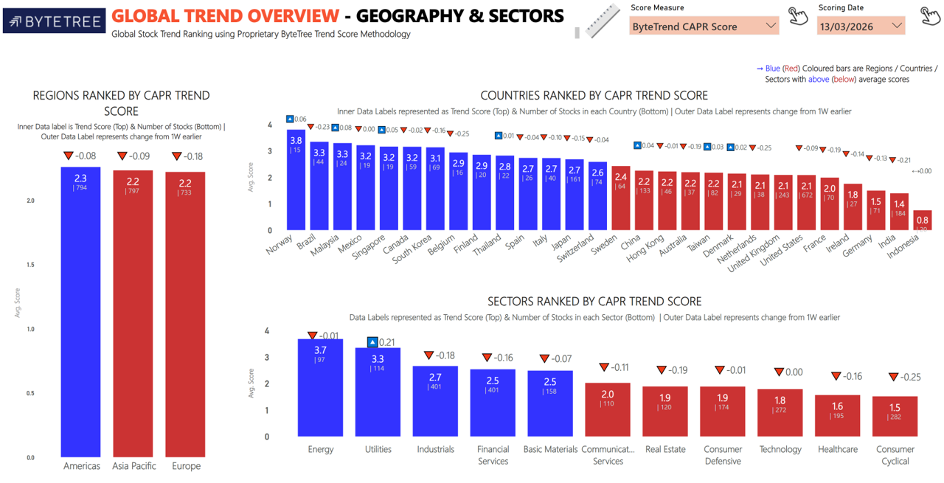
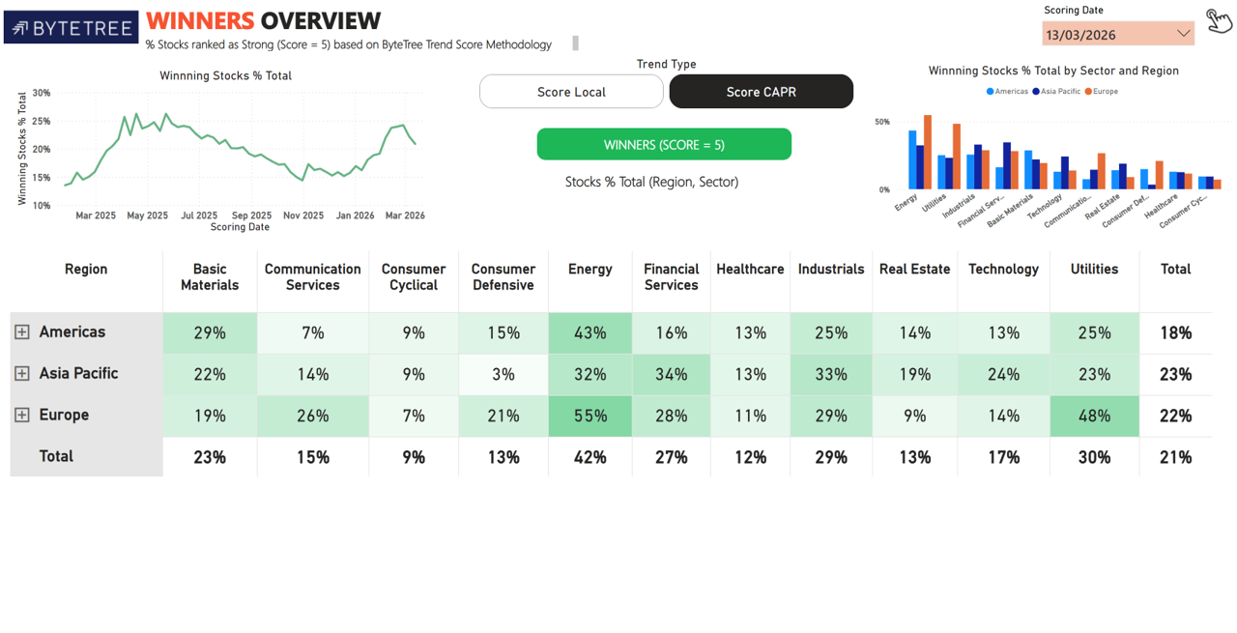
Import Images

