All Stocks
▼ STOCK IDENTIFIERS |  |  | TREND CLASSIFICATION METRICS |  |  | VOL | SIZE | VERTICAL |  | ▲ Click [+] for additional details
Ticker | FX | Name | Score CAPR Click | % Dev from CAPR 30W High Click | % Dev from CAPR 30W Low Click | Annual. Vol. 30w Click | MCap Bn. USD Click | Sector | Industry
NVDA | USD | NVIDIA Corporation | 2 | -12 | 5 | 28 | 4197 | Tech | Technology Hardware & Equipment
AAPL | USD | Apple Inc. | 4 | -9 | 6 | 24 | 3645 | Tech | Technology Hardware & Equipment
GOOGL | USD | Alphabet Inc. | 5 | -5 | 39 | 30 | 3641 | Comms | Technology Software & Services
MSFT | USD | Microsoft Corporation | 0 | -26 | 4 | 22 | 2836 | Tech | Technology Software & Services
AMZN | USD | Amazon.com, Inc. | 1 | -14 | 10 | 32 | 2205 | Con Cycl | General Retail & Consumer Goods
2222 | SAR | Saudi Arabian Oil Company | 3 | 0 | 21 | 16 | 1746 | Energy | Energy Producers & Services
META | USD | Meta Platforms, Inc. | 2 | -23 | 2 | 33 | 1497 | Comms | Technology Software & Services
2330 | TWD | Taiwan Semiconductor Manufacturing Company Limited | 5 | -3 | 51 | 24 | 1489 | Tech | Technology Hardware & Equipment
AVGO | USD | Broadcom Inc. | 3 | -20 | 4 | 42 | 1472 | Tech | Technology Hardware & Equipment
TSLA | USD | Tesla, Inc. | 3 | -20 | 8 | 37 | 1381 | Con Cycl | Automotive & Parts
BRK-B | USD | Berkshire Hathaway Inc. | 1 | -6 | 7 | 14 | 1038 | Finance | Insurance & Reinsurance
WMT | USD | Walmart Inc. | 5 | -5 | 22 | 27 | 949 | Con Disc | Food & Beverage Retail & Distribution
5930 | KRW | Samsung Electronics Co., Ltd. | 5 | -5 | 164 | 45 | 886 | Tech | Technology Hardware & Equipment
LLY | USD | Eli Lilly and Company | 4 | -14 | 26 | 36 | 857 | Health | Healthcare & Life Sciences
JPM | USD | JPMorgan Chase & Co. | 2 | -8 | 3 | 22 | 773 | Finance | Banking & Lending
XOM | USD | Exxon Mobil Corporation | 5 | 0 | 47 | 18 | 666 | Energy | Energy Producers & Services
700 | HKD | Tencent Holdings Limited | 1 | -23 | 5 | 26 | 585 | Comms | Technology Software & Services
V | USD | Visa Inc. | 0 | -15 | 2 | 17 | 582 | Finance | Banking & Lending
JNJ | USD | Johnson & Johnson | 4 | -1 | 37 | 19 | 567 | Health | Healthcare & Life Sciences
ASML | EUR | ASML Holding N.V. | 5 | -5 | 73 | 40 | 508 | Tech | Technology Hardware & Equipment
MU | USD | Micron Technology, Inc. | 5 | 0 | 250 | 58 | 477 | Tech | Technology Hardware & Equipment
660 | KRW | SK hynix Inc. | 5 | -2 | 243 | 57 | 462 | Tech | Technology Hardware & Equipment
MA | USD | Mastercard Incorporated | 0 | -18 | 3 | 19 | 443 | Finance | Banking & Lending
COST | USD | Costco Wholesale Corporation | 5 | -2 | 19 | 21 | 431 | Con Disc | Food & Beverage Retail & Distribution
ORCL | USD | Oracle Corporation | 1 | -51 | 12 | 57 | 430 | Tech | Technology Software & Services
CVX | USD | Chevron Corporation | 4 | 0 | 43 | 18 | 403 | Energy | Energy Producers & Services
NFLX | USD | Netflix, Inc. | 2 | -27 | 27 | 40 | 389 | Comms | Media & Entertainment
1398 | HKD | Industrial and Commercial Bank of China Limited | 5 | 0 | 20 | 20 | 376 | Finance | Banking & Lending
ABBV | USD | AbbVie Inc. | 0 | -13 | 2 | 21 | 363 | Health | Healthcare & Life Sciences
PLTR | USD | Palantir Technologies Inc. | 2 | -22 | 22 | 50 | 345 | Tech | Technology Software & Services
BAC | USD | Bank of America Corporation | 1 | -11 | 3 | 23 | 344 | Finance | Banking & Lending
857 | HKD | PetroChina Company Limited | 5 | 0 | 55 | 28 | 342 | Energy | Energy Producers & Services
PG | USD | The Procter & Gamble Company | 1 | -10 | 9 | 19 | 337 | Con Disc | Home & Lifestyle Products
AMD | USD | Advanced Micro Devices, Inc. | 4 | -19 | 32 | 65 | 328 | Tech | Technology Hardware & Equipment
ROG | CHF | Roche Holding AG | 4 | -10 | 29 | 32 | 326 | Health | Healthcare & Life Sciences
KO | USD | The Coca-Cola Company | 3 | -1 | 16 | 16 | 322 | Con Disc | Food & Beverage Producers
HD | USD | The Home Depot, Inc. | 0 | -23 | 0 | 24 | 319 | Con Cycl | Home & Lifestyle Products
CAT | USD | Caterpillar Inc. | 5 | -7 | 61 | 33 | 319 | Indust | Environmental & Infrastructure Services
CSCO | USD | Cisco Systems, Inc. | 5 | -2 | 18 | 26 | 307 | Tech | Technology Hardware & Equipment
GE | USD | GE Aerospace | 4 | -10 | 5 | 30 | 303 | Indust | Advanced Industrial Systems
9988 | HKD | Alibaba Group Holding Limited | 2 | -32 | 5 | 49 | 301 | Con Cycl | General Retail & Consumer Goods
AZN | GBp | AstraZeneca PLC | 4 | -5 | 28 | 29 | 287 | Health | Healthcare & Life Sciences
LRCX | USD | Lam Research Corporation | 5 | 0 | 126 | 50 | 285 | Tech | Technology Hardware & Equipment
AMAT | USD | Applied Materials, Inc. | 5 | 0 | 119 | 40 | 283 | Tech | Technology Hardware & Equipment
MRK | USD | Merck & Co., Inc. | 3 | 0 | 49 | 32 | 282 | Health | Healthcare & Life Sciences
NOVN | CHF | Novartis AG | 5 | -4 | 27 | 22 | 280 | Health | Healthcare & Life Sciences
7203 | JPY | Toyota Motor Corporation | 3 | -10 | 11 | 28 | 272 | Con Cycl | Automotive & Parts
RTX | USD | RTX Corporation | 5 | -2 | 28 | 25 | 266 | Indust | Advanced Industrial Systems
MC | EUR | LVMH Moët Hennessy - Louis Vuitton, Société Européenne | 0 | -26 | 0 | 31 | 264 | Con Cycl | Home & Lifestyle Products
HSBA | GBp | HSBC Holdings plc | 5 | -10 | 23 | 30 | 262 | Finance | Banking & Lending
SHELL | EUR | Shell plc | 5 | 0 | 38 | 20 | 258 | Energy | Energy Producers & Services
SHEL | GBp | Shell plc | 5 | 0 | 38 | 20 | 258 | Energy | Energy Producers & Services
MS | USD | Morgan Stanley | 4 | -9 | 9 | 24 | 256 | Finance | Investment & Advisory
PM | USD | Philip Morris International Inc. | 4 | -7 | 19 | 29 | 254 | Con Disc | Home & Lifestyle Products
UNH | USD | UnitedHealth Group Incorporated | 0 | -21 | 7 | 38 | 250 | Health | Healthcare & Life Sciences
939 | HKD | China Construction Bank Corporation | 5 | 0 | 14 | 19 | 248 | Finance | Banking & Lending
NESN | CHF | Nestlé S.A. | 2 | -9 | 10 | 27 | 248 | Con Disc | Food & Beverage Producers
GS | USD | The Goldman Sachs Group, Inc. | 5 | -10 | 11 | 23 | 244 | Finance | Investment & Advisory
...
▼ STOCK IDENTIFIERS |  |  | TREND CLASSIFICATION METRICS |  |  | VOL | SIZE | VERTICAL
SBUX | USD | Starbucks Corporation | 3 | -5 | 20 | 32 | 105 | Con Cycl | Food & Beverage Producers
EL | EUR | EssilorLuxottica S.A. | 0 | -38 | 0 | 31 | 105 | Health | Healthcare & Life Sciences
NEM | USD | Newmont Corporation | 5 | -21 | 28 | 45 | 105 | Materials | Metals & Mining
SO | USD | The Southern Company | 2 | -4 | 16 | 17 | 105 | Utility | Utilities & Clean Energy
SBIN | INR | State Bank of India | 5 | -10 | 21 | 25 | 104 | Finance | Banking & Lending
GSK | GBp | GSK plc | 4 | -6 | 34 | 33 | 104 | Health | Healthcare & Life Sciences
CRWD | USD | CrowdStrike Holdings, Inc. | 2 | -23 | 18 | 45 | 104 | Tech | Technology Software & Services
BSX | USD | Boston Scientific Corporation | 1 | -36 | 3 | 35 | 103 | Health | Healthcare & Life Sciences
EQNR | NOK | Equinor ASA | 5 | 0 | 90 | 34 | 103 | Energy | Energy Producers & Services
CNQ | CAD | Canadian Natural Resources Limited | 5 | 0 | 69 | 25 | 103 | Energy | Energy Producers & Services
Click here to upgrade your subscription to unlock 2000+ more stock data
...

Leading Trends
...
▼ STOCK IDENTIFIERS |  |  | TREND CLASSIFICATION METRICS |  |  | VOL | SIZE | VERTICAL
CB | USD | Chubb Limited | 5 | 0 | 23 | 19 | 126 | Finance | Insurance & Reinsurance
8058 | JPY | Mitsubishi Corporation | 5 | 0 | 58 | 28 | 126 | Indust | Diversified Holdings
1088 | HKD | China Shenhua Energy Company Limited | 5 | 0 | 41 | 22 | 124 | Energy | Energy Producers & Services
PETR3 | BRL | Petróleo Brasileiro S.A. - Petrobras | 5 | 0 | 72 | 29 | 122 | Energy | Energy Producers & Services
2308 | TWD | Delta Electronics, Inc. | 5 | 0 | 95 | 44 | 120 | Tech | Technology Hardware & Equipment
BP | GBp | BP p.l.c. | 5 | 0 | 42 | 23 | 115 | Energy | Energy Producers & Services
8031 | JPY | Mitsui & Co., Ltd. | 5 | 0 | 68 | 27 | 112 | Indust | Diversified Holdings
CME | USD | CME Group Inc. | 5 | 0 | 27 | 19 | 110 | Finance | Investment & Advisory
DELL | USD | Dell Technologies Inc. | 5 | 0 | 47 | 46 | 106 | Tech | Technology Hardware & Equipment
EQNR | NOK | Equinor ASA | 5 | 0 | 90 | 34 | 103 | Energy | Energy Producers & Services
Click here to upgrade your subscription to unlock 2000+ more stock data
CNQ | CAD | Canadian Natural Resources Limited | 5 | 0 | 69 | 25 | 103 | Energy | Energy Producers & Services

Emerging Trends
▼ STOCK IDENTIFIERS |  |  | TREND CLASSIFICATION METRICS |  |  | VOL | SIZE | VERTICAL
Ticker | FX | Name | Score CAPR Click | % Dev from CAPR 30W High Click | % Dev from CAPR 30W Low Click | Annual. Vol. 30w Click | MCap Bn USD Click | Sector | Industry
2222 | SAR | Saudi Arabian Oil Company | 3 | 0 | 21 | 16 | 1746 | Energy | Energy Producers & Services
CVX | USD | Chevron Corporation | 4 | 0 | 43 | 18 | 403 | Energy | Energy Producers & Services
LIN | USD | Linde plc | 4 | 0 | 28 | 20 | 226 | Materials | Chemicals & Commodities
COP | USD | ConocoPhillips | 3 | 0 | 52 | 26 | 155 | Energy | Energy Producers & Services
PFE | USD | Pfizer Inc. | 3 | 0 | 18 | 28 | 153 | Health | Healthcare & Life Sciences
ENB | CAD | Enbridge Inc. | 4 | 0 | 26 | 16 | 117 | Energy | Energy Producers & Services
Click here to upgrade your subscription to unlock 2000+ more stock data
1299 | HKD | AIA Group Limited | 3 | 0 | 25 | 32 | 115 | Finance | Insurance & Reinsurance

Weakening Trends
▼ STOCK IDENTIFIERS |  |  | TREND CLASSIFICATION METRICS |  |  | VOL | SIZE | VERTICAL
Ticker | FX | Name | Score CAPR Click | % Dev from CAPR 30W High Click | % Dev from CAPR 30W Low Click | Annual. Vol. 30w Click | MCap Bn USD Click | Sector | Industry
SAP | EUR | SAP SE | 1 | -35 | 0 | 25 | 208 | Tech | Technology Software & Services
RMS | EUR | Hermès International Société en commandite par actions | 1 | -24 | 0 | 29 | 201 | Con Cycl | Home & Lifestyle Products
SIE | EUR | Siemens AG | 2 | -16 | 0 | 24 | 185 | Indust | Construction & Engineering
AIR | EUR | Airbus SE | 1 | -22 | 0 | 23 | 147 | Indust | Advanced Industrial Systems
Click here to upgrade your subscription to unlock 2000+ more stock data

Bear Trends
▼ STOCK IDENTIFIERS |  |  | TREND CLASSIFICATION METRICS |  |  | VOL | SIZE | VERTICAL
Ticker | FX | Name | Score CAPR Click | % Dev from CAPR 30W High Click | % Dev from CAPR 30W Low Click | Annual. Vol. 30w Click | MCap Bn USD Click | Sector | Industry
HD | USD | The Home Depot, Inc. | 0 | -23 | 0 | 24 | 319 | Con Cycl | Home & Lifestyle Products
MC | EUR | LVMH Moët Hennessy - Louis Vuitton, Société Européenne | 0 | -26 | 0 | 31 | 264 | Con Cycl | Home & Lifestyle Products
HDFCBANK | INR | HDFC Bank Limited | 0 | -24 | 0 | 15 | 128 | Finance | Banking & Lending
EL | EUR | EssilorLuxottica S.A. | 0 | -38 | 0 | 31 | 105 | Health | Healthcare & Life Sciences
Click here to upgrade your subscription to unlock 2000+ more stock data

Insights
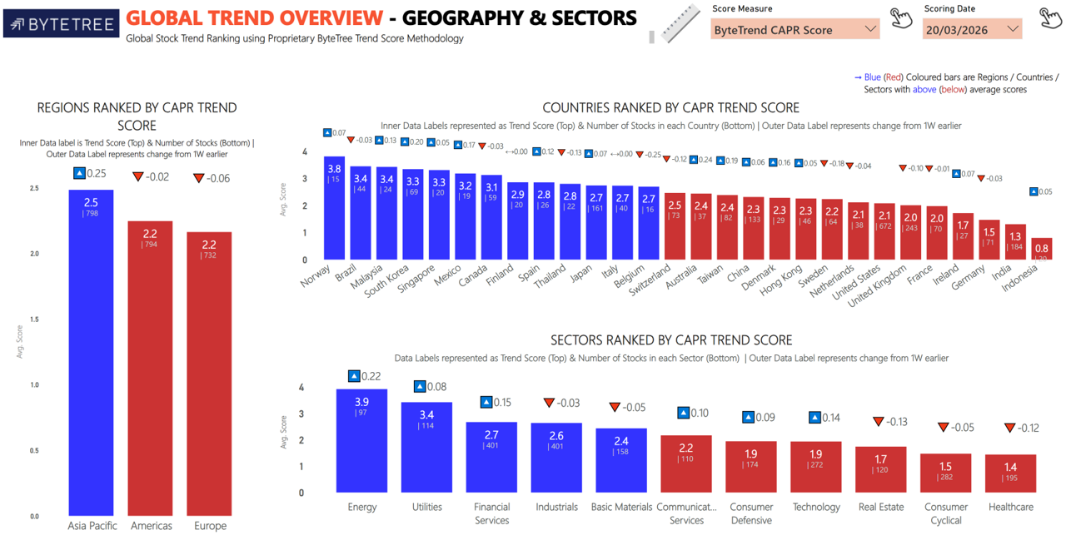
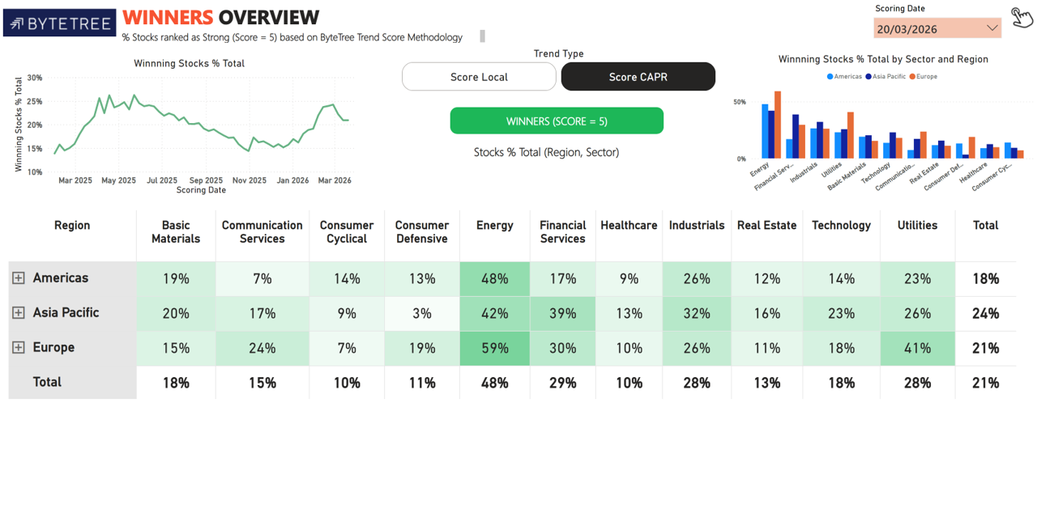
Import Images

