All Stocks
▼ STOCK IDENTIFIERS |  |  | TREND CLASSIFICATION METRICS |  |  | VOL | SIZE | VERTICAL |  | ▲ Click [+] for additional details
Ticker | FX | Name | Score CAPR Click | % Dev from CAPR 30W High Click | % Dev from CAPR 30W Low Click | Annual. Vol. 30w Click | MCap Bn. USD Click | Sector | Industry
NVDA | USD | NVIDIA Corporation | 2 | -13 | 4 | 27 | 4322 | Tech | Technology Hardware & Equipment
AAPL | USD | Apple Inc. | 4 | -9 | 8 | 24 | 3784 | Tech | Technology Hardware & Equipment
GOOGL | USD | Alphabet Inc. | 5 | -9 | 39 | 30 | 3611 | Comms | Technology Software & Services
MSFT | USD | Microsoft Corporation | 0 | -25 | 8 | 22 | 3037 | Tech | Technology Software & Services
AMZN | USD | Amazon.com, Inc. | 1 | -14 | 10 | 32 | 2289 | Con Cycl | General Retail & Consumer Goods
2222 | SAR | Saudi Arabian Oil Company | 2 | -3 | 12 | 16 | 1669 | Energy | Energy Producers & Services
META | USD | Meta Platforms, Inc. | 2 | -22 | 7 | 33 | 1626 | Comms | Technology Software & Services
AVGO | USD | Broadcom Inc. | 3 | -18 | 7 | 42 | 1567 | Tech | Technology Hardware & Equipment
2330 | TWD | Taiwan Semiconductor Manufacturing Company Limited | 5 | -3 | 52 | 25 | 1540 | Tech | Technology Hardware & Equipment
TSLA | USD | Tesla, Inc. | 2 | -17 | 14 | 36 | 1489 | Con Cycl | Automotive & Parts
BRK-B | USD | Berkshire Hathaway Inc. | 1 | -6 | 7 | 15 | 1076 | Finance | Insurance & Reinsurance
WMT | USD | Walmart Inc. | 5 | -5 | 22 | 26 | 987 | Con Disc | General Retail & Consumer Goods
LLY | USD | Eli Lilly and Company | 5 | -10 | 34 | 36 | 934 | Health | Healthcare & Life Sciences
5930 | KRW | Samsung Electronics Co., Ltd. | 5 | -13 | 143 | 44 | 849 | Tech | Technology Hardware & Equipment
JPM | USD | JPMorgan Chase & Co. | 2 | -10 | 0 | 22 | 781 | Finance | Banking & Lending
XOM | USD | Exxon Mobil Corporation | 5 | 0 | 37 | 18 | 630 | Energy | Energy Producers & Services
V | USD | Visa Inc. | 1 | -14 | 3 | 17 | 612 | Finance | Banking & Lending
700 | HKD | Tencent Holdings Limited | 2 | -25 | 4 | 25 | 599 | Comms | Technology Software & Services
JNJ | USD | Johnson & Johnson | 4 | 0 | 34 | 19 | 579 | Health | Healthcare & Life Sciences
ASML | EUR | ASML Holding N.V. | 5 | -7 | 70 | 39 | 517 | Tech | Technology Hardware & Equipment
MA | USD | Mastercard Incorporated | 0 | -17 | 4 | 19 | 466 | Finance | Banking & Lending
COST | USD | Costco Wholesale Corporation | 4 | -2 | 18 | 21 | 443 | Con Disc | Food & Beverage Retail & Distribution
ORCL | USD | Oracle Corporation | 1 | -52 | 10 | 57 | 440 | Tech | Technology Software & Services
660 | KRW | SK hynix Inc. | 5 | -12 | 228 | 59 | 430 | Tech | Technology Hardware & Equipment
NFLX | USD | Netflix, Inc. | 2 | -24 | 32 | 40 | 420 | Comms | Media & Entertainment
MU | USD | Micron Technology, Inc. | 5 | -11 | 200 | 57 | 417 | Tech | Technology Hardware & Equipment
ABBV | USD | AbbVie Inc. | 4 | -5 | 10 | 19 | 407 | Health | Healthcare & Life Sciences
CVX | USD | Chevron Corporation | 3 | 0 | 30 | 18 | 380 | Energy | Energy Producers & Services
1398 | HKD | Industrial and Commercial Bank of China Limited | 4 | -2 | 13 | 20 | 366 | Finance | Banking & Lending
PLTR | USD | Palantir Technologies Inc. | 2 | -22 | 22 | 52 | 360 | Tech | Technology Software & Services
PG | USD | The Procter & Gamble Company | 2 | -7 | 12 | 18 | 359 | Con Disc | Home & Lifestyle Products
HD | USD | The Home Depot, Inc. | 0 | -18 | 4 | 23 | 356 | Con Cycl | Home & Lifestyle Products
BAC | USD | Bank of America Corporation | 2 | -12 | 1 | 24 | 355 | Finance | Banking & Lending
ROG | CHF | Roche Holding AG | 4 | -5 | 37 | 31 | 350 | Health | Healthcare & Life Sciences
GE | USD | GE Aerospace | 5 | -3 | 16 | 28 | 341 | Indust | Advanced Industrial Systems
KO | USD | The Coca-Cola Company | 3 | -2 | 15 | 16 | 331 | Con Disc | Food & Beverage Producers
857 | HKD | PetroChina Company Limited | 5 | 0 | 43 | 28 | 326 | Energy | Energy Producers & Services
9988 | HKD | Alibaba Group Holding Limited | 2 | -31 | 7 | 48 | 319 | Con Cycl | General Retail & Consumer Goods
CAT | USD | Caterpillar Inc. | 5 | -10 | 59 | 33 | 319 | Indust | Environmental & Infrastructure Services
AMD | USD | Advanced Micro Devices, Inc. | 3 | -25 | 21 | 65 | 314 | Tech | Technology Hardware & Equipment
CSCO | USD | Cisco Systems, Inc. | 5 | -5 | 15 | 28 | 311 | Tech | Technology Hardware & Equipment
NOVN | CHF | Novartis AG | 5 | -3 | 29 | 21 | 303 | Health | Healthcare & Life Sciences
AZN | GBp | AstraZeneca PLC | 5 | -4 | 29 | 30 | 302 | Health | Healthcare & Life Sciences
7203 | JPY | Toyota Motor Corporation | 3 | -8 | 14 | 28 | 290 | Con Cycl | Automotive & Parts
MC | EUR | LVMH Moët Hennessy - Louis Vuitton, Société Européenne | 1 | -22 | 0 | 31 | 290 | Con Cycl | Home & Lifestyle Products
HSBA | GBp | HSBC Holdings plc | 5 | -8 | 27 | 29 | 287 | Finance | Banking & Lending
MRK | USD | Merck & Co., Inc. | 3 | -3 | 44 | 33 | 286 | Health | Healthcare & Life Sciences
RTX | USD | RTX Corporation | 5 | 0 | 31 | 24 | 282 | Indust | Advanced Industrial Systems
NESN | CHF | Nestlé S.A. | 2 | -6 | 14 | 26 | 266 | Con Disc | Food & Beverage Producers
PM | USD | Philip Morris International Inc. | 4 | -7 | 18 | 29 | 265 | Con Disc | Home & Lifestyle Products
UNH | USD | UnitedHealth Group Incorporated | 1 | -22 | 6 | 47 | 260 | Health | Healthcare & Life Sciences
AMAT | USD | Applied Materials, Inc. | 5 | -11 | 92 | 45 | 258 | Tech | Technology Hardware & Equipment
MS | USD | Morgan Stanley | 3 | -13 | 6 | 23 | 254 | Finance | Investment & Advisory
WFC | USD | Wells Fargo & Company | 2 | -14 | 2 | 29 | 252 | Finance | Banking & Lending
LRCX | USD | Lam Research Corporation | 5 | -16 | 91 | 50 | 249 | Tech | Technology Hardware & Equipment
TMUS | USD | T-Mobile US, Inc. | 3 | -16 | 22 | 26 | 248 | Comms | Telecom & Network Providers
GS | USD | The Goldman Sachs Group, Inc. | 4 | -12 | 8 | 22 | 246 | Finance | Investment & Advisory
...
▼ STOCK IDENTIFIERS |  |  | TREND CLASSIFICATION METRICS |  |  | VOL | SIZE | VERTICAL
386 | HKD | China Petroleum & Chemical Corporation | 4 | -1 | 26 | 20 | 111 | Energy | Energy Producers & Services
GSK | GBp | GSK plc | 4 | -5 | 36 | 32 | 110 | Health | Healthcare & Life Sciences
ENEL | EUR | Enel S.p.A. | 5 | -6 | 20 | 23 | 110 | Utility | Utilities & Clean Energy
SO | USD | The Southern Company | 3 | -3 | 16 | 16 | 109 | Utility | Utilities & Clean Energy
CRWD | USD | CrowdStrike Holdings, Inc. | 2 | -22 | 19 | 44 | 108 | Tech | Technology Software & Services
CFR | CHF | Compagnie Financière Richemont S.A. | 2 | -16 | 9 | 30 | 108 | Con Cycl | Home & Lifestyle Products
2308 | TWD | Delta Electronics, Inc. | 5 | -6 | 80 | 45 | 108 | Tech | Technology Hardware & Equipment
1120 | SAR | Al Rajhi Banking and Investment Corporation | 1 | -10 | 6 | 21 | 108 | Finance | Banking & Lending
8031 | JPY | Mitsui & Co., Ltd. | 5 | 0 | 62 | 26 | 107 | Indust | Diversified Holdings
NOC | USD | Northrop Grumman Corporation | 5 | 0 | 39 | 20 | 107 | Indust | Advanced Industrial Systems
Click here to upgrade your subscription to unlock 2000+ more stock data
...

Leading Trends
...
▼ STOCK IDENTIFIERS |  |  | TREND CLASSIFICATION METRICS |  |  | VOL | SIZE | VERTICAL
SHELL | EUR | Shell plc | 5 | 0 | 22 | 18 | 237 | Energy | Energy Producers & Services
SHEL | GBp | Shell plc | 5 | 0 | 22 | 18 | 237 | Energy | Energy Producers & Services
TJX | USD | The TJX Companies, Inc. | 5 | 0 | 14 | 13 | 177 | Con Cycl | General Retail & Consumer Goods
TTE | EUR | TotalEnergies SE | 5 | 0 | 33 | 18 | 168 | Energy | Energy Producers & Services
LMT | USD | Lockheed Martin Corporation | 5 | 0 | 50 | 23 | 155 | Indust | Advanced Industrial Systems
HCA | USD | HCA Healthcare, Inc. | 5 | 0 | 29 | 21 | 119 | Health | Healthcare & Life Sciences
1088 | HKD | China Shenhua Energy Company Limited | 5 | 0 | 25 | 21 | 115 | Energy | Energy Producers & Services
CME | USD | CME Group Inc. | 5 | 0 | 24 | 20 | 114 | Finance | Investment & Advisory
PETR3 | BRL | Petróleo Brasileiro S.A. - Petrobras | 5 | 0 | 53 | 29 | 112 | Energy | Energy Producers & Services
8031 | JPY | Mitsui & Co., Ltd. | 5 | 0 | 62 | 26 | 107 | Indust | Diversified Holdings
Click here to upgrade your subscription to unlock 2000+ more stock data
NOC | USD | Northrop Grumman Corporation | 5 | 0 | 39 | 20 | 107 | Indust | Advanced Industrial Systems

Emerging Trends
▼ STOCK IDENTIFIERS |  |  | TREND CLASSIFICATION METRICS |  |  | VOL | SIZE | VERTICAL
Ticker | FX | Name | Score CAPR Click | % Dev from CAPR 30W High Click | % Dev from CAPR 30W Low Click | Annual. Vol. 30w Click | MCap Bn USD Click | Sector | Industry
JNJ | USD | Johnson & Johnson | 4 | 0 | 34 | 19 | 579 | Health | Healthcare & Life Sciences
CVX | USD | Chevron Corporation | 3 | 0 | 30 | 18 | 380 | Energy | Energy Producers & Services
VZ | USD | Verizon Communications Inc. | 4 | 0 | 35 | 24 | 216 | Comms | Telecom & Network Providers
TD | CAD | The Toronto-Dominion Bank | 4 | 0 | 25 | 12 | 161 | Finance | Banking & Lending
PFE | USD | Pfizer Inc. | 3 | 0 | 14 | 28 | 154 | Health | Healthcare & Life Sciences
COP | USD | ConocoPhillips | 3 | 0 | 35 | 25 | 143 | Energy | Energy Producers & Services
ENB | CAD | Enbridge Inc. | 4 | 0 | 23 | 16 | 118 | Energy | Energy Producers & Services
Click here to upgrade your subscription to unlock 2000+ more stock data
SBUX | USD | Starbucks Corporation | 3 | 0 | 24 | 31 | 113 | Con Cycl | Food & Beverage Producers

Weakening Trends
▼ STOCK IDENTIFIERS |  |  | TREND CLASSIFICATION METRICS |  |  | VOL | SIZE | VERTICAL
Ticker | FX | Name | Score CAPR Click | % Dev from CAPR 30W High Click | % Dev from CAPR 30W Low Click | Annual. Vol. 30w Click | MCap Bn USD Click | Sector | Industry
JPM | USD | JPMorgan Chase & Co. | 2 | -10 | 0 | 22 | 781 | Finance | Banking & Lending
RMS | EUR | Hermès International Société en commandite par actions | 1 | -15 | 0 | 25 | 232 | Con Cycl | Home & Lifestyle Products
AIR | EUR | Airbus SE | 2 | -17 | 0 | 23 | 161 | Indust | Advanced Industrial Systems
BLK | USD | BlackRock, Inc. | 1 | -20 | 0 | 23 | 149 | Finance | Investment & Advisory
COF | USD | Capital One Financial Corporation | 1 | -23 | 0 | 29 | 117 | Finance | Banking & Lending
EL | EUR | EssilorLuxottica S.A. | 1 | -34 | 0 | 32 | 115 | Health | Healthcare & Life Sciences
1810 | HKD | Xiaomi Corporation | 2 | -43 | 0 | 31 | 111 | Tech | Technology Hardware & Equipment
Click here to upgrade your subscription to unlock 2000+ more stock data

Bear Trends
▼ STOCK IDENTIFIERS |  |  | TREND CLASSIFICATION METRICS |  |  | VOL | SIZE | VERTICAL
Ticker | FX | Name | Score CAPR Click | % Dev from CAPR 30W High Click | % Dev from CAPR 30W Low Click | Annual. Vol. 30w Click | MCap Bn USD Click | Sector | Industry
DIS | USD | The Walt Disney Company | 0 | -18 | 0 | 18 | 180 | Comms | Media & Entertainment
HDFCBANK | INR | HDFC Bank Limited | 0 | -22 | 0 | 14 | 143 | Finance | Banking & Lending
Click here to upgrade your subscription to unlock 2000+ more stock data

Insights
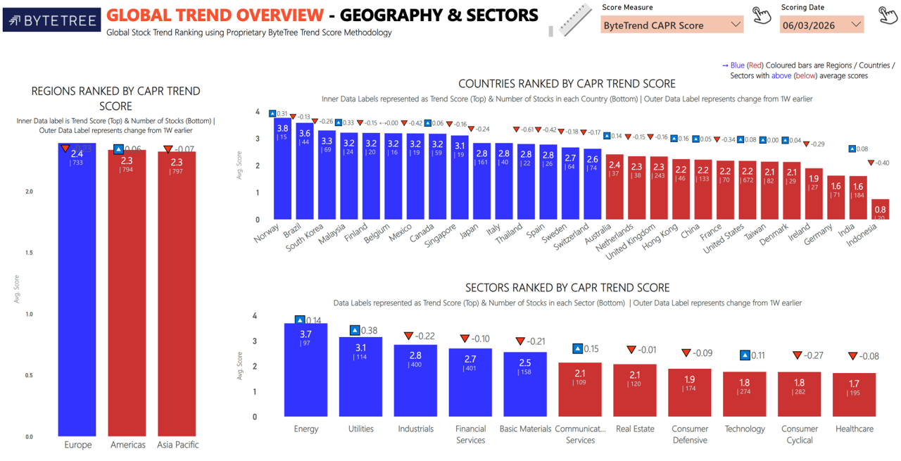
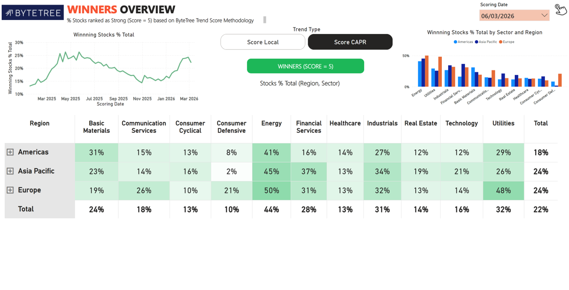
Import Images

