Recommended Read
Recommended Read
The book behind this skill framework

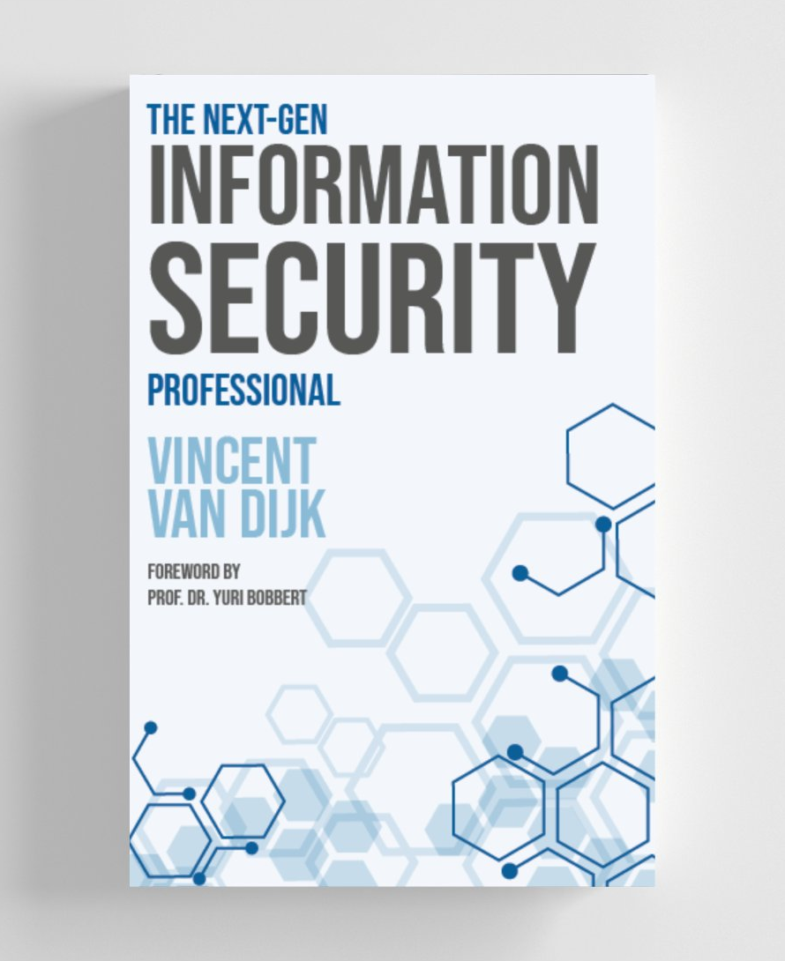
 | THE BOOK
 | The Next-Gen Information
 | Security Professional
 | Vincent van Dijk · Foreword by Prof. Dr. Yuri Bobbert

 | What it takes to thrive in an AI-first security landscape
 | → Why technical skill alone is no longer enough — and what separates professionals who shape strategy from those who just execute it.
 | → How to make your security work visible — translating invisible wins into business value that executives and boards can't ignore.
 | → The mindset shift AI demands — from tool operator to trusted advisor, as LLMs handle more of the technical heavy lifting every year.

 | Ready to go deeper?
 | This skill framework is built on the 10 characteristics from the book. If you want to understand the thinking behind it — and develop the habits that make the difference in an AI-first security career — the book is the next step.

 | → View the book and purchase options

 | © SecurityScientist · www.securityscientist.net

