Sheet1
Dionne vs Jensen Variability

Location | Dione | Jensen |  |  |  | Location | Registered 7am | Reg Election Day | Total Registered | Total Votes | Turnout | Walz | Jensen | Walz | Jensen
AND P-1 | 27.73% | 62.63% |  |  |  | AND P-1 | 2,410 | 67 | 2,477 | 1,790 | 72.26% | 624 | 1,121 | 34.86% | 62.63%
AND P-10 | 27.39% | 51.82% |  |  |  | AND P-10 | 2,775 | 62 | 2,837 | 1,953 | 68.84% | 870 | 1,012 | 44.55% | 51.82%
AND P-2 | 24.78% | 53.59% |  |  |  | AND P-2 | 2,102 | 57 | 2,159 | 1,519 | 70.36% | 649 | 814 | 42.73% | 53.59%
AND P-3 | 26.47% | 57.61% |  |  |  | AND P-3 | 2,032 | 61 | 2,093 | 1,465 | 70.00% | 575 | 844 | 39.25% | 57.61%
AND P-4 | 25.52% | 50.00% |  |  |  | AND P-4 | 1,933 | 55 | 1,988 | 1,324 | 66.60% | 607 | 662 | 45.85% | 50.00%
AND P-5 | 27.01% | 53.37% |  |  |  | AND P-5 | 2,003 | 61 | 2,064 | 1,424 | 68.99% | 611 | 760 | 42.91% | 53.37%
AND P-6 | 26.02% | 63.28% |  |  |  | AND P-6 | 2,489 | 81 | 2,570 | 1,868 | 72.68% | 612 | 1,182 | 32.76% | 63.28%
AND P-7 | 26.57% | 52.27% |  |  |  | AND P-7 | 2,807 | 89 | 2,896 | 2,026 | 69.96% | 900 | 1,059 | 44.42% | 52.27%
AND P-8 | 28.22% | 58.10% |  |  |  | AND P-8 | 1,684 | 49 | 1,733 | 1,241 | 71.61% | 475 | 721 | 38.28% | 58.10%
AND P-9 | 24.93% | 53.74% |  |  |  | AND P-9 | 2,338 | 72 | 2,410 | 1,723 | 71.49% | 746 | 926 | 43.30% | 53.74%
Total | 26.50% | 55.72% |  |  |  | Total | 22,573 | 654 | 23,227 | 16,333 | 70.32% | 6,669 | 9,101 | 40.83% | 55.72%
Dionne vs Jensen Variability

Dionne Variability vs Other Candidates
 | Location | Dione | Englehardt | Barthel | Other
 | AND P-1 | 27.73% | 33.79% | 37.94% | 0.53%
 | AND P-10 | 27.39% | 34.87% | 37.16% | 0.57%
 | AND P-2 | 24.78% | 35.20% | 39.17% | 0.85%
 | AND P-3 | 26.47% | 31.69% | 41.09% | 0.75%
 | AND P-4 | 25.52% | 31.15% | 42.69% | 0.64%
 | AND P-5 | 27.01% | 31.83% | 40.44% | 0.73%
 | AND P-6 | 26.02% | 30.39% | 42.82% | 0.77%
 | AND P-7 | 26.57% | 30.04% | 42.47% | 0.91%
 | AND P-8 | 28.22% | 29.74% | 41.00% | 1.04%
 | AND P-9 | 24.93% | 33.05% | 41.09% | 0.94%
 | Total | 26.50% | 32.17% | 40.56% | 0.77%

Dionne Opponents vs Walz
 | Location | Dione | Englehardt | Barthel | Walz
 | AND P-1 | 27.73% | 33.79% | 37.94% | 34.86%
 | AND P-10 | 27.39% | 34.87% | 37.16% | 44.55%
 | AND P-2 | 24.78% | 35.20% | 39.17% | 42.73%
 | AND P-3 | 26.47% | 31.69% | 41.09% | 39.25%
 | AND P-4 | 25.52% | 31.15% | 42.69% | 45.85%
 | AND P-5 | 27.01% | 31.83% | 40.44% | 42.91%
 | AND P-6 | 26.02% | 30.39% | 42.82% | 32.76%
 | AND P-7 | 26.57% | 30.04% | 42.47% | 44.42%
 | AND P-8 | 28.22% | 29.74% | 41.00% | 38.28%
 | AND P-9 | 24.93% | 33.05% | 41.09% | 43.30%
 | Total | 26.50% | 32.17% | 40.56% | 40.83%

Sheet2
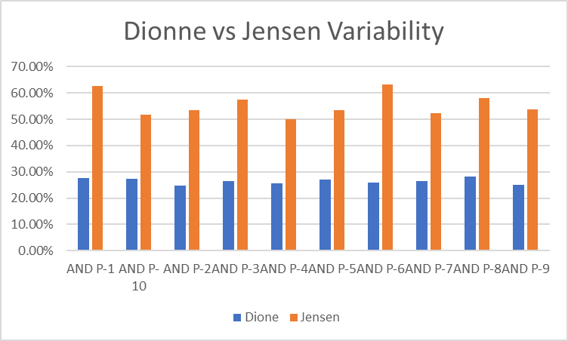

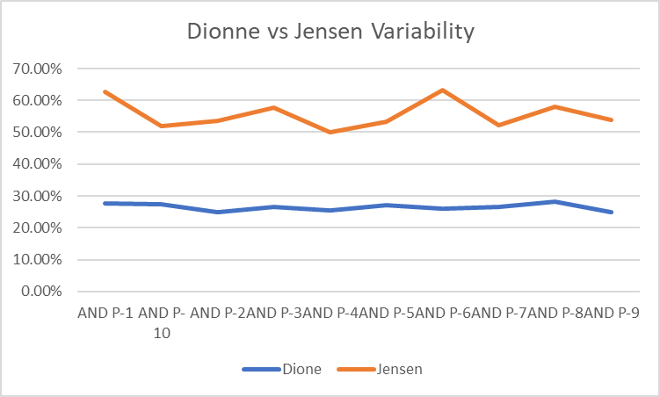

Dionne Variability vs Other Candidates
 | Dione | Englehardt | Barthel | Other | Dione | Englehardt | Barthel | Other
AND P-1 | 27.73% | 33.79% | 37.94% | 0.53% | 27.73% | 33.79% | 37.94% | 0.53%
AND P-10 | 27.39% | 34.87% | 37.16% | 0.57% | 27.39% | 34.87% | 37.16% | 0.57%
AND P-2 | 24.78% | 35.20% | 39.17% | 0.85% | 24.78% | 35.20% | 39.17% | 0.85%
AND P-3 | 26.47% | 31.69% | 41.09% | 0.75% | 26.47% | 31.69% | 41.09% | 0.75%
AND P-4 | 25.52% | 31.15% | 42.69% | 0.64% | 25.52% | 31.15% | 42.69% | 0.64%
AND P-5 | 27.01% | 31.83% | 40.44% | 0.73% | 27.01% | 31.83% | 40.44% | 0.73%
AND P-6 | 26.02% | 30.39% | 42.82% | 0.77% | 26.02% | 30.39% | 42.82% | 0.77%
AND P-7 | 26.57% | 30.04% | 42.47% | 0.91% | 26.57% | 30.04% | 42.47% | 0.91%
AND P-8 | 28.22% | 29.74% | 41.00% | 1.04% | 28.22% | 29.74% | 41.00% | 1.04%
AND P-9 | 24.93% | 33.05% | 41.09% | 0.94% | 24.93% | 33.05% | 41.09% | 0.94%

