Sheet1
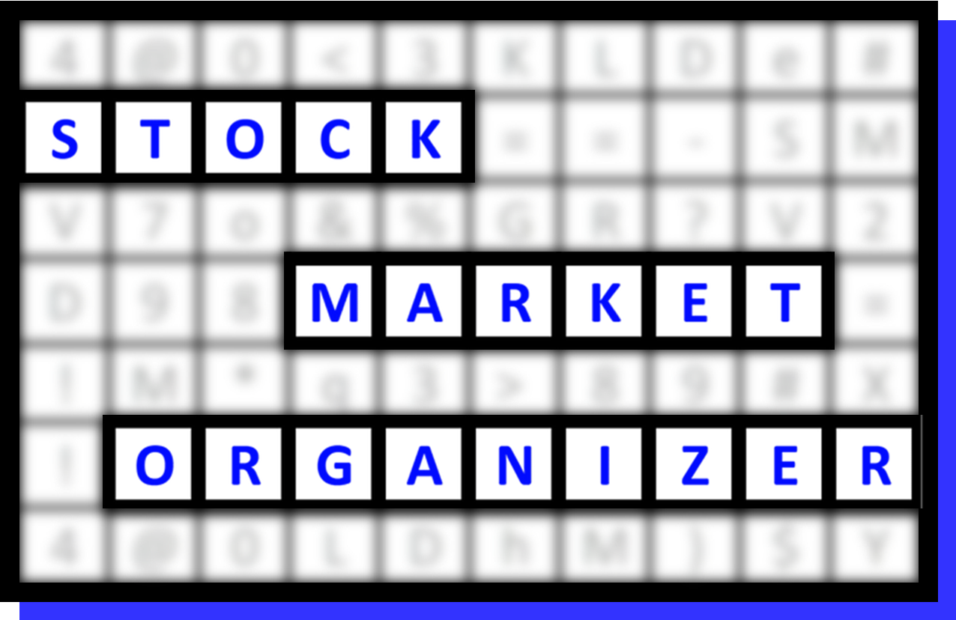
FILE DESCRIPTION
500 SPDR ETF stocks categorized based on Stock and ETF strength
Stocks are pre-sorted based on
1. % Change Largest to Smallest
2. ID1 Smallest to Largest

FILE INSTRUCTIONS
1) Go to range Print_Report, 2) Filter stocks as desired
Sample sort/usage:
1. Status column - filter for 1Strongest and 9Weakest stocks
2. Go long only 1Strongest and go short only 9Weakest stocks
3. Further refine candidate pool based on Sector strength and Market Environment
4. Use this information to stack strength (longs) or weakness (shorts)

To Reset after sorting
STEP 1: Remove all filters
STEP 2: Sort "Ref" (blue) col from smallest to largest
STEP 3: Filter as desired

To Print to PDF
STEP 1: Go to Print_Report
STEP 2: Select File > Print > Print Selection
(Headers/footers/titles are already set)
STEP 3: Save the file with the desired name

 | STOCK DETAIL (EDUCATIONAL PURPOSES ONLY/NOT A STOCK OR INVESTMENT RECOMMENDATION) |  |  |  |  |  |  |  |  | 1 week 11/05/25 to 11/12/25
 | Ref | Sub-Industry | Ticker | Company | ID1 | ID2 | % Chg | ID3 | Status | 9Weakest | 8VWeak | 7Weaker | 6Weak | 5Avg | 4Strong | 3Stronger | 2VStrong | 1Strongest
 | 1 | XLF BANKING - Regional - Southeast Banks | TFC | Truist Financial Corporation | 310011 | 51% | 10% | 17% | 1Strongest | . | . | . | . | TFC---> | TFC---> | TFC---> | TFC---> | TFC--->
 | 2 | XLF BANKING - Regional - Northeast Banks | CFG | Citizens Financial Group Inc | 310011 | 76% | 10% | 24% | 1Strongest | . | . | . | . | . | . | CFG---> | CFG---> | CFG--->
 | 3 | XLF INSURANCE - Accident & Health Insurance | AIZ | Assurant Inc | 310011 | 100% | 10% | 18% | 1Strongest | . | . | . | . | . | . | AIZ---> | AIZ---> | AIZ--->
 | 4 | XLI TRANSPORTATION - Trucking | ODFL | Old Dominion Freight Lines Inc | 310011 | 97% | 9% | 14% | 1Strongest | . | . | . | . | . | . | . | ODFL---> | ODFL--->
 | 5 | XLI MANUFACTURING - Industrial Equipment & Components | EMR | Emerson Electric Co | 310011 | 99% | 9% | 18% | 1Strongest | . | . | . | . | . | . | . | EMR---> | EMR--->
 | 6 | XLF INSURANCE - Property & Casualty Insurance | ALL | Allstate Corporation | 310011 | 100% | 7% | 15% | 1Strongest | . | . | . | . | . | . | ALL---> | ALL---> | ALL--->
 | 7 | XLI MANUFACTURING - Industrial Electrical Equipment | AME | AMETEK Inc | 310011 | 100% | 7% | 13% | 1Strongest | . | . | . | . | . | . | . | AME---> | AME--->
 | 8 | XLF INSURANCE - Property & Casualty Insurance | L | Loews Corp | 310011 | 100% | 6% | 8% | 1Strongest | . | . | . | . | L---> | L---> | L---> | L---> | L--->
 | 9 | XLF INSURANCE - Property & Casualty Insurance | PGR | Progressive Corp | 310011 | 100% | 6% | 19% | 1Strongest | . | . | . | . | . | . | PGR---> | PGR---> | PGR--->
 | 10 | XLF INSURANCE - Property & Casualty Insurance | HIG | The Hartford Financial Services Group | 310011 | 95% | 6% | 13% | 1Strongest | . | . | . | . | HIG---> | HIG---> | HIG---> | HIG---> | HIG--->
 | 11 | XLF INSURANCE - Life Insurance | PFG | Principal Financial Group Inc | 310011 | 89% | 6% | 6% | 1Strongest | . | . | . | . | . | . | PFG---> | PFG---> | PFG--->
 | 12 | XLI DIVERSIFIED SERVICES - Business/Management Services | ROL | Rollins Inc | 310011 | 99% | 5% | 8% | 1Strongest | . | . | . | . | ROL---> | ROL---> | ROL---> | ROL---> | ROL--->
 | 13 | XLI AEROSPACE/DEFENSE - Aerospace/Defense Major Dive | GD | General Dynamics Corp | 310011 | 99% | 5% | 7% | 1Strongest | . | . | . | . | . | . | GD---> | GD---> | GD--->
 | 14 | XLF INSURANCE - Life Insurance | MET | Metlife Inc | 310011 | 94% | 5% | 11% | 1Strongest | . | . | . | . | . | . | MET---> | MET---> | MET--->
 | 15 | XLI MATERIALS & CONSTRUCTION - Waste Management | RSG | Republic Services Inc | 310011 | 100% | 5% | 10% | 1Strongest | . | . | . | . | RSG---> | RSG---> | RSG---> | RSG---> | RSG--->
 | 16 | XLF INSURANCE - Accident & Health Insurance | AFL | Aflac Inc | 310011 | 95% | 5% | 18% | 1Strongest | . | . | . | . | AFL---> | AFL---> | AFL---> | AFL---> | AFL--->
 | 17 | XLI COMPUTER SOFTWARE & SERVICES - Application Software | PAYC | Paycom Software Inc | 310011 | 21% | 5% | 32% | 1Strongest | . | . | . | . | . | . | . | PAYC---> | PAYC--->
 | 18 | XLF INSURANCE - Life Insurance | PRU | Prudential Financial Inc | 310011 | 97% | 4% | 8% | 1Strongest | . | . | . | . | . | . | PRU---> | PRU---> | PRU--->
 | 19 | XLF INSURANCE - Insurance Brokers | AJG | Arthur J Gallagher & Co | 310011 | 98% | 4% | 12% | 1Strongest | . | . | . | . | AJG---> | AJG---> | AJG---> | AJG---> | AJG--->
 | 20 | XLI CONGLOMERATES - Conglomerates | GE | General Electric Co | 310011 | 93% | 4% | 15% | 1Strongest | . | . | . | . | . | . | GE---> | GE---> | GE--->
 | 21 | XLI TRANSPORTATION - Air Delivery & Freight Service | CHRW | C.H. Robinson Worldwide | 310011 | 82% | 4% | 23% | 1Strongest | . | . | . | . | . | . | CHRW---> | CHRW---> | CHRW--->
 | 22 | XLI AEROSPACE/DEFENSE - Aerospace/Defense Major Dive | RTX | Raytheon Technologies Corporation | 310011 | 95% | 4% | 15% | 1Strongest | . | . | . | . | . | . | RTX---> | RTX---> | RTX--->
 | 23 | XLI AEROSPACE/DEFENSE - Aerospace/Defense Major Dive | NOC | Northrop Grumman Corp | 310011 | 94% | 4% | 11% | 1Strongest | . | . | . | . | . | . | NOC---> | NOC---> | NOC--->
 | 24 | XLI MANUFACTURING - Diversified Machinery | NDSN | Nordson Corp | 310011 | 88% | 2% | 2% | 1Strongest | . | . | . | NDSN---> | NDSN---> | NDSN---> | NDSN---> | NDSN---> | NDSN--->
 | 25 | XLI AEROSPACE/DEFENSE - Aerospace/Defense Products & Services | AXON | Axon Enterprise Inc | 310015 | 96% | 35% | 78% | 1Strongest | . | . | . | . | . | . | . | . | AXON
 | 26 | XLF FINANCIAL SERVICES - Credit Services | DFS | Discover Financial Services | 310015 | 97% | 17% | 36% | 1Strongest | . | . | . | . | . | . | . | . | DFS
 | 27 | XLF FINANCIAL SERVICES - Credit Services | SYF | Synchrony Financial | 310015 | 96% | 15% | 40% | 1Strongest | . | . | . | . | . | . | . | . | SYF
 | 28 | XLI AUTOMOTIVE - Auto Parts | JCI | Johnson Controls Inc | 310015 | 98% | 14% | 25% | 1Strongest | . | . | . | . | . | . | . | . | JCI
 | 29 | XLF BANKING - Regional - Midwest Banks | HBAN | Huntington Bancshares | 310015 | 99% | 14% | 27% | 1Strongest | . | . | . | . | . | . | . | . | HBAN
 | 30 | XLF BANKING - Money Center Banks | WFC | Wells Fargo & Company | 310015 | 100% | 13% | 26% | 1Strongest | . | . | . | . | . | . | . | . | WFC
 | 31 | XLF DIVERSIFIED SERVICES - Business/Management Services | CPAY | Corpay Inc | 310015 | 100% | 13% | 26% | 1Strongest | . | . | . | . | . | . | . | . | CPAY
 | 32 | XLF FINANCIAL SERVICES - Credit Services | COF | Capital One Financial Cp | 310015 | 97% | 12% | 30% | 1Strongest | . | . | . | . | . | . | . | . | COF
 | 33 | XLF FINANCIAL SERVICES - Diversified Investments | GS | Goldman Sachs Group Inc | 310015 | 98% | 12% | 29% | 1Strongest | . | . | . | . | . | . | . | . | GS
 | 34 | XLF FINANCIAL SERVICES - Investment Brokerage - National | MS | Morgan Stanley | 310015 | 99% | 12% | 34% | 1Strongest | . | . | . | . | . | . | . | . | MS
 | 35 | XLI CONGLOMERATES - Conglomerates | HON | Honeywell International | 310015 | 100% | 12% | 15% | 1Strongest | . | . | . | . | . | . | . | . | HON
 | 36 | XLF BANKING - Money Center Banks | PNC | Pnc Financial Svcs Grp | 310015 | 89% | 12% | 27% | 1Strongest | . | . | . | . | . | . | . | . | PNC
 | 37 | XLI TRANSPORTATION - Major Airlines | UAL | United Airlines Holdings Inc | 310015 | 100% | 11% | 75% | 1Strongest | . | . | . | . | . | . | . | . | UAL
 | 38 | XLI MANUFACTURING - Industrial Equipment & Components | HWM | Howmet Aerospace Inc | 310015 | 99% | 11% | 38% | 1Strongest | . | . | . | . | . | . | . | . | HWM
 | 39 | XLF BANKING - Money Center Banks | KEY | Keycorp | 310015 | 58% | 11% | 25% | 1Strongest | . | . | . | . | . | . | . | . | KEY
 | 40 | XLF BANKING - Regional - Southeast Banks | RF | Regions Financial Corp | 310015 | 99% | 11% | 26% | 1Strongest | . | . | . | . | . | . | . | . | RF
 | 41 | XLF FINANCIAL SERVICES - Investment Brokerage - Regional | RJF | Raymond James Financial | 310015 | 100% | 11% | 32% | 1Strongest | . | . | . | . | . | . | . | . | RJF
 | 42 | XLF BANKING - Regional - Northeast Banks | MTB | M&T Bank Corp | 310015 | 97% | 10% | 35% | 1Strongest | . | . | . | . | . | . | . | . | MTB
 | 43 | XLF FINANCIAL SERVICES - Asset Management | KKR | KKR & Co. L.P. | 310015 | 98% | 10% | 37% | 1Strongest | . | . | . | . | . | . | . | . | KKR
 | 44 | XLI TRANSPORTATION - Major Airlines | DAL | Delta Air Lines Inc | 310015 | 100% | 10% | 36% | 1Strongest | . | . | . | . | . | . | . | . | DAL
 | 45 | XLF BANKING - Money Center Banks | BAC | Bank Of America Corp | 310015 | 89% | 10% | 18% | 1Strongest | . | . | . | . | . | . | . | . | BAC
 | 46 | XLI MANUFACTURING - Industrial Electrical Equipment | ETN | Eaton Corporation PLC | 310015 | 99% | 9% | 18% | 1Strongest | . | . | . | . | . | . | . | . | ETN
 | 47 | XLF BANKING - Regional - Midwest Banks | FITB | Fifth Third Bancorp | 310015 | 92% | 9% | 22% | 1Strongest | . | . | . | . | . | . | . | . | FITB
 | 48 | XLF FINANCIAL SERVICES - Asset Management | AMP | Ameriprise Financial Inc | 310015 | 99% | 9% | 28% | 1Strongest | . | . | . | . | . | . | . | . | AMP
 | 49 | XLF FINANCIAL SERVICES - Credit Services | PYPL | PayPal Holdings Inc | 310015 | 14% | 9% | 29% | 1Strongest | . | . | . | . | . | . | . | . | PYPL
 | 50 | XLI DIVERSIFIED SERVICES - Rental & Leasing Services | URI | United Rentals Inc | 310015 | 99% | 9% | 23% | 1Strongest | . | . | . | . | . | . | . | . | URI
 | 51 | XLF BANKING - Money Center Banks | C | Citigroup | 310015 | 76% | 8% | 13% | 1Strongest | . | . | . | . | . | . | . | . | C
 | 52 | XLF BANKING - Money Center Banks | JPM | JPMorgan Chase and Co | 310015 | 96% | 8% | 18% | 1Strongest | . | . | . | . | . | . | . | . | JPM
 | 53 | XLI MANUFACTURING - Small Tools & Accessories | SNA | Snap-On Inc | 310015 | 99% | 8% | 27% | 1Strongest | . | . | . | . | . | . | . | . | SNA
 | 54 | XLF INSURANCE - Property & Casualty Insurance | CINF | Cincinnati Financial Cp | 310015 | 100% | 8% | 22% | 1Strongest | . | . | . | . | . | . | . | . | CINF
 | 55 | XLI WHOLESALE - Industrial Equipment Wholesale | GWW | WW Grainger Inc | 310015 | 99% | 8% | 23% | 1Strongest | . | . | . | . | . | . | . | . | GWW
 | 56 | XLI DIVERSIFIED SERVICES - Business/Management Services | CTAS | Cintas Corp | 310015 | 99% | 8% | 24% | 1Strongest | . | . | . | . | . | . | . | . | CTAS
 | 57 | XLI MANUFACTURING - Industrial Equipment & Components | PH | Parker Hannifin Corp | 310015 | 98% | 7% | 25% | 1Strongest | . | . | . | . | . | . | . | . | PH
 | 58 | XLI MATERIALS & CONSTRUCTION - General Building Materials | FAST | Fastenal Company | 310015 | 98% | 7% | 19% | 1Strongest | . | . | . | . | . | . | . | . | FAST
 | 59 | XLI MANUFACTURING - Diversified Machinery | IR | Ingersoll Rand Inc | 310015 | 99% | 7% | 12% | 1Strongest | . | . | . | . | . | . | . | . | IR
 | 60 | XLF BANKING - Regional - Midwest Banks | USB | US Bancorp | 310015 | 64% | 7% | 18% | 1Strongest | . | . | . | . | . | . | . | . | USB
 | 61 | XLF FINANCIAL SERVICES - Asset Management | BX | Blackstone Inc | 310015 | 98% | 7% | 34% | 1Strongest | . | . | . | . | . | . | . | . | BX
 | 62 | XLI TRANSPORTATION - Railroads | NSC | Norfolk Southern Corp | 310015 | 83% | 6% | 10% | 1Strongest | . | . | . | . | . | . | . | . | NSC
 | 63 | XLI DIVERSIFIED SERVICES - Staffing & Outsourcing Services | PAYX | Paychex Inc | 310015 | 99% | 6% | 17% | 1Strongest | . | . | . | . | . | . | . | . | PAYX
 | 64 | XLI DIVERSIFIED SERVICES - Technical Services | LDOS | Leidos Holdings Inc | 310015 | 100% | 6% | 38% | 1Strongest | . | . | . | . | . | . | . | . | LDOS
 | 65 | XLI COMPUTER SOFTWARE & SERVICES - Business Software & Services | ADP | Automatic Data Processing Inc | 310015 | 100% | 6% | 19% | 1Strongest | . | . | . | . | . | . | . | . | ADP
 | 66 | XLF DIVERSIFIED SERVICES - Business/Management Services | V | Visa Inc | 310015 | 99% | 6% | 12% | 1Strongest | . | . | . | . | . | . | . | . | V
 | 67 | XLF FINANCIAL SERVICES - Asset Management | NTRS | Northern Trust Corp | 310015 | 63% | 6% | 23% | 1Strongest | . | . | . | . | . | . | . | . | NTRS
 | 68 | XLF DIVERSIFIED SERVICES - Business/Management Services | FI | Fiserv Inc. | 310015 | 99% | 5% | 32% | 1Strongest | . | . | . | . | . | . | . | . | FI
 | 69 | XLF INSURANCE - Property & Casualty Insurance | TRV | The Travelers Companies Inc | 310015 | 96% | 5% | 16% | 1Strongest | . | . | . | . | . | . | . | . | TRV
 | 70 | XLI MANUFACTURING - Industrial Equipment & Components | TT | Trane Technologies | 310015 | 99% | 5% | 24% | 1Strongest | . | . | . | . | . | . | . | . | TT
 | 71 | XLI MANUFACTURING - Diversified Machinery | DOV | Dover Corp | 310015 | 98% | 5% | 13% | 1Strongest | . | . | . | . | . | . | . | . | DOV
 | 72 | XLI MANUFACTURING - Diversified Machinery | GNRC | Generac Holdings Inc | 310015 | 26% | 5% | 34% | 1Strongest | . | . | . | . | . | . | . | . | GNRC
 | 73 | XLF DIVERSIFIED SERVICES - Business/Management Services | MA | Mastercard Incorporated | 310015 | 100% | 5% | 13% | 1Strongest | . | . | . | . | . | . | . | . | MA
 | 74 | XLI TRANSPORTATION - Major Airlines | LUV | Southwest Airlines Co | 310015 | 23% | 5% | 10% | 1Strongest | . | . | . | . | . | . | . | . | LUV
 | 75 | XLF FINANCIAL SERVICES - Credit Services | AXP | American Express Co | 310015 | 97% | 5% | 20% | 1Strongest | . | . | . | . | . | . | . | . | AXP
 | 76 | XLF INSURANCE - Insurance Brokers | BRO | Brown & Brown | 310015 | 100% | 4% | 21% | 1Strongest | . | . | . | . | . | . | . | . | BRO
 | 77 | XLI TELECOMMUNICATIONS - Communication Equipment | LHX | L3Harris Technologies Inc | 310015 | 93% | 4% | 16% | 1Strongest | . | . | . | . | . | . | . | . | LHX
 | 78 | XLI MATERIALS & CONSTRUCTION - Waste Management | WM | Waste Management Inc | 310015 | 100% | 4% | 8% | 1Strongest | . | . | . | . | . | . | . | . | WM
...

