Sheet1
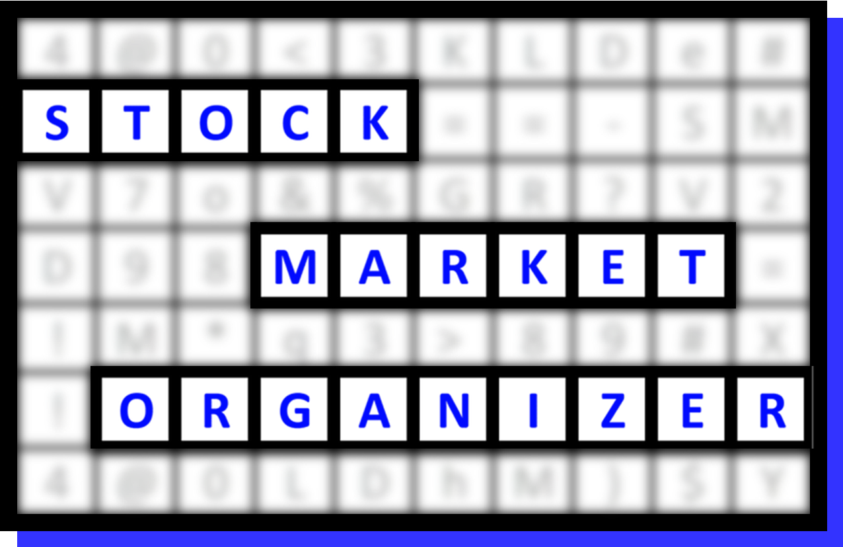
FILE DESCRIPTION
500 SPDR ETF stocks categorized based on Stock and ETF strength
Stocks are pre-sorted based on
1. % Change Largest to Smallest
2. ID1 Smallest to Largest

FILE INSTRUCTIONS
1) Go to range Print_Report, 2) Filter stocks as desired
Sample sort/usage:
1. Status column - filter for 1Strongest and 9Weakest stocks
2. Go long only 1Strongest and go short only 9Weakest stocks
3. Further refine candidate pool based on Sector strength and Market Environment
4. Use this information to stack strength (longs) or weakness (shorts)

To Reset after sorting
STEP 1: Remove all filters
STEP 2: Sort "Ref" (blue) col from smallest to largest
STEP 3: Filter as desired

To Print to PDF
STEP 1: Go to Print_Report
STEP 2: Select File > Print > Print Selection
(Headers/footers/titles are already set)
STEP 3: Save the file with the desired name

 | STOCK DETAIL (EDUCATIONAL PURPOSES ONLY/NOT A STOCK OR INVESTMENT RECOMMENDATION) |  |  |  |  |  |  |  |  | 1 week 01/08/24 to 01/15/24
 | Ref | Sub-Industry | Ticker | Company | ID1 | ID2 | % Chg | ID3 | Status | 9Weakest | 8VWeak | 7Weaker | 6Weak | 5Avg | 4Strong | 3Stronger | 2VStrong | 1Strongest
 | 1 | XLU UTILITIES - Diversified Utilities | LNT | Alliant Energy Corp | 350011 | 83% | 6% | 14% | 1Strongest | . | . | . | . | LNT---> | LNT---> | LNT---> | LNT---> | LNT--->
 | 2 | XLU UTILITIES - Diversified Utilities | PEG | Public Service Enterprise Group Inc | 350011 | 94% | 4% | 18% | 1Strongest | . | . | . | . | . | . | PEG---> | PEG---> | PEG--->
 | 3 | XLF INSURANCE - Life Insurance | MET | Metlife Inc | 350011 | 96% | 3% | 12% | 1Strongest | . | . | . | . | . | . | MET---> | MET---> | MET--->
 | 4 | XLF INSURANCE - Accident & Health Insurance | AFL | Aflac Inc | 350011 | 96% | 3% | 18% | 1Strongest | . | . | . | . | AFL---> | AFL---> | AFL---> | AFL---> | AFL--->
 | 5 | XLF INSURANCE - Property & Casualty Insurance | CB | Chubb Corp | 350011 | 93% | 2% | 8% | 1Strongest | . | . | . | . | CB---> | CB---> | CB---> | CB---> | CB--->
 | 6 | XLF INSURANCE - Property & Casualty Insurance | BRKB | Berkshire Hathaway Cl B | 350011 | 97% | 1% | 10% | 1Strongest | . | . | . | . | . | . | BRKB---> | BRKB---> | BRKB--->
 | 7 | XLF INSURANCE - Property & Casualty Insurance | AIG | American International Group | 350011 | 92% | 0% | 1% | 1Strongest | . | . | . | . | . | . | AIG---> | AIG---> | AIG--->
 | 8 | XLF BANKING - Money Center Banks | WFC | Wells Fargo & Company | 350015 | 100% | 6% | 28% | 1Strongest | . | . | . | . | . | . | . | . | WFC
 | 9 | XLC MEDIA - Entertainment - Diversified | LYV | Live Nation Entertainment Inc | 350015 | 99% | 5% | 29% | 1Strongest | . | . | . | . | . | . | . | . | LYV
 | 10 | XLF INSURANCE - Life Insurance | PRU | Prudential Financial Inc | 350015 | 100% | 5% | 9% | 1Strongest | . | . | . | . | . | . | . | . | PRU
 | 11 | XLF INSURANCE - Accident & Health Insurance | AIZ | Assurant Inc | 350015 | 100% | 5% | 21% | 1Strongest | . | . | . | . | . | . | . | . | AIZ
 | 12 | XLC SPECIALTY RETAIL - Music & Video Stores | NFLX | Netflix Inc | 350015 | 98% | 4% | 26% | 1Strongest | . | . | . | . | . | . | . | . | NFLX
 | 13 | XLF BANKING - Money Center Banks | BAC | Bank Of America Corp | 350015 | 92% | 4% | 20% | 1Strongest | . | . | . | . | . | . | . | . | BAC
 | 14 | XLF BANKING - Money Center Banks | JPM | JPMorgan Chase and Co | 350015 | 99% | 4% | 21% | 1Strongest | . | . | . | . | . | . | . | . | JPM
 | 15 | XLF FINANCIAL SERVICES - Investment Brokerage - National | MS | Morgan Stanley | 350015 | 100% | 3% | 35% | 1Strongest | . | . | . | . | . | . | . | . | MS
 | 16 | XLF FINANCIAL SERVICES - Credit Services | PYPL | PayPal Holdings Inc | 350015 | 14% | 3% | 28% | 1Strongest | . | . | . | . | . | . | . | . | PYPL
 | 17 | XLC MEDIA - Broadcasting - TV | FOX | Fox Corporation | 350015 | 94% | 3% | 29% | 1Strongest | . | . | . | . | . | . | . | . | FOX
 | 18 | XLU UTILITIES - Diversified Utilities | XEL | Xcel Energy Inc | 350015 | 73% | 3% | 20% | 1Strongest | . | . | . | . | . | . | . | . | XEL
 | 19 | XLF BANKING - Regional - Southeast Banks | TFC | Truist Financial Corporation | 350015 | 51% | 3% | 17% | 1Strongest | . | . | . | . | . | . | . | . | TFC
 | 20 | XLF BANKING - Regional - Southeast Banks | RF | Regions Financial Corp | 350015 | 100% | 3% | 26% | 1Strongest | . | . | . | . | . | . | . | . | RF
 | 21 | XLF BANKING - Regional - Northeast Banks | MTB | M&T Bank Corp | 350015 | 99% | 3% | 35% | 1Strongest | . | . | . | . | . | . | . | . | MTB
 | 22 | XLC MEDIA - Broadcasting - TV | FOXA | Fox Corporation | 350015 | 93% | 2% | 27% | 1Strongest | . | . | . | . | . | . | . | . | FOXA
 | 23 | XLF BANKING - Regional - Midwest Banks | HBAN | Huntington Bancshares | 350015 | 99% | 2% | 26% | 1Strongest | . | . | . | . | . | . | . | . | HBAN
 | 24 | XLF FINANCIAL SERVICES - Asset Management | NTRS | Northern Trust Corp | 350015 | 64% | 2% | 24% | 1Strongest | . | . | . | . | . | . | . | . | NTRS
 | 25 | XLF FINANCIAL SERVICES - Asset Management | BX | Blackstone Inc | 350015 | 99% | 2% | 33% | 1Strongest | . | . | . | . | . | . | . | . | BX
 | 26 | XLC COMPUTER SOFTWARE & SERVICES - Multimedia & Graphics Software | EA | Electronic Arts Inc | 350015 | 96% | 2% | 15% | 1Strongest | . | . | . | . | . | . | . | . | EA
 | 27 | XLU UTILITIES - Diversified Utilities | PCG | Pacific Gas & Electric Co | 350015 | 98% | 2% | 16% | 1Strongest | . | . | . | . | . | . | . | . | PCG
 | 28 | XLF BANKING - Regional - Northeast Banks | CFG | Citizens Financial Group Inc | 350015 | 77% | 2% | 24% | 1Strongest | . | . | . | . | . | . | . | . | CFG
 | 29 | XLF INSURANCE - Property & Casualty Insurance | CINF | Cincinnati Financial Cp | 350015 | 100% | 2% | 22% | 1Strongest | . | . | . | . | . | . | . | . | CINF
 | 30 | XLU UTILITIES - Electric Utilities | EVRG | Evergy Inc | 350015 | 65% | 2% | 15% | 1Strongest | . | . | . | . | . | . | . | . | EVRG
 | 31 | XLU UTILITIES - Diversified Utilities | PPL | PPL Corporation | 350015 | 85% | 2% | 15% | 1Strongest | . | . | . | . | . | . | . | . | PPL
 | 32 | XLF FINANCIAL SERVICES - Asset Management | AMP | Ameriprise Financial Inc | 350015 | 99% | 2% | 27% | 1Strongest | . | . | . | . | . | . | . | . | AMP
 | 33 | XLF FINANCIAL SERVICES - Credit Services | SYF | Synchrony Financial | 350015 | 95% | 2% | 39% | 1Strongest | . | . | . | . | . | . | . | . | SYF
 | 34 | XLF BANKING - Money Center Banks | PNC | Pnc Financial Svcs Grp | 350015 | 87% | 2% | 25% | 1Strongest | . | . | . | . | . | . | . | . | PNC
 | 35 | XLU UTILITIES - Diversified Utilities | NI | Nisource Inc | 350015 | 100% | 2% | 21% | 1Strongest | . | . | . | . | . | . | . | . | NI
 | 36 | XLF FINANCIAL SERVICES - Asset Management | BK | The Bank of New York Mellon Corporation | 350015 | 99% | 2% | 24% | 1Strongest | . | . | . | . | . | . | . | . | BK
 | 37 | XLF BANKING - Regional - Midwest Banks | FITB | Fifth Third Bancorp | 350015 | 91% | 2% | 21% | 1Strongest | . | . | . | . | . | . | . | . | FITB
 | 38 | XLU UTILITIES - Diversified Utilities | CNP | Centerpoint Energy Inc | 350015 | 89% | 2% | 7% | 1Strongest | . | . | . | . | . | . | . | . | CNP
 | 39 | XLF INSURANCE - Property & Casualty Insurance | TRV | The Travelers Companies Inc | 350015 | 97% | 2% | 17% | 1Strongest | . | . | . | . | . | . | . | . | TRV
 | 40 | XLC TELECOMMUNICATIONS - Telecom Services - Domestic | T | AT&T Inc | 350015 | 59% | 2% | 20% | 1Strongest | . | . | . | . | . | . | . | . | T
 | 41 | XLF INSURANCE - Life Insurance | PFG | Principal Financial Group Inc | 350015 | 88% | 1% | 6% | 1Strongest | . | . | . | . | . | . | . | . | PFG
 | 42 | XLF FINANCIAL SERVICES - Investment Brokerage - Regional | RJF | Raymond James Financial | 350015 | 98% | 1% | 30% | 1Strongest | . | . | . | . | . | . | . | . | RJF
 | 43 | XLU UTILITIES - Diversified Utilities | AEE | Ameren Corp | 350015 | 80% | 1% | 18% | 1Strongest | . | . | . | . | . | . | . | . | AEE
 | 44 | XLU UTILITIES - Diversified Utilities | SRE | Sempra Energy | 350015 | 100% | 1% | 20% | 1Strongest | . | . | . | . | . | . | . | . | SRE
 | 45 | XLF BANKING - Money Center Banks | KEY | Keycorp | 350015 | 58% | 1% | 24% | 1Strongest | . | . | . | . | . | . | . | . | KEY
 | 46 | XLF FINANCIAL SERVICES - Asset Management | BLK | Blackrock Incorporated | 350015 | 99% | 1% | 23% | 1Strongest | . | . | . | . | . | . | . | . | BLK
 | 47 | XLF FINANCIAL SERVICES - Asset Management | STT | State Street Corp | 350015 | 86% | 1% | 20% | 1Strongest | . | . | . | . | . | . | . | . | STT
 | 48 | XLF FINANCIAL SERVICES - Diversified Investments | GS | Goldman Sachs Group Inc | 350015 | 98% | 1% | 29% | 1Strongest | . | . | . | . | . | . | . | . | GS
 | 49 | XLF INSURANCE - Property & Casualty Insurance | L | Loews Corp | 350015 | 100% | 1% | 8% | 1Strongest | . | . | . | . | . | . | . | . | L
 | 50 | XLF DIVERSIFIED SERVICES - Business/Management Services | V | Visa Inc | 350015 | 99% | 1% | 12% | 1Strongest | . | . | . | . | . | . | . | . | V
 | 51 | XLF FINANCIAL SERVICES - Credit Services | DFS | Discover Financial Services | 350015 | 96% | 1% | 34% | 1Strongest | . | . | . | . | . | . | . | . | DFS
 | 52 | XLU UTILITIES - Gas Utilities | ATO | Atmos Energy Corp | 350015 | 97% | 0% | 17% | 1Strongest | . | . | . | . | . | . | . | . | ATO
 | 53 | XLF INSURANCE - Property & Casualty Insurance | HIG | The Hartford Financial Services Group | 350015 | 95% | 0% | 12% | 1Strongest | . | . | . | . | . | . | . | . | HIG
 | 54 | XLU UTILITIES - Diversified Utilities | WEC | WEC Energy Group Inc | 350015 | 72% | 0% | 14% | 1Strongest | . | . | . | . | . | . | . | . | WEC
 | 55 | XLF INSURANCE - Property & Casualty Insurance | WRB | W.R. Berkley Corporation | 350015 | 99% | 0% | 9% | 1Strongest | . | . | . | . | . | . | . | . | WRB
 | 56 | XLF BANKING - Money Center Banks | C | Citigroup | 350015 | 75% | 0% | 12% | 1Strongest | . | . | . | . | . | . | . | . | C
 | 57 | XLU UTILITIES - Electric Utilities | VST | Vistra Corp | 350015 | 97% | 0% | 65% | 1Strongest | . | . | . | . | . | . | . | . | VST
 | 58 | XLC TELECOMMUNICATIONS - Wireless Communications | TMUS | T-Mobile US Inc. | 350015 | 97% | 0% | 28% | 1Strongest | . | . | . | . | . | . | . | . | TMUS
 | 59 | XLF DIVERSIFIED SERVICES - Business/Management Services | FI | Fiserv Inc. | 350015 | 97% | 0% | 29% | 1Strongest | . | . | . | . | . | . | . | . | FI
 | 60 | XLU UTILITIES - Electric Utilities | ETR | Entergy Corp | 350015 | 93% | 0% | 30% | 1Strongest | . | . | . | . | . | . | . | . | ETR
 | 61 | XLF FINANCIAL SERVICES - Diversified Investments | NDAQ | Nasdaq Inc | 350015 | 98% | 0% | 21% | 1Strongest | . | . | . | . | . | . | . | . | NDAQ
 | 62 | XLU UTILITIES - Electric Utilities | PNW | Pinnacle West Capital Corp | 350015 | 73% | 0% | 15% | 1Strongest | . | . | . | . | . | . | . | . | PNW
 | 63 | XLF INSURANCE - Property & Casualty Insurance | ALL | Allstate Corporation | 350015 | 99% | 0% | 14% | 1Strongest | . | . | . | . | . | . | . | . | ALL
 | 64 | XLF FINANCIAL SERVICES - Credit Services | COF | Capital One Financial Cp | 350015 | 96% | 0% | 28% | 1Strongest | . | . | . | . | . | . | . | . | COF
 | 65 | XLF INSURANCE - Insurance Brokers | AJG | Arthur J Gallagher & Co | 350015 | 98% | 0% | 11% | 1Strongest | . | . | . | . | . | . | . | . | AJG
 | 66 | XLC COMPUTER SOFTWARE & SERVICES - Multimedia & Graphics Software | TTWO | Take-Two Intera Software | 350015 | 70% | 0% | 16% | 1Strongest | . | . | . | . | . | . | . | . | TTWO
 | 67 | XLF FINANCIAL SERVICES - Investment Brokerage - National | CME | Cme Group Inc | 350015 | 77% | 0% | 7% | 1Strongest | . | . | . | . | . | . | . | . | CME
 | 68 | XLF FINANCIAL SERVICES - Credit Services | AXP | American Express Co | 350015 | 96% | 0% | 18% | 1Strongest | . | . | . | . | . | . | . | . | AXP
 | 69 | XLF COMPUTER SOFTWARE & SERVICES - Information Technology Services | FIS | Fidelity National Information Services Inc | 350015 | 37% | 0% | 15% | 1Strongest | . | . | . | . | . | . | . | . | FIS
 | 70 | XLF DIVERSIFIED SERVICES - Business/Management Services | MA | Mastercard Incorporated | 350015 | 97% | -1% | 11% | 1Strongest | . | . | . | . | . | . | . | . | MA
 | 71 | XLF BANKING - Regional - Midwest Banks | USB | US Bancorp | 350015 | 61% | -1% | 15% | 1Strongest | . | . | . | . | . | . | . | . | USB
 | 72 | XLF DIVERSIFIED SERVICES - Business/Management Services | CPAY | Corpay Inc | 350015 | 95% | -1% | 22% | 1Strongest | . | . | . | . | . | . | . | . | CPAY
 | 73 | XLC MEDIA - CATV Systems | CHTR | Charter Communications | 350015 | 24% | -1% | 26% | 1Strongest | . | . | . | . | . | . | . | . | CHTR
 | 74 | XLF INSURANCE - Insurance Brokers | WTW | Willis Towers Watson Public Ltd | 350015 | 97% | -1% | 14% | 1Strongest | . | . | . | . | . | . | . | . | WTW
 | 75 | XLF INSURANCE - Insurance Brokers | AON | Aon PLC | 350015 | 97% | -1% | 18% | 1Strongest | . | . | . | . | . | . | . | . | AON
 | 76 | XLF FINANCIAL SERVICES - Asset Management | KKR | KKR & Co. L.P. | 350015 | 96% | -1% | 33% | 1Strongest | . | . | . | . | . | . | . | . | KKR
 | 77 | XLC MEDIA - Entertainment - Diversified | NWS | News Corporation | 350015 | 98% | -2% | 15% | 1Strongest | . | . | . | . | . | . | . | . | NWS
 | 78 | XLF FINANCIAL SERVICES - Asset Management | IVZ | Invesco Plc | 350015 | 48% | -2% | 9% | 1Strongest | . | . | . | . | . | . | . | . | IVZ
 | 79 | XLF INSURANCE - Insurance Brokers | BRO | Brown & Brown | 350015 | 97% | -2% | 18% | 1Strongest | . | . | . | . | . | . | . | . | BRO
 | 80 | XLF INSURANCE - Property & Casualty Insurance | PGR | Progressive Corp | 350015 | 97% | -2% | 16% | 1Strongest | . | . | . | . | . | . | . | . | PGR
 | 81 | XLC MEDIA - Entertainment - Diversified | NWSA | News Corporation | 350015 | 96% | -3% | 8% | 1Strongest | . | . | . | . | . | . | . | . | NWSA
...

